Summary
Category | Count
Passed | 2
Failed | 1
Skipped | 0
Total | 3
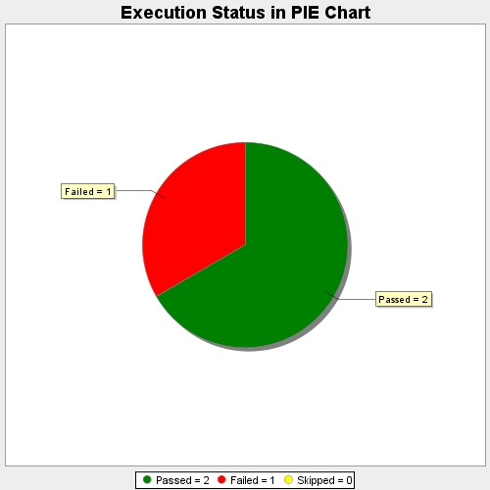
Start Time | 2017-11-20T12:33:41Z
End Time | 2017-11-20T12:37:18Z
Duration | 217147 ms

