Summary
Category | Count
Passed | 37
Failed | 0
Skipped | 0
Total | 37
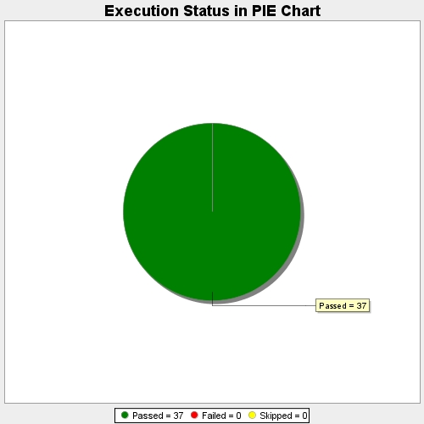
Start Time | 2017-11-21T07:56:04Z
End Time | 2017-11-21T08:11:51Z
Duration | 947740 ms

