Summary
Category | Count
Passed | 36
Failed | 0
Skipped | 0
Total | 36
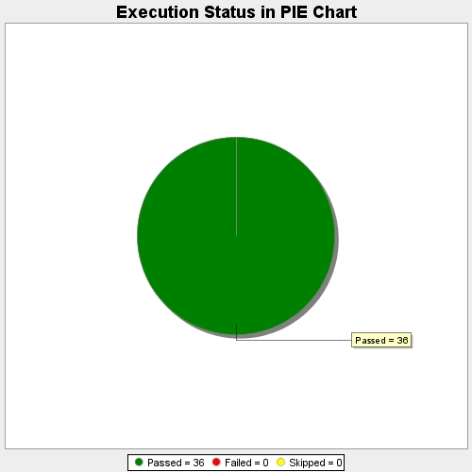
Start Time | 2017-11-21T08:23:07Z
End Time | 2017-11-21T08:38:35Z
Duration | 927329 ms

