Summary
Category | Count
Passed | 1
Failed | 35
Skipped | 0
Total | 36
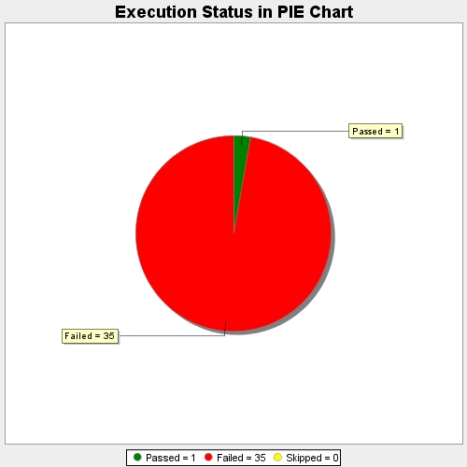
Start Time | 2017-11-21T09:43:44Z
End Time | 2017-11-21T10:32:02Z
Duration | 2897887 ms

