Summary
Category | Count
Passed | 1
Failed | 11
Skipped | 0
Total | 12
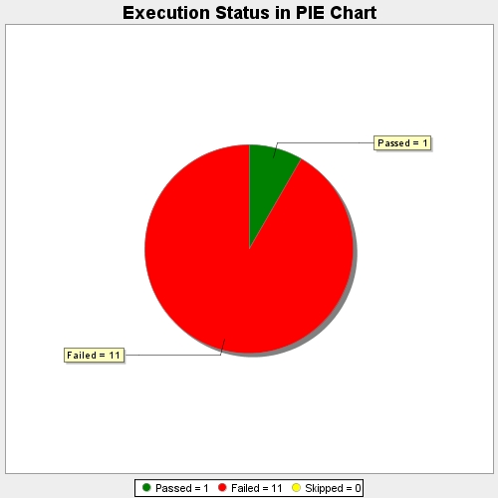
Start Time | 2017-11-21T14:24:11Z
End Time | 2017-11-21T14:33:06Z
Duration | 535112 ms

