Summary
Category | Count
Passed | 0
Failed | 0
Skipped | 1
Total | 2
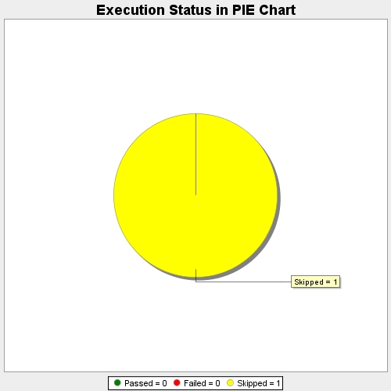
Start Time | 2017-11-22T07:15:41Z
End Time | 2017-11-22T07:16:02Z
Duration | 20626 ms

