Summary
Category | Count
Passed | 0
Failed | 1
Skipped | 1
Total | 2
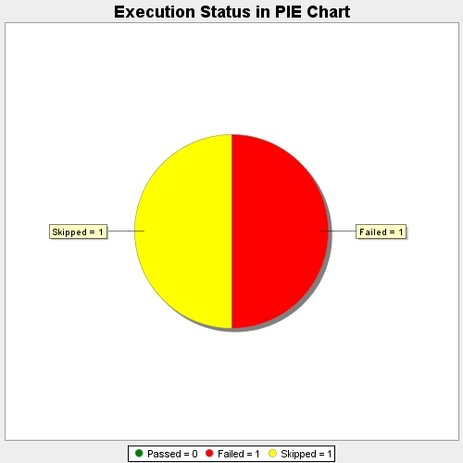
Start Time | 2017-11-22T07:16:34Z
End Time | 2017-11-22T07:17:29Z
Duration | 55410 ms

