Summary
Category | Count
Passed | 1
Failed | 11
Skipped | 0
Total | 12
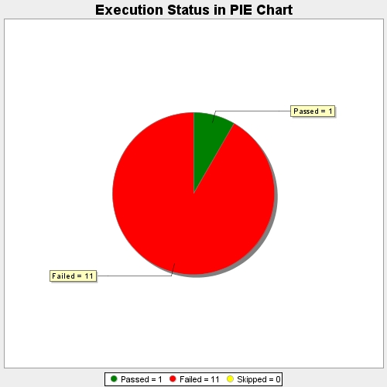
Start Time | 2017-11-22T08:22:49Z
End Time | 2017-11-22T08:31:04Z
Duration | 495736 ms

