Summary
Category | Count
Passed | 12
Failed | 0
Skipped | 0
Total | 12
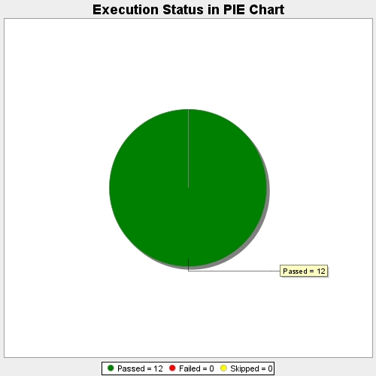
Start Time | 2017-11-22T09:03:27Z
End Time | 2017-11-22T09:10:24Z
Duration | 417113 ms

