Summary
Category | Count
Passed | 11
Failed | 0
Skipped | 0
Total | 11
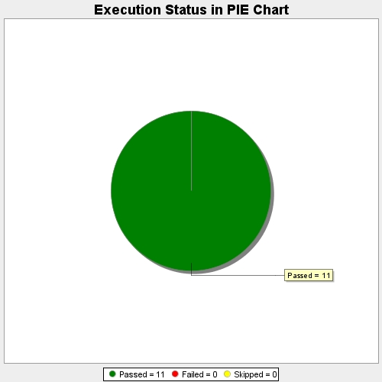
Start Time | 2017-11-22T10:24:22Z
End Time | 2017-11-22T10:30:31Z
Duration | 368875 ms

