Summary
Category | Count
Passed | 0
Failed | 11
Skipped | 0
Total | 11
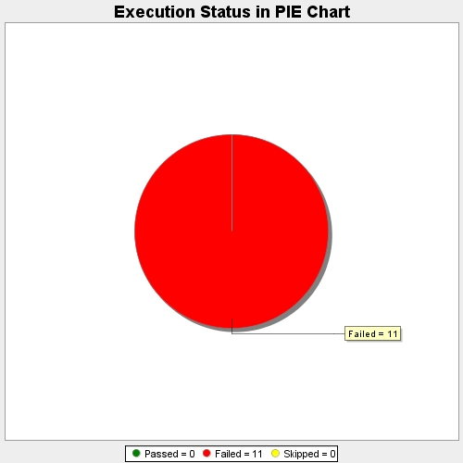
Start Time | 2017-11-22T11:14:22Z
End Time | 2017-11-22T11:18:06Z
Duration | 223786 ms

