Summary
Category | Count
Passed | 10
Failed | 1
Skipped | 0
Total | 11
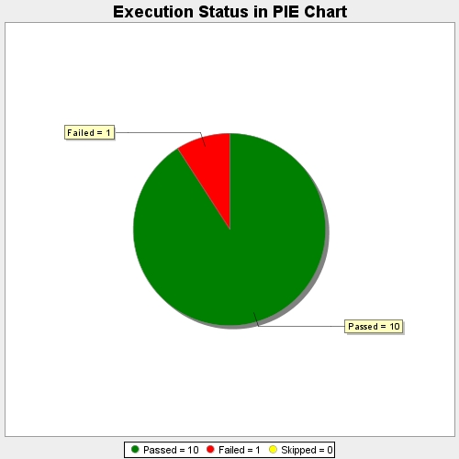
Start Time | 2017-11-22T11:18:22Z
End Time | 2017-11-22T11:24:31Z
Duration | 369619 ms

