Summary
Category | Count
Passed | 11
Failed | 0
Skipped | 0
Total | 11
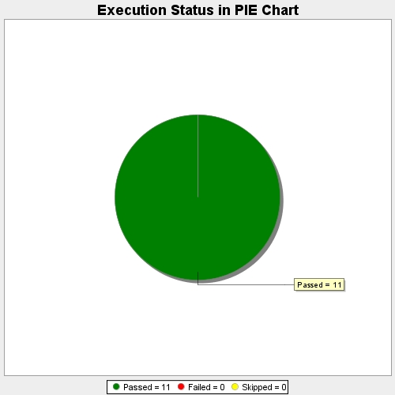
Start Time | 2017-11-22T11:49:12Z
End Time | 2017-11-22T11:55:20Z
Duration | 368138 ms

