Summary
Category | Count
Passed | 11
Failed | 0
Skipped | 0
Total | 11
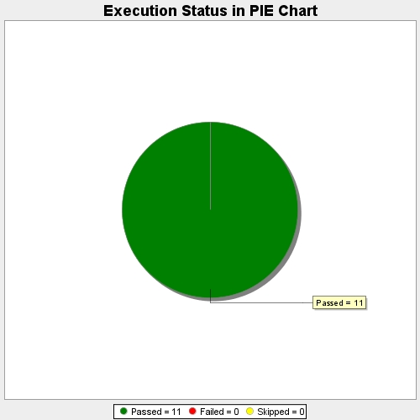
Start Time | 2017-11-22T12:54:22Z
End Time | 2017-11-22T13:00:32Z
Duration | 369648 ms

