Summary
Category | Count
Passed | 11
Failed | 0
Skipped | 0
Total | 11
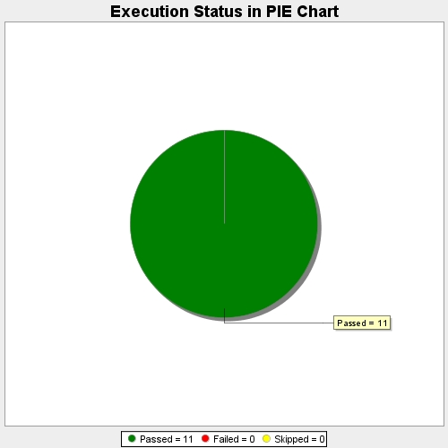
Start Time | 2017-11-22T13:08:31Z
End Time | 2017-11-22T13:14:29Z
Duration | 358630 ms

