Summary
Category | Count
Passed | 11
Failed | 0
Skipped | 0
Total | 11
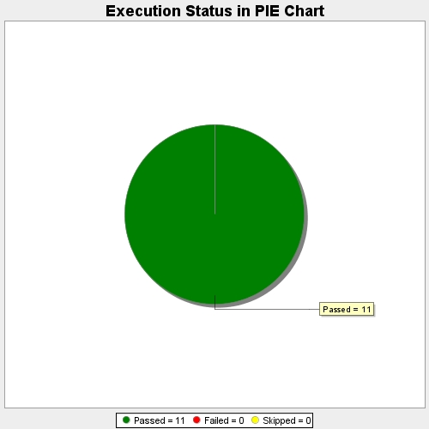
Start Time | 2017-11-22T13:17:52Z
End Time | 2017-11-22T13:23:50Z
Duration | 358146 ms

