Summary
Category | Count
Passed | 11
Failed | 0
Skipped | 0
Total | 11
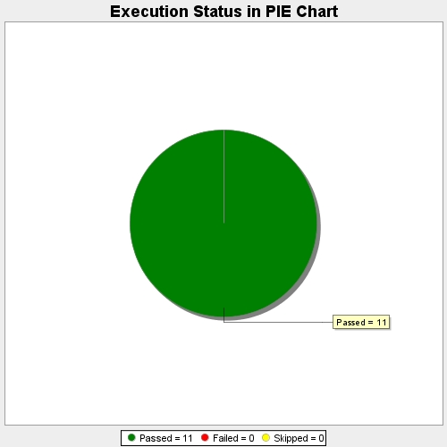
Start Time | 2017-11-22T13:26:13Z
End Time | 2017-11-22T13:32:05Z
Duration | 352104 ms

