Summary
Category | Count
Passed | 11
Failed | 0
Skipped | 0
Total | 11
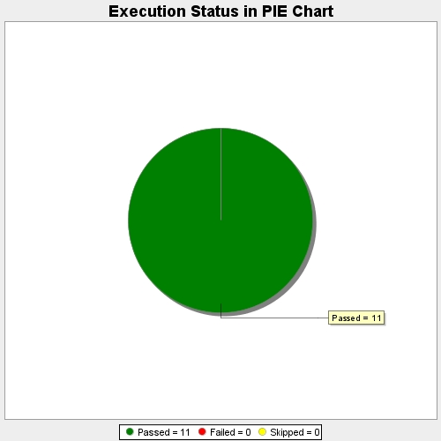
Start Time | 2017-11-22T13:37:36Z
End Time | 2017-11-22T13:43:35Z
Duration | 359158 ms

