Summary
Category | Count
Passed | 0
Failed | 10
Skipped | 0
Total | 10
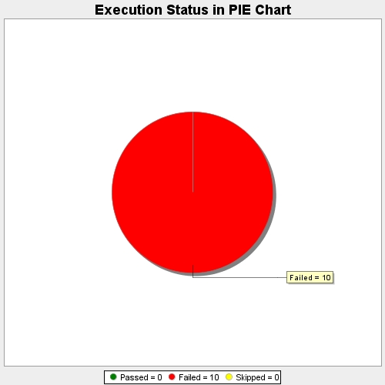
Start Time | 2017-11-22T14:41:34Z
End Time | 2017-11-22T14:42:44Z
Duration | 70298 ms

