Summary
Category | Count
Passed | 0
Failed | 10
Skipped | 0
Total | 10
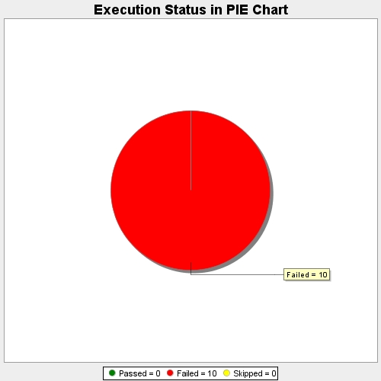
Start Time | 2017-11-22T14:43:31Z
End Time | 2017-11-22T14:44:52Z
Duration | 80869 ms

