Summary
Category | Count
Passed | 1
Failed | 9
Skipped | 0
Total | 10
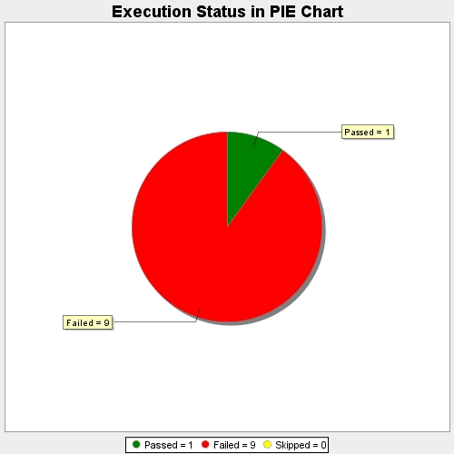
Start Time | 2017-11-23T06:28:11Z
End Time | 2017-11-23T06:29:17Z
Duration | 66343 ms

