Summary
Category | Count
Passed | 10
Failed | 0
Skipped | 0
Total | 10
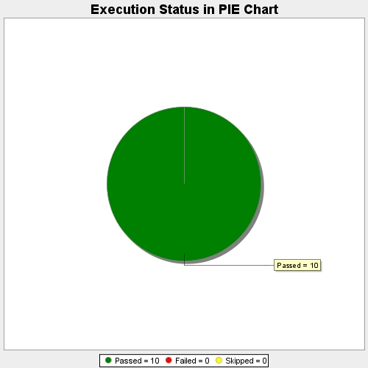
Start Time | 2017-11-23T06:39:34Z
End Time | 2017-11-23T06:40:10Z
Duration | 36063 ms

