Summary
Category | Count
Passed | 1
Failed | 1
Skipped | 0
Total | 2
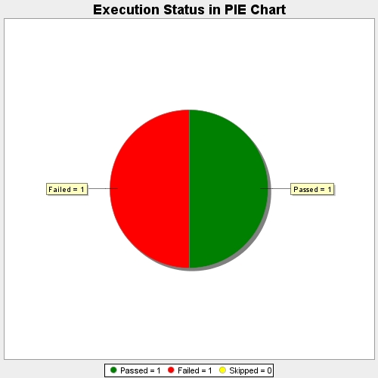
Start Time | 2017-11-23T07:55:04Z
End Time | 2017-11-23T07:57:50Z
Duration | 165402 ms

