Summary
Category | Count
Passed | 0
Failed | 0
Skipped | 1
Total | 1
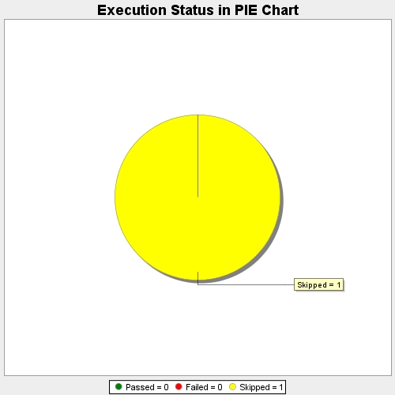
Start Time | 2017-11-23T08:16:01Z
End Time | 2017-11-23T08:16:51Z
Duration | 49826 ms

