Summary
Category | Count
Passed | 1
Failed | 1
Skipped | 0
Total | 2
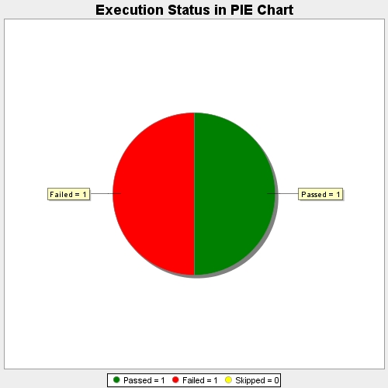
Start Time | 2017-11-23T08:19:41Z
End Time | 2017-11-23T08:21:45Z
Duration | 124142 ms

