Summary
Category | Count
Passed | 1
Failed | 1
Skipped | 0
Total | 2
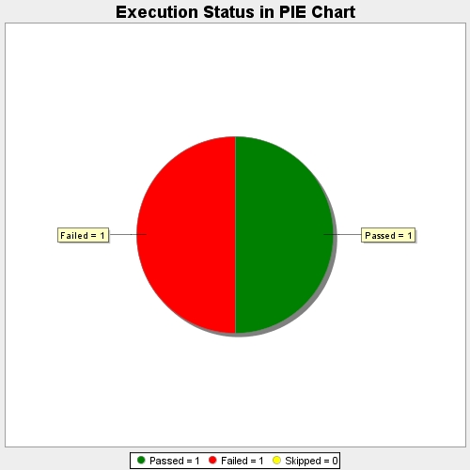
Start Time | 2017-11-23T09:27:06Z
End Time | 2017-11-23T09:29:30Z
Duration | 144458 ms

