Summary
Category | Count
Passed | 1
Failed | 1
Skipped | 0
Total | 2
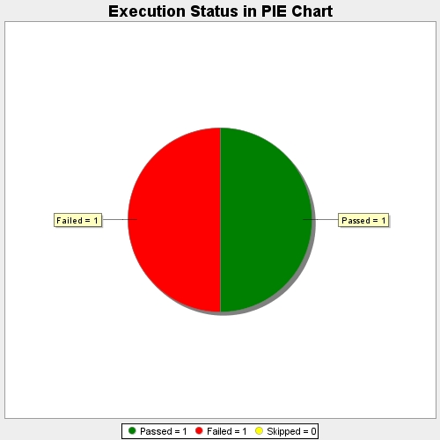
Start Time | 2017-11-23T09:31:39Z
End Time | 2017-11-23T09:34:14Z
Duration | 154569 ms

