Summary
Category | Count
Passed | 0
Failed | 0
Skipped | 3
Total | 3
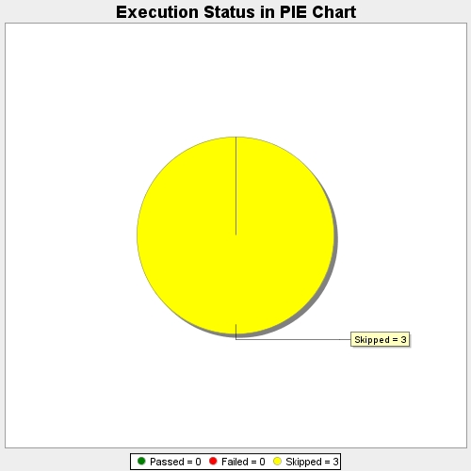
Start Time | 2017-11-23T11:50:53Z
End Time | 2017-11-23T11:51:03Z
Duration | 10145 ms

