Summary
Category | Count
Passed | 0
Failed | 0
Skipped | 11
Total | 11
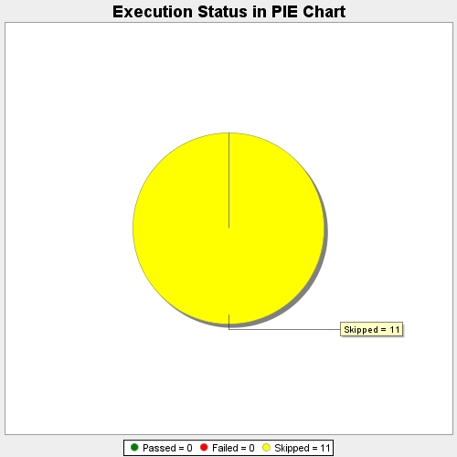
Start Time | 2017-11-24T09:01:20Z
End Time | 2017-11-24T09:01:36Z
Duration | 15647 ms

