Summary
Category | Count
Passed | 0
Failed | 11
Skipped | 0
Total | 11
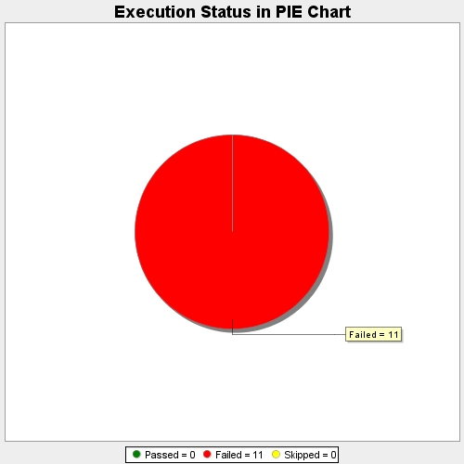
Start Time | 2017-11-24T09:59:49Z
End Time | 2017-11-24T10:03:43Z
Duration | 233714 ms

