Summary
Category | Count
Passed | 11
Failed | 0
Skipped | 0
Total | 11
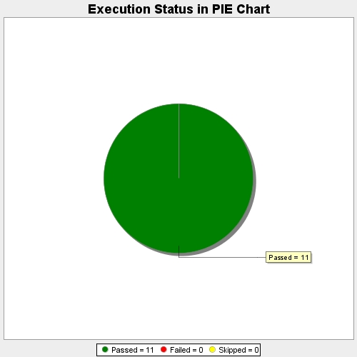
Start Time | 2017-11-24T12:14:28Z
End Time | 2017-11-24T12:20:51Z
Duration | 383764 ms

