Summary
Category | Count
Passed | 11
Failed | 0
Skipped | 0
Total | 11
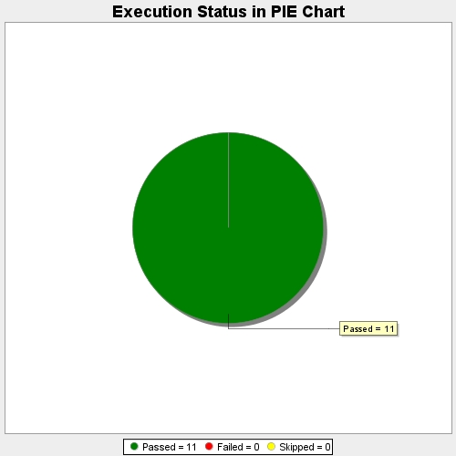
Start Time | 2017-11-24T12:43:05Z
End Time | 2017-11-24T12:49:41Z
Duration | 396253 ms

