EOI
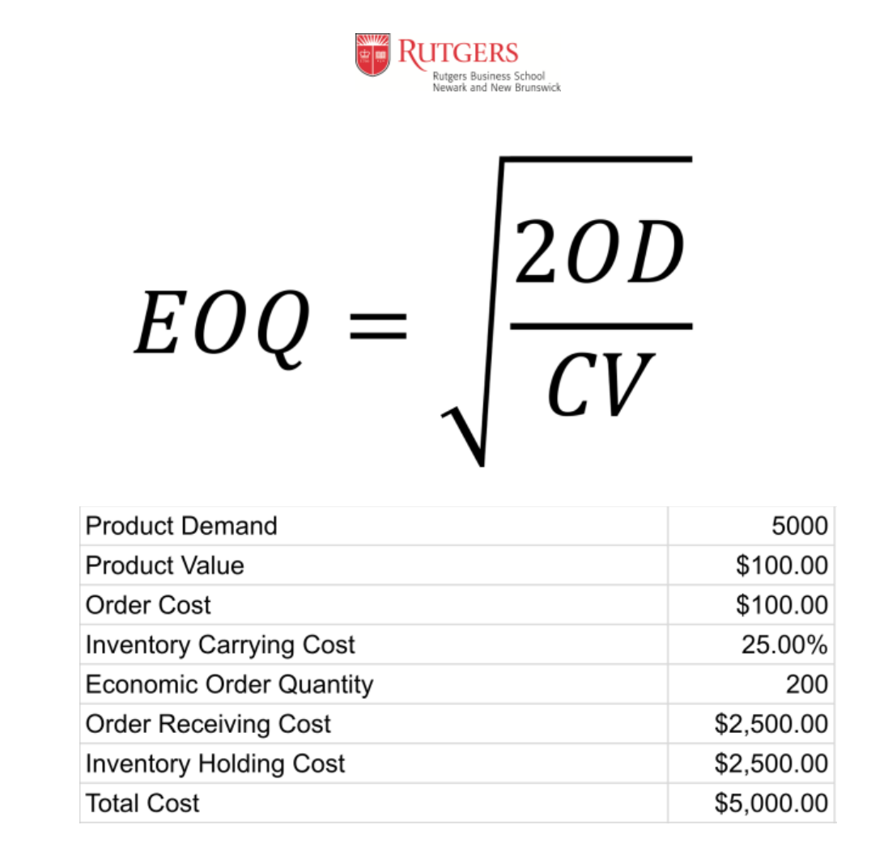
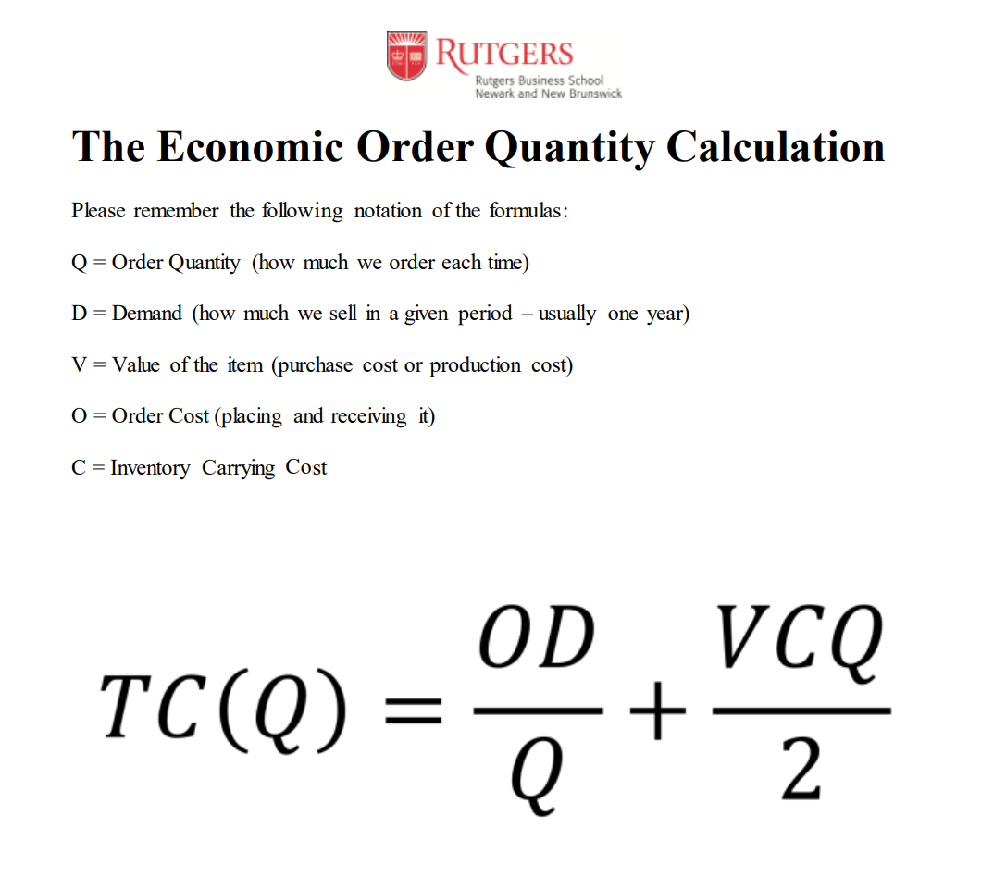
Product Demand | 5000 | 5000 | 5000 | 5000 | 5000 | 5000 | 5000 | 5000 | 5000 | 5000
Product Value | ₹ 100.00 | ₹ 100.00 | ₹ 100.00 | ₹ 100.00 | ₹ 100.00 | ₹ 100.00 | ₹ 100.00 | ₹ 100.00 | ₹ 100.00 | ₹ 100.00
Order Cost | ₹ 100.00 | ₹ 100.00 | ₹ 100.00 | ₹ 100.00 | ₹ 100.00 | ₹ 100.00 | ₹ 100.00 | ₹ 100.00 | ₹ 100.00 | ₹ 100.00
Inventory Carry Cost | 25.00% | 25.00% | 25.00% | 25.00% | 25.00% | 25.00% | 25.00% | 25.00% | 25.00% | 25.00%
Order Quantity | 50 | 100 | 150 | 200 | 250 | 300 | 350 | 400 | 450 | 500
Order Receiving Cost | ₹ 10,000.00 | ₹ 5,000.00 | ₹ 3,333.33 | ₹ 2,500.00 | ₹ 2,000.00 | ₹ 1,666.67 | ₹ 1,428.57 | ₹ 1,250.00 | ₹ 1,111.11 | ₹ 1,000.00
Inventory Holding Cost | ₹ 625.00 | ₹ 1,250.00 | ₹ 1,875.00 | ₹ 2,500.00 | ₹ 3,125.00 | ₹ 3,750.00 | ₹ 4,375.00 | ₹ 5,000.00 | ₹ 5,625.00 | ₹ 6,250.00
Total Cost | ₹ 10,625.00 | ₹ 6,250.00 | ₹ 5,208.33 | ₹ 5,000.00 | ₹ 5,125.00 | ₹ 5,416.67 | ₹ 5,803.57 | ₹ 6,250.00 | ₹ 6,736.11 | ₹ 7,250.00

 | 200 | 200 | 200 | 200 | 200 | 200 | 200 | 200 | 200 | 200

Lecture Safety Stock
Demand | Order Lead Time
29 | 5 | Calculating the safety stock
23
26 |  | Average Demand | 20.866666667 | 20.87 | 20.87 | 20.87 | 20.87 | 20.87 | 20.87
24 |  | Standard Deviation of Demand | 6.57 | 6.57 | 6.57 | 6.57 | 6.57 | 6.57 | 6.57
28 |  | Average Lead Time | 5.67 | 5.67 | 5.67 | 5.67 | 5.67 | 5.67 | 5.67
17 | 3 | Standard Deviation of Lead Time | 1.51 | 1.51 | 1.51 | 1.51 | 1.51 | 1.51 | 1.51
28
16 |  | Sc | 35.092540896 | 35.092540896 | 35.092540896 | 35.092540896 | 35.092540896 | 35.092540896 | 35.092540896
25
24
19 | 7 | Service Lvl(Prcentage) | 95.000% | 96.000% | 97.000% | 98.000% | 99.500% | 99.900% | 99.990%
18 |  | Service Level(k) | 1.644853627 | 1.7506860713 | 1.8807936082 | 2.0537489106 | 2.5758293035 | 3.0902323062 | 3.7190164855
10
28
11
10 | 6 | Safety Stock | 57.722093172 | 61.436022552 | 66.001826612 | 72.071267637 | 90.392395177 | 108.44410358 | 130.50973811
23 |  | SS = k*Sc
30
30
11
18 | 7
25
22
24
12
19 | 6
16
18
30
12

