main
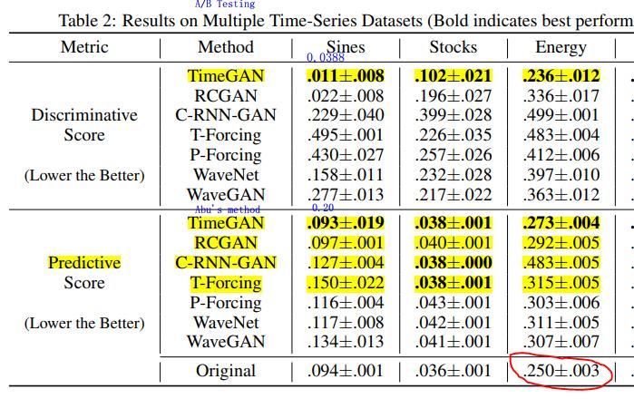

input_dim = 5
pre on | train on | Model_Name | Dataset_Name | Time_Ran | MSE | RMSE | MAPE | sMAPE | WAPE | R-sq | MAE
syn | none | nbeats | sine | 07/23/2021, 22:04:21 | 0.013 | 0.114 | 0.113 | 59.008 | 11.508 | 0.242 | 0.099
none | sine | nbeats | sine | 07/23/2021, 22:06:18 | 0.008 | 0.09 | 0.065 | 30.929 | 6.35 | 0.524 | 0.055
syn | sine | nbeats | sine | 07/23/2021, 22:02:00 | 0.008 | 0.088 | 0.064 | 30.304 | 6.227 | 0.547 | 0.054

