Template
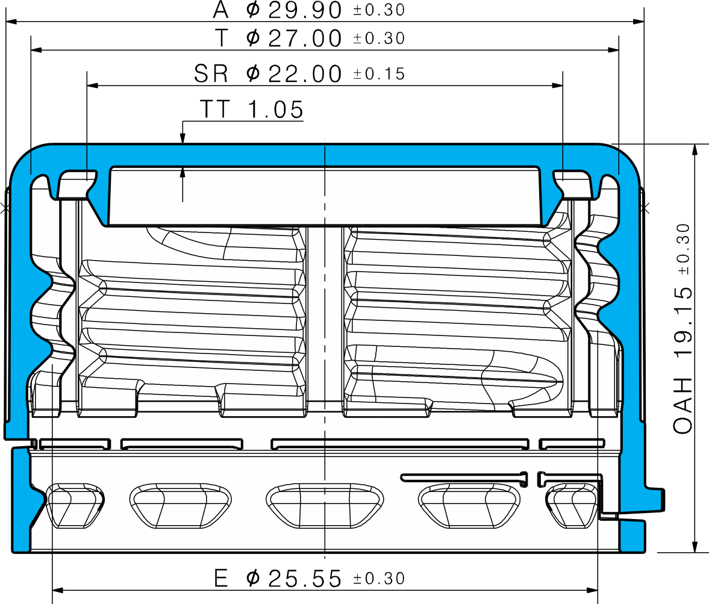

Design code: | XC_1810_61_T
Weight: | 2,5g
Product ID: | 123456
Color: | clear
Production date: | 2025.01.20
Manufacturing plant: | Retal Baltic Films

Controller: | AB
Measurement date: | 2025.02.02

Criteria | Dimensions
 | Diameter |  |  |  | OAH |  | TT
 | E | A | R | SR | Min | Max
Specified Size | 25.55 | 29.90 | 30.00 | 22.00 | 14.30 | 14.30 | 0.90
Upper Tolerance Value | 0.30 | 0.30 | 0.30 | 0.15 | 0.30 | 0.30 | 0.10
Lower Tolerance Value | -0.30 | -0.30 | -0.30 | -0.15 | -0.30 | -0.30 | -0.10
UTV | 25.85 | 30.20 | 30.30 | 22.15 | 14.60 | 14.60 | 1.00
LTV | 25.25 | 29.60 | 29.70 | 21.85 | 14.00 | 14.00 | 0.80
Average
Deviation | #VALUE! | #VALUE! | #VALUE! | #VALUE! | #VALUE! | #VALUE! | #VALUE!
SD
Max
Min
# Above Specification | 0 | 0 | 0 | 0 | 0 | 0 | 0
# Below Specification | 0 | 0 | 0 | 0 | 0 | 0 | 0
1
2
3
4
5
6
7
8
9
10

TT measurements
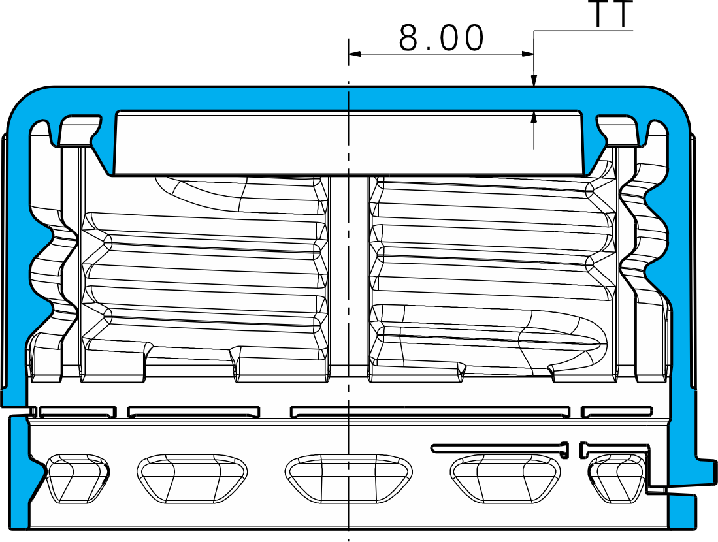
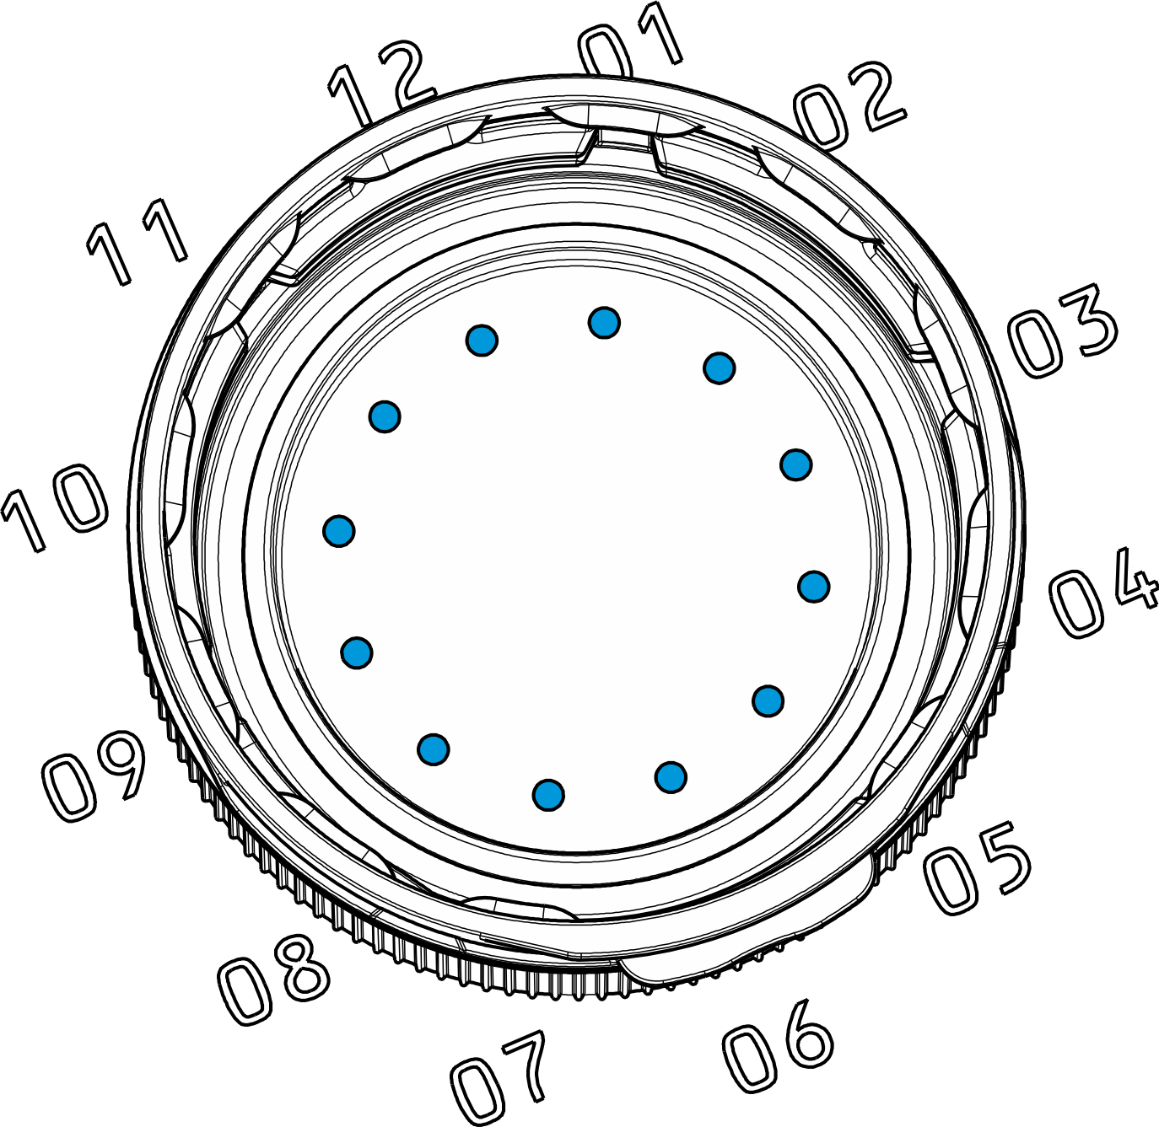

Design code: | RIC_1881_2
Manufacturing plant: | Inplast Ukraine LTD
Mold:

Production date: | 2025 10 01
Product ID: | 01K095248
Material: | Borouge BorPure MB5568
Color: | Green 2280

Controller: | AB
Measurement date: | 2025.10.16

 |  |  |  |  | TT (Top panel Thickness)
 | 1 | 2 | 3 | 4 | 5 | 6 | 7 | 8 | 9 | 10 | 11 | 12 | AVG
Specified Size | 1.05 | 1.05 | 1.05 | 1.05 | 1.05 | 1.05 | 1.05 | 1.05 | 1.05 | 1.05 | 1.05 | 1.05 | 1.05
Upper Tolerance Value | 0.10 | 0.10 | 0.10 | 0.10 | 0.10 | 0.10 | 0.10 | 0.10 | 0.10 | 0.10 | 0.10 | 0.10 | 0.10
Lower Tolerance Value | -0.10 | -0.10 | -0.10 | -0.10 | -0.10 | -0.10 | -0.10 | -0.10 | -0.10 | -0.10 | -0.10 | -0.10 | -0.10
UTV | 1.15 | 1.15 | 1.15 | 1.15 | 1.15 | 1.15 | 1.15 | 1.15 | 1.15 | 1.15 | 1.15 | 1.15 | 1.15
LTV | 0.95 | 0.95 | 0.95 | 0.95 | 0.95 | 0.95 | 0.95 | 0.95 | 0.95 | 0.95 | 0.95 | 0.95 | 0.95
Average | 1.09 | 1.09 | 1.08 | 1.08 | 1.10 | 1.12 | 1.10 | 1.08 | 1.07 | 1.08 | 1.09 | 1.09 | 1.09
Deviation | 0.041 | 0.036 | 0.028 | 0.030 | 0.051 | 0.068 | 0.051 | 0.025 | 0.020 | 0.032 | 0.043 | 0.044 | 0.039
SD | 0.025 | 0.029 | 0.031 | 0.026 | 0.025 | 0.030 | 0.030 | 0.028 | 0.030 | 0.028 | 0.026 | 0.020 | 0.015
Max | 1.142 | 1.148 | 1.144 | 1.139 | 1.160 | 1.221 | 1.200 | 1.124 | 1.126 | 1.145 | 1.148 | 1.133 | 1.121
Min | 1.045 | 1.030 | 1.021 | 1.033 | 1.063 | 1.066 | 1.044 | 1.008 | 1.003 | 1.023 | 1.048 | 1.052 | 1.047
# Above Specification | 0 | 0 | 0 | 0 | 4 | 11 | 5 | 0 | 0 | 0 | 0 | 0 | 0
# Below Specification | 0 | 0 | 0 | 0 | 0 | 0 | 0 | 0 | 0 | 0 | 0 | 0 | 0
1 | 1.092 | 1.082 | 1.056 | 1.058 | 1.063 | 1.080 | 1.070 | 1.064 | 1.083 | 1.102 | 1.114 | 1.111 | 1.081
2 | 1.045 | 1.045 | 1.046 | 1.057 | 1.114 | 1.155 | 1.156 | 1.124 | 1.098 | 1.084 | 1.059 | 1.062 | 1.087
3 | 1.077 | 1.061 | 1.075 | 1.076 | 1.102 | 1.108 | 1.097 | 1.073 | 1.062 | 1.074 | 1.092 | 1.086 | 1.082
4 | 1.108 | 1.122 | 1.117 | 1.130 | 1.140 | 1.137 | 1.107 | 1.078 | 1.048 | 1.068 | 1.089 | 1.088 | 1.103
5 | 1.111 | 1.122 | 1.117 | 1.108 | 1.085 | 1.085 | 1.071 | 1.062 | 1.064 | 1.069 | 1.079 | 1.088 | 1.088
6 | 1.060 | 1.030 | 1.032 | 1.033 | 1.075 | 1.113 | 1.105 | 1.103 | 1.108 | 1.117 | 1.117 | 1.089 | 1.082
7 | 1.121 | 1.117 | 1.103 | 1.104 | 1.120 | 1.127 | 1.115 | 1.096 | 1.117 | 1.125 | 1.148 | 1.132 | 1.119
8 | 1.088 | 1.062 | 1.059 | 1.065 | 1.074 | 1.086 | 1.080 | 1.080 | 1.086 | 1.105 | 1.106 | 1.098 | 1.082
9 | 1.092 | 1.096 | 1.084 | 1.108 | 1.109 | 1.118 | 1.093 | 1.056 | 1.040 | 1.048 | 1.059 | 1.088 | 1.083
10 | 1.069 | 1.049 | 1.046 | 1.049 | 1.067 | 1.071 | 1.047 | 1.028 | 1.009 | 1.024 | 1.048 | 1.062 | 1.047
11 | 1.046 | 1.072 | 1.090 | 1.099 | 1.128 | 1.142 | 1.113 | 1.070 | 1.047 | 1.039 | 1.051 | 1.052 | 1.079
12 | 1.091 | 1.081 | 1.061 | 1.066 | 1.070 | 1.085 | 1.077 | 1.068 | 1.084 | 1.103 | 1.118 | 1.108 | 1.084
13 | 1.081 | 1.077 | 1.071 | 1.071 | 1.108 | 1.171 | 1.114 | 1.076 | 1.068 | 1.077 | 1.071 | 1.075 | 1.088
14 | 1.076 | 1.070 | 1.050 | 1.073 | 1.100 | 1.132 | 1.143 | 1.119 | 1.108 | 1.104 | 1.099 | 1.084 | 1.097
15 | 1.105 | 1.123 | 1.120 | 1.103 | 1.142 | 1.162 | 1.142 | 1.116 | 1.072 | 1.061 | 1.067 | 1.071 | 1.107
16 | 1.110 | 1.094 | 1.080 | 1.084 | 1.085 | 1.084 | 1.066 | 1.044 | 1.047 | 1.077 | 1.100 | 1.113 | 1.082
17 | 1.142 | 1.133 | 1.144 | 1.127 | 1.139 | 1.146 | 1.130 | 1.085 | 1.079 | 1.090 | 1.115 | 1.121 | 1.121
18 | 1.069 | 1.067 | 1.050 | 1.051 | 1.088 | 1.106 | 1.104 | 1.086 | 1.072 | 1.086 | 1.089 | 1.088 | 1.080
19 | 1.100 | 1.093 | 1.070 | 1.085 | 1.112 | 1.130 | 1.091 | 1.050 | 1.063 | 1.069 | 1.109 | 1.112 | 1.090
20 | 1.086 | 1.086 | 1.081 | 1.092 | 1.110 | 1.110 | 1.090 | 1.075 | 1.076 | 1.095 | 1.095 | 1.103 | 1.092
21 | 1.091 | 1.099 | 1.089 | 1.100 | 1.108 | 1.117 | 1.106 | 1.072 | 1.051 | 1.051 | 1.053 | 1.079 | 1.085
22 | 1.104 | 1.101 | 1.082 | 1.092 | 1.116 | 1.131 | 1.082 | 1.036 | 1.059 | 1.070 | 1.108 | 1.118 | 1.092
23 | 1.130 | 1.147 | 1.141 | 1.139 | 1.160 | 1.129 | 1.085 | 1.049 | 1.039 | 1.070 | 1.087 | 1.121 | 1.108
24 | 1.099 | 1.102 | 1.087 | 1.106 | 1.117 | 1.131 | 1.118 | 1.091 | 1.089 | 1.083 | 1.090 | 1.093 | 1.101
25 | 1.063 | 1.059 | 1.040 | 1.052 | 1.074 | 1.085 | 1.063 | 1.056 | 1.046 | 1.061 | 1.084 | 1.068 | 1.063
26 | 1.124 | 1.113 | 1.081 | 1.077 | 1.091 | 1.105 | 1.102 | 1.089 | 1.103 | 1.111 | 1.127 | 1.133 | 1.105
27 | 1.123 | 1.148 | 1.135 | 1.104 | 1.109 | 1.096 | 1.072 | 1.052 | 1.038 | 1.061 | 1.086 | 1.106 | 1.094
28 | 1.101 | 1.068 | 1.047 | 1.054 | 1.086 | 1.142 | 1.147 | 1.108 | 1.126 | 1.145 | 1.141 | 1.116 | 1.107
29 | 1.076 | 1.057 | 1.050 | 1.050 | 1.063 | 1.066 | 1.044 | 1.023 | 1.008 | 1.023 | 1.054 | 1.066 | 1.048
30 | 1.074 | 1.048 | 1.021 | 1.036 | 1.073 | 1.107 | 1.099 | 1.106 | 1.118 | 1.132 | 1.123 | 1.110 | 1.087
31 | 1.080 | 1.074 | 1.048 | 1.055 | 1.157 | 1.221 | 1.200 | 1.118 | 1.101 | 1.116 | 1.115 | 1.107 | 1.116
32 | 1.050 | 1.071 | 1.073 | 1.080 | 1.088 | 1.108 | 1.114 | 1.101 | 1.102 | 1.106 | 1.103 | 1.077 | 1.089
33 | 1.087 | 1.081 | 1.057 | 1.062 | 1.093 | 1.142 | 1.127 | 1.064 | 1.087 | 1.104 | 1.117 | 1.106 | 1.094
34 | 1.116 | 1.085 | 1.077 | 1.054 | 1.079 | 1.085 | 1.091 | 1.088 | 1.085 | 1.109 | 1.131 | 1.116 | 1.093
35 | 1.101 | 1.082 | 1.086 | 1.080 | 1.107 | 1.127 | 1.115 | 1.082 | 1.060 | 1.075 | 1.095 | 1.091 | 1.092
36 | 1.091 | 1.079 | 1.089 | 1.089 | 1.099 | 1.118 | 1.099 | 1.083 | 1.071 | 1.076 | 1.083 | 1.083 | 1.088
37 | 1.136 | 1.141 | 1.128 | 1.108 | 1.113 | 1.102 | 1.070 | 1.021 | 1.003 | 1.028 | 1.059 | 1.101 | 1.084
38 | 1.094 | 1.093 | 1.100 | 1.083 | 1.096 | 1.099 | 1.075 | 1.067 | 1.062 | 1.088 | 1.095 | 1.098 | 1.088
39 | 1.048 | 1.052 | 1.043 | 1.065 | 1.099 | 1.143 | 1.129 | 1.101 | 1.105 | 1.096 | 1.077 | 1.074 | 1.086
40 | 1.118 | 1.104 | 1.099 | 1.087 | 1.088 | 1.114 | 1.083 | 1.008 | 1.023 | 1.065 | 1.092 | 1.106 | 1.082
41 | 1.092 | 1.082 | 1.056 | 1.058 | 1.063 | 1.080 | 1.070 | 1.064 | 1.083 | 1.102 | 1.114 | 1.111 | 1.081
42 | 1.045 | 1.045 | 1.046 | 1.057 | 1.114 | 1.155 | 1.156 | 1.124 | 1.098 | 1.084 | 1.059 | 1.062 | 1.087
43 | 1.077 | 1.061 | 1.075 | 1.076 | 1.102 | 1.108 | 1.097 | 1.073 | 1.062 | 1.074 | 1.092 | 1.086 | 1.082
44 | 1.108 | 1.122 | 1.117 | 1.130 | 1.140 | 1.137 | 1.107 | 1.078 | 1.048 | 1.068 | 1.089 | 1.088 | 1.103
45 | 1.111 | 1.122 | 1.117 | 1.108 | 1.085 | 1.085 | 1.071 | 1.062 | 1.064 | 1.069 | 1.079 | 1.088 | 1.088
46 | 1.060 | 1.030 | 1.032 | 1.033 | 1.075 | 1.113 | 1.105 | 1.103 | 1.108 | 1.117 | 1.117 | 1.089 | 1.082
47 | 1.121 | 1.117 | 1.103 | 1.104 | 1.120 | 1.127 | 1.115 | 1.096 | 1.117 | 1.125 | 1.148 | 1.132 | 1.119
48 | 1.088 | 1.062 | 1.059 | 1.065 | 1.074 | 1.086 | 1.080 | 1.080 | 1.086 | 1.105 | 1.106 | 1.098 | 1.082
49 | 1.092 | 1.096 | 1.084 | 1.108 | 1.109 | 1.118 | 1.093 | 1.056 | 1.040 | 1.048 | 1.059 | 1.088 | 1.083
50 | 1.069 | 1.049 | 1.046 | 1.049 | 1.067 | 1.071 | 1.047 | 1.028 | 1.009 | 1.024 | 1.048 | 1.062 | 1.047
51 | 1.046 | 1.072 | 1.090 | 1.099 | 1.128 | 1.142 | 1.113 | 1.070 | 1.047 | 1.039 | 1.051 | 1.052 | 1.079
52 | 1.091 | 1.081 | 1.061 | 1.066 | 1.070 | 1.085 | 1.077 | 1.068 | 1.084 | 1.103 | 1.118 | 1.108 | 1.084
53 | 1.081 | 1.077 | 1.071 | 1.071 | 1.108 | 1.171 | 1.114 | 1.076 | 1.068 | 1.077 | 1.071 | 1.075 | 1.088
54 | 1.076 | 1.070 | 1.050 | 1.073 | 1.100 | 1.132 | 1.143 | 1.119 | 1.108 | 1.104 | 1.099 | 1.084 | 1.097
55 | 1.105 | 1.123 | 1.120 | 1.103 | 1.142 | 1.162 | 1.142 | 1.116 | 1.072 | 1.061 | 1.067 | 1.071 | 1.107
56 | 1.110 | 1.094 | 1.080 | 1.084 | 1.085 | 1.084 | 1.066 | 1.044 | 1.047 | 1.077 | 1.100 | 1.113 | 1.082
57 | 1.142 | 1.133 | 1.144 | 1.127 | 1.139 | 1.146 | 1.130 | 1.085 | 1.079 | 1.090 | 1.115 | 1.121 | 1.121
58 | 1.069 | 1.067 | 1.050 | 1.051 | 1.088 | 1.106 | 1.104 | 1.086 | 1.072 | 1.086 | 1.089 | 1.088 | 1.080
59 | 1.100 | 1.093 | 1.070 | 1.085 | 1.112 | 1.130 | 1.091 | 1.050 | 1.063 | 1.069 | 1.109 | 1.112 | 1.090
60 | 1.086 | 1.086 | 1.081 | 1.092 | 1.110 | 1.110 | 1.090 | 1.075 | 1.076 | 1.095 | 1.095 | 1.103 | 1.092
61 | 1.091 | 1.099 | 1.089 | 1.100 | 1.108 | 1.117 | 1.106 | 1.072 | 1.051 | 1.051 | 1.053 | 1.079 | 1.085
62 | 1.104 | 1.101 | 1.082 | 1.092 | 1.116 | 1.131 | 1.082 | 1.036 | 1.059 | 1.070 | 1.108 | 1.118 | 1.092
63 | 1.130 | 1.147 | 1.141 | 1.139 | 1.160 | 1.129 | 1.085 | 1.049 | 1.039 | 1.070 | 1.087 | 1.121 | 1.108
64 | 1.099 | 1.102 | 1.087 | 1.106 | 1.117 | 1.131 | 1.118 | 1.091 | 1.089 | 1.083 | 1.090 | 1.093 | 1.101
65 | 1.063 | 1.059 | 1.040 | 1.052 | 1.074 | 1.085 | 1.063 | 1.056 | 1.046 | 1.061 | 1.084 | 1.068 | 1.063
66 | 1.124 | 1.113 | 1.081 | 1.077 | 1.091 | 1.105 | 1.102 | 1.089 | 1.103 | 1.111 | 1.127 | 1.133 | 1.105
67 | 1.123 | 1.148 | 1.135 | 1.104 | 1.109 | 1.096 | 1.072 | 1.052 | 1.038 | 1.061 | 1.086 | 1.106 | 1.094
68 | 1.101 | 1.068 | 1.047 | 1.054 | 1.086 | 1.142 | 1.147 | 1.108 | 1.126 | 1.145 | 1.141 | 1.116 | 1.107
69 | 1.076 | 1.057 | 1.050 | 1.050 | 1.063 | 1.066 | 1.044 | 1.023 | 1.008 | 1.023 | 1.054 | 1.066 | 1.048
70 | 1.074 | 1.048 | 1.021 | 1.036 | 1.073 | 1.107 | 1.099 | 1.106 | 1.118 | 1.132 | 1.123 | 1.110 | 1.087
71 | 1.080 | 1.074 | 1.048 | 1.055 | 1.157 | 1.221 | 1.200 | 1.118 | 1.101 | 1.116 | 1.115 | 1.107 | 1.116
72 | 1.050 | 1.071 | 1.073 | 1.080 | 1.088 | 1.108 | 1.114 | 1.101 | 1.102 | 1.106 | 1.103 | 1.077 | 1.089
73 | 1.087 | 1.081 | 1.057 | 1.062 | 1.093 | 1.142 | 1.127 | 1.064 | 1.087 | 1.104 | 1.117 | 1.106 | 1.094
74 | 1.116 | 1.085 | 1.077 | 1.054 | 1.079 | 1.085 | 1.091 | 1.088 | 1.085 | 1.109 | 1.131 | 1.116 | 1.093
75 | 1.101 | 1.082 | 1.086 | 1.080 | 1.107 | 1.127 | 1.115 | 1.082 | 1.060 | 1.075 | 1.095 | 1.091 | 1.092
76 | 1.091 | 1.079 | 1.089 | 1.089 | 1.099 | 1.118 | 1.099 | 1.083 | 1.071 | 1.076 | 1.083 | 1.083 | 1.088
77 | 1.136 | 1.141 | 1.128 | 1.108 | 1.113 | 1.102 | 1.070 | 1.021 | 1.003 | 1.028 | 1.059 | 1.101 | 1.084
78 | 1.094 | 1.093 | 1.100 | 1.083 | 1.096 | 1.099 | 1.075 | 1.067 | 1.062 | 1.088 | 1.095 | 1.098 | 1.088
79 | 1.048 | 1.052 | 1.043 | 1.065 | 1.099 | 1.143 | 1.129 | 1.101 | 1.105 | 1.096 | 1.077 | 1.074 | 1.086
80 | 1.118 | 1.104 | 1.099 | 1.087 | 1.088 | 1.114 | 1.083 | 1.008 | 1.023 | 1.065 | 1.092 | 1.106 | 1.082
81 | 1.092 | 1.082 | 1.056 | 1.058 | 1.063 | 1.080 | 1.070 | 1.064 | 1.083 | 1.102 | 1.114 | 1.111 | 1.081
82 | 1.045 | 1.045 | 1.046 | 1.057 | 1.114 | 1.155 | 1.156 | 1.124 | 1.098 | 1.084 | 1.059 | 1.062 | 1.087
83 | 1.077 | 1.061 | 1.075 | 1.076 | 1.102 | 1.108 | 1.097 | 1.073 | 1.062 | 1.074 | 1.092 | 1.086 | 1.082
84 | 1.108 | 1.122 | 1.117 | 1.130 | 1.140 | 1.137 | 1.107 | 1.078 | 1.048 | 1.068 | 1.089 | 1.088 | 1.103
85 | 1.111 | 1.122 | 1.117 | 1.108 | 1.085 | 1.085 | 1.071 | 1.062 | 1.064 | 1.069 | 1.079 | 1.088 | 1.088
86 | 1.060 | 1.030 | 1.032 | 1.033 | 1.075 | 1.113 | 1.105 | 1.103 | 1.108 | 1.117 | 1.117 | 1.089 | 1.082
87 | 1.121 | 1.117 | 1.103 | 1.104 | 1.120 | 1.127 | 1.115 | 1.096 | 1.117 | 1.125 | 1.148 | 1.132 | 1.119
88 | 1.088 | 1.062 | 1.059 | 1.065 | 1.074 | 1.086 | 1.080 | 1.080 | 1.086 | 1.105 | 1.106 | 1.098 | 1.082
89 | 1.092 | 1.096 | 1.084 | 1.108 | 1.109 | 1.118 | 1.093 | 1.056 | 1.040 | 1.048 | 1.059 | 1.088 | 1.083
90 | 1.069 | 1.049 | 1.046 | 1.049 | 1.067 | 1.071 | 1.047 | 1.028 | 1.009 | 1.024 | 1.048 | 1.062 | 1.047
91 | 1.046 | 1.072 | 1.090 | 1.099 | 1.128 | 1.142 | 1.113 | 1.070 | 1.047 | 1.039 | 1.051 | 1.052 | 1.079
92 | 1.091 | 1.081 | 1.061 | 1.066 | 1.070 | 1.085 | 1.077 | 1.068 | 1.084 | 1.103 | 1.118 | 1.108 | 1.084
93 | 1.081 | 1.077 | 1.071 | 1.071 | 1.108 | 1.171 | 1.114 | 1.076 | 1.068 | 1.077 | 1.071 | 1.075 | 1.088
94 | 1.076 | 1.070 | 1.050 | 1.073 | 1.100 | 1.132 | 1.143 | 1.119 | 1.108 | 1.104 | 1.099 | 1.084 | 1.097
95 | 1.105 | 1.123 | 1.120 | 1.103 | 1.142 | 1.162 | 1.142 | 1.116 | 1.072 | 1.061 | 1.067 | 1.071 | 1.107
96 | 1.110 | 1.094 | 1.080 | 1.084 | 1.085 | 1.084 | 1.066 | 1.044 | 1.047 | 1.077 | 1.100 | 1.113 | 1.082
97 | 1.142 | 1.133 | 1.144 | 1.127 | 1.139 | 1.146 | 1.130 | 1.085 | 1.079 | 1.090 | 1.115 | 1.121 | 1.121
98 | 1.069 | 1.067 | 1.050 | 1.051 | 1.088 | 1.106 | 1.104 | 1.086 | 1.072 | 1.086 | 1.089 | 1.088 | 1.080

