Renders
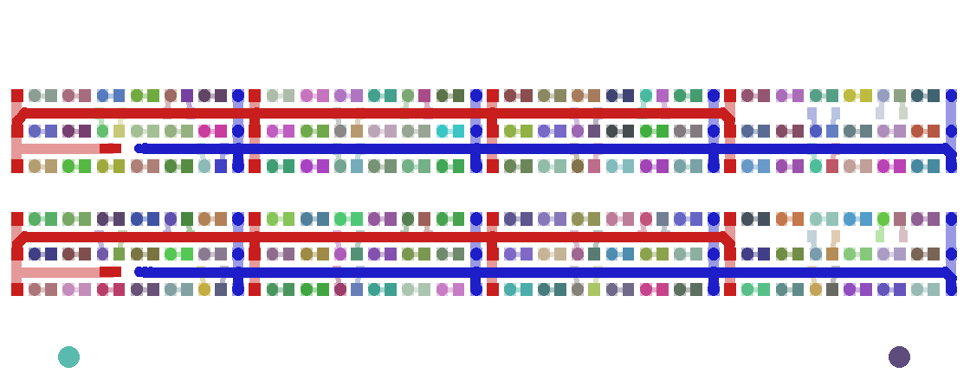
Gerber Renders (generated)
Composite: orange = top copper, blue = bottom copper, white = silk, black = holes, yellow = outline. Net map: red = PWR_SQ, blue = PWR_OB, other colours = string nodes.

FL285182_composite.png
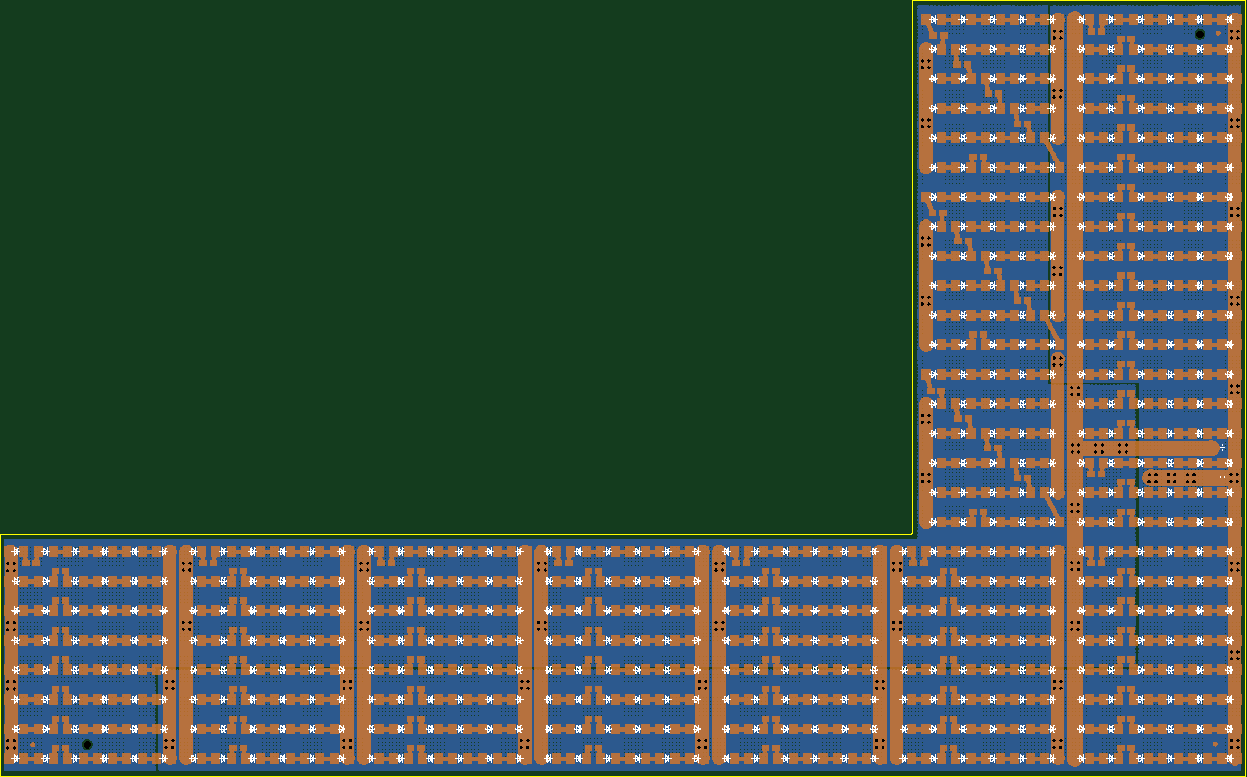

FL285182_netmap.png
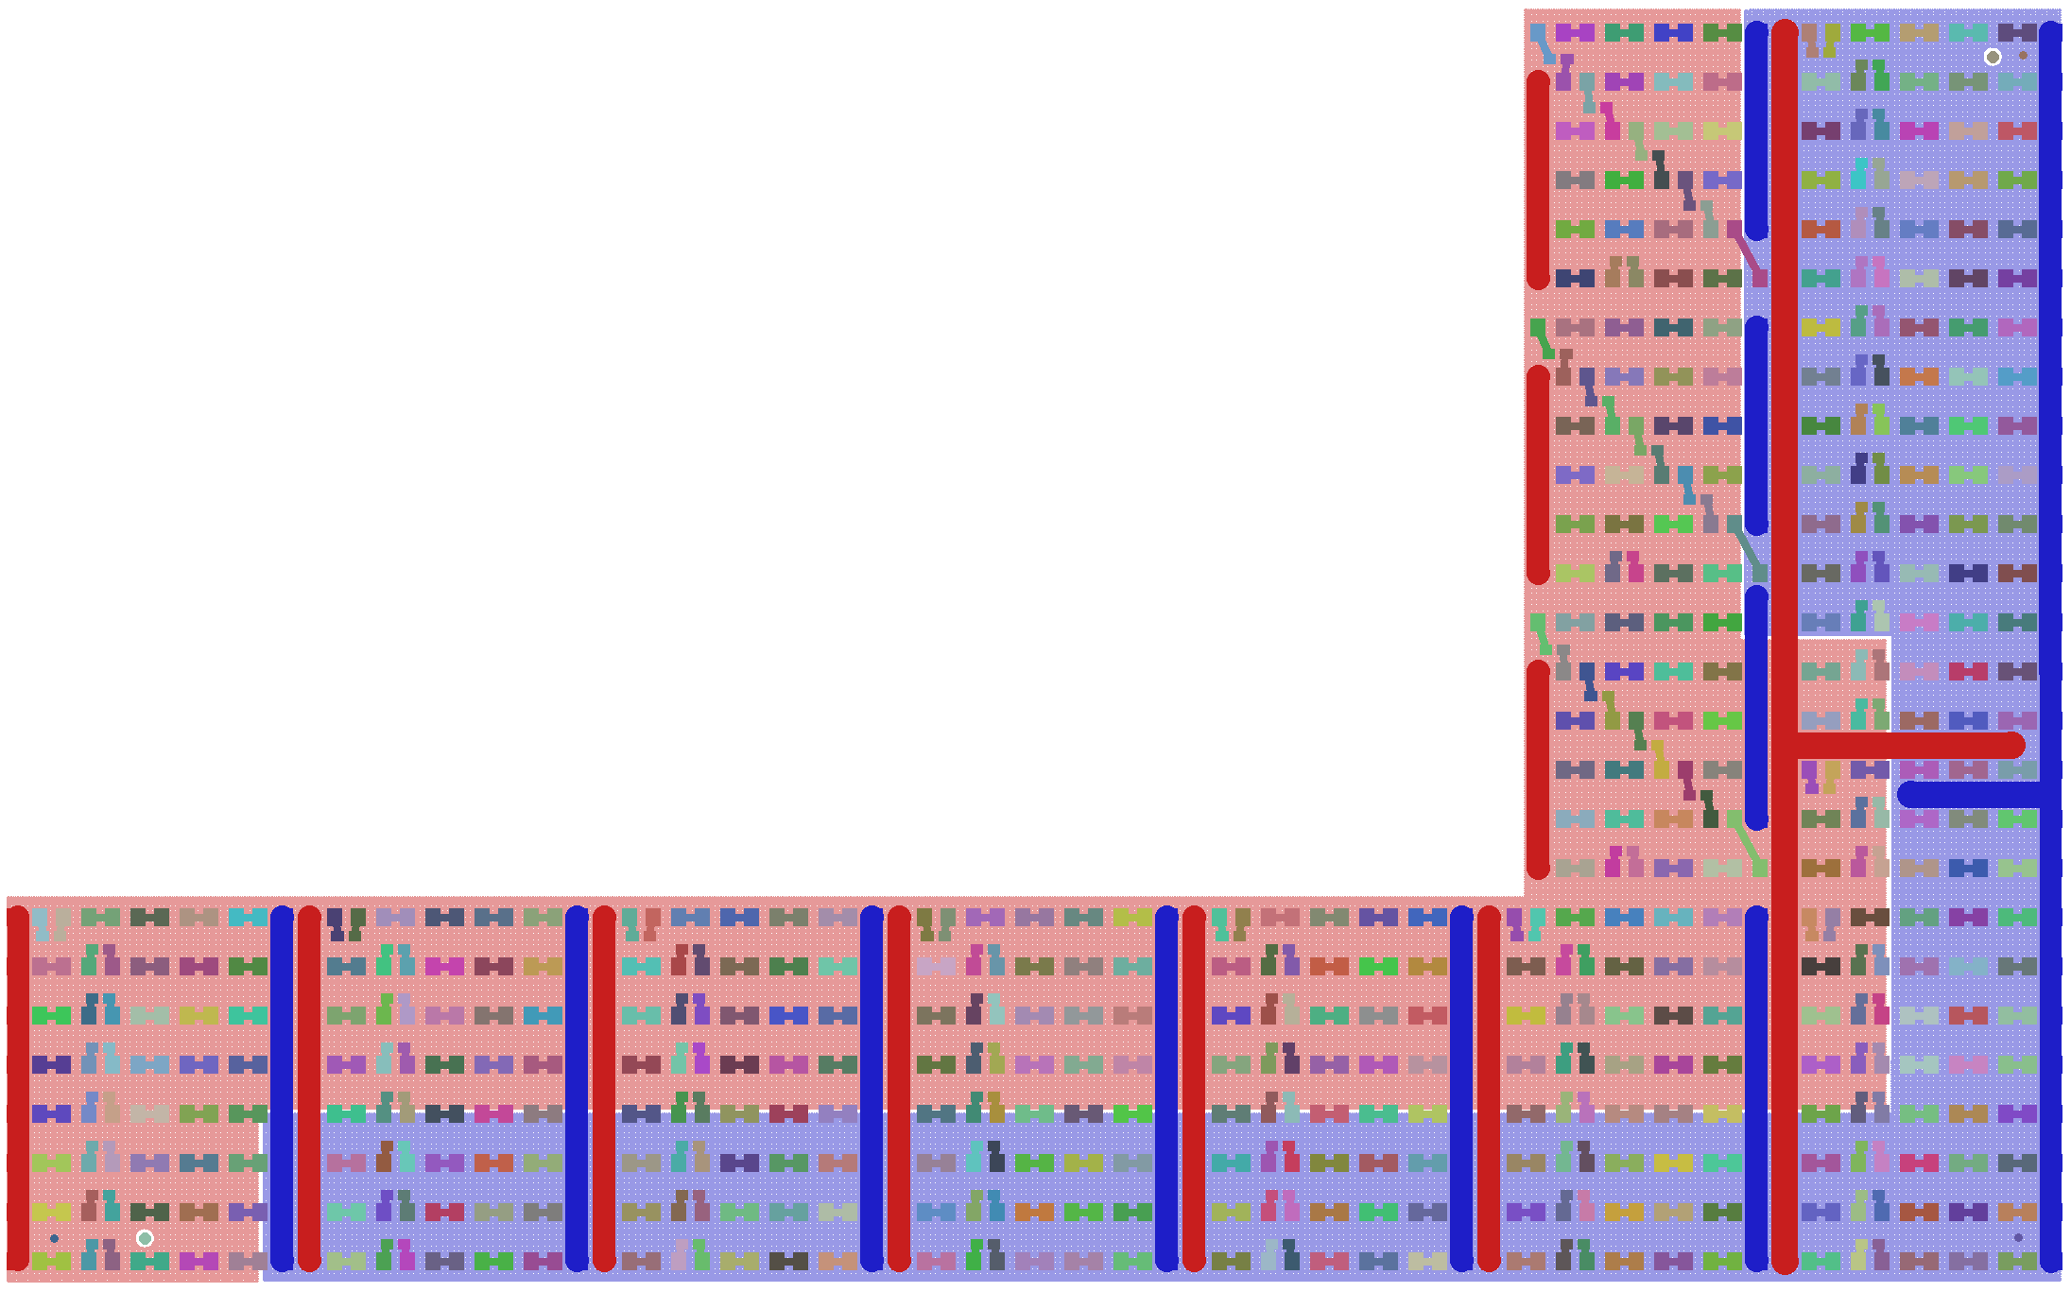

LI15020_composite.png
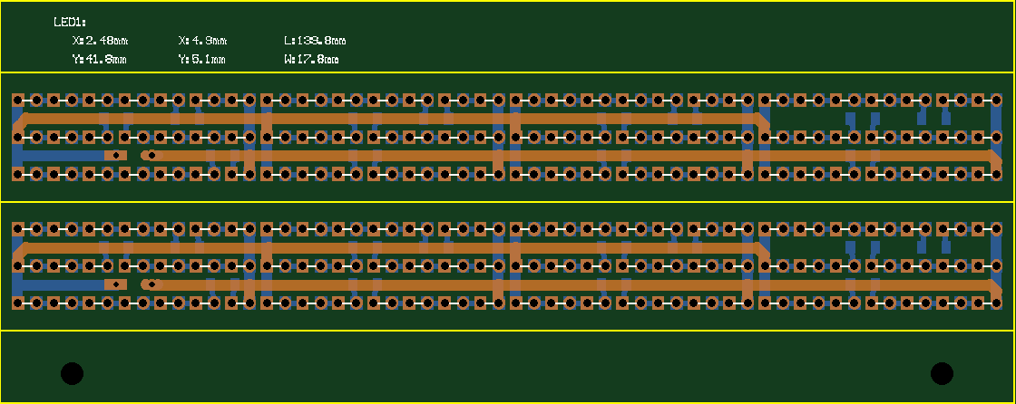

LI15020_netmap.png

