Background
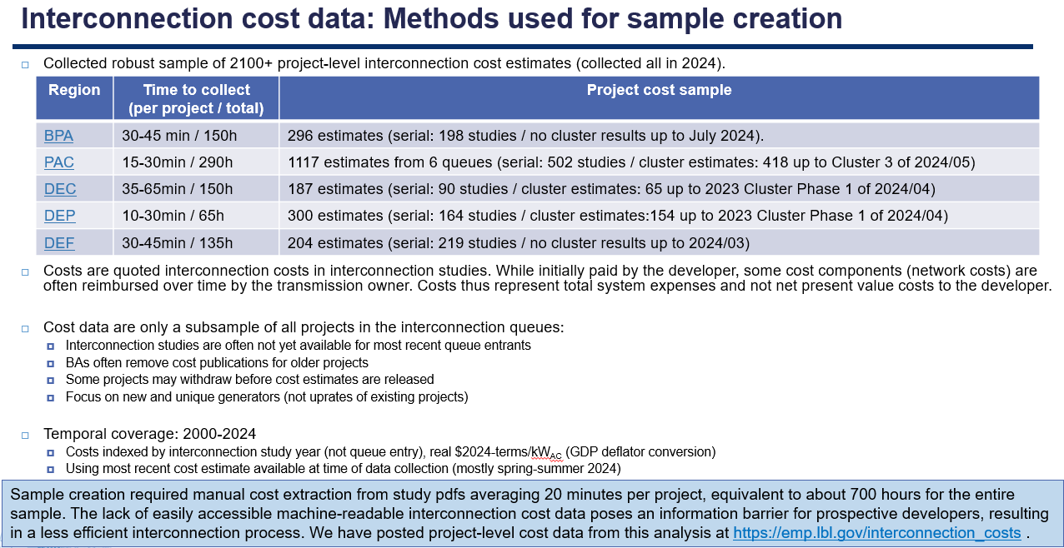

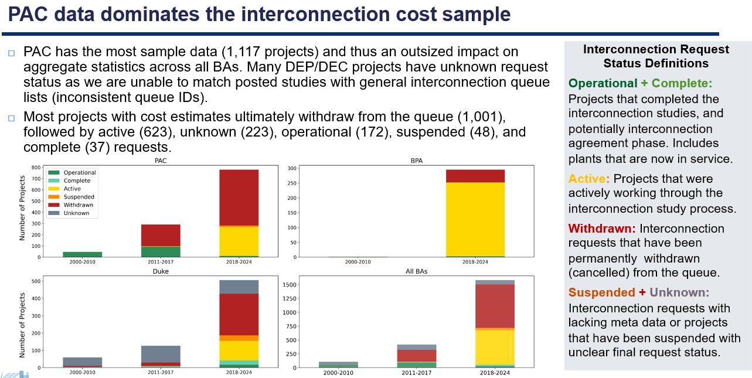

Costs by Market Structure
Recent interconnection costs in our BA sample are higher than in ISOs
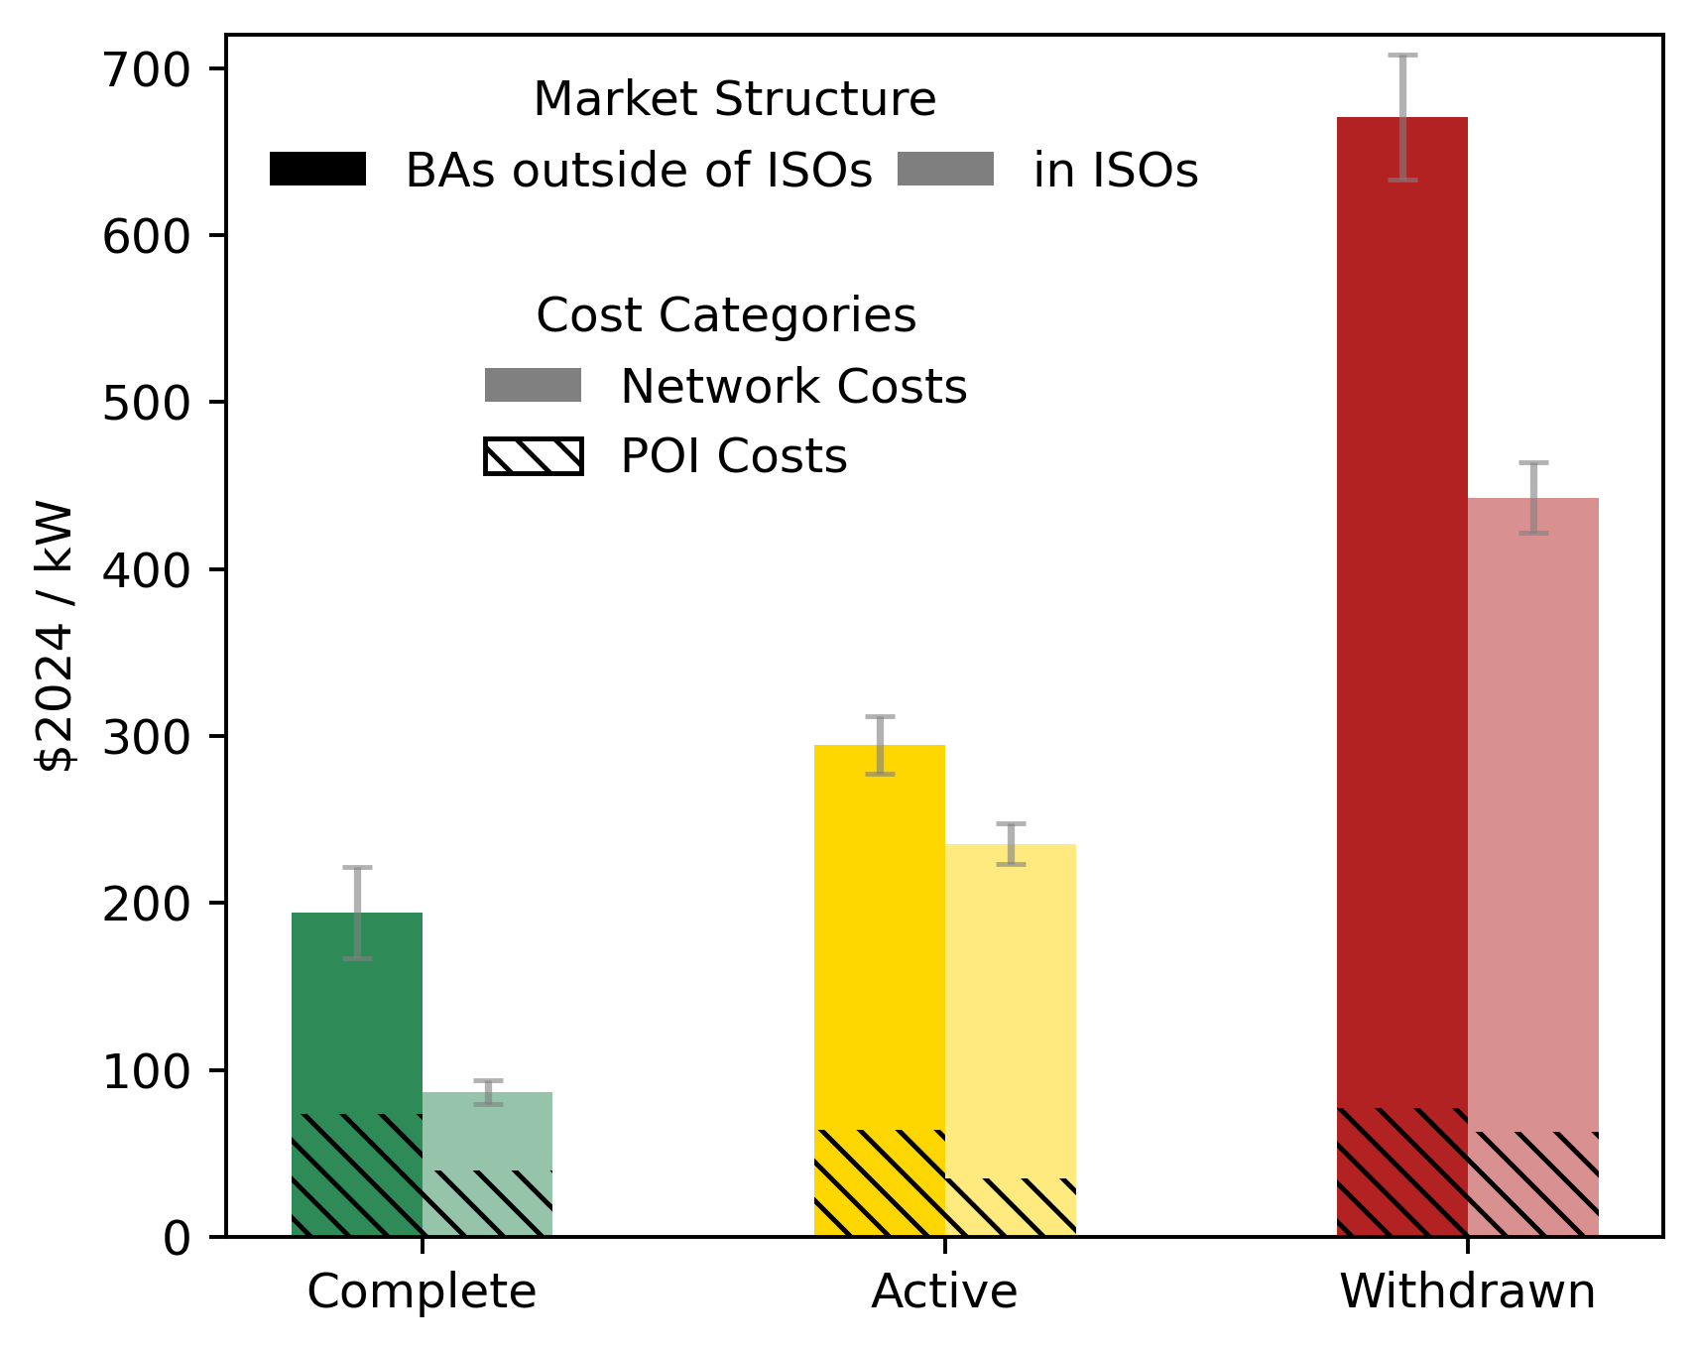

Past Berkeley Lab research collected interconnection data from five ISOs (MISO, SPP, PJM, NYISO and ISO-NE). It is not included in the Project Cost Data Sheet but available here: https://emp.lbl.gov/interconnection_costs
The ISO sample is dominated by regions with low population and transmission density (MISO and SPP) and has a similar fuel mix, making it roughly comparable to the non-ISO BAs.
ISOs interconnection cost data are from MISO (n=1280), SPP (815), PJM (783), NYISO (109), and ISO-NE (58) from studies conducted between 2018 and 2023.
Non-ISO data are from PAC (766), BPA (295), and Duke Energy (395) from studies conducted between 2018 and 2024.

Market | Request Status | Project Count | Average POI Costs ($2024/kW) | Average Network Costs ($2024/kW) | Total Standard Error
ISO | Active | 1286 | $35.30 | $200.08 | $12.24
ISO | Complete | 696 | $39.51 | $47.21 | $7.04
ISO | Withdrawn | 1029 | $63.04 | $379.46 | $21.06
Non-ISO BA | Active | 619 | $64.44 | $230.00 | $17.15
Non-ISO BA | Complete+Operational | 56 | $73.90 | $120.31 | $27.40
Non-ISO BA | Withdrawn+Suspended | 781 | $77.24 | $593.62 | $37.54

Total Costs Over Time
Interconnection costs have increased since the early 2000s and are higher for projects that ultimately withdraw
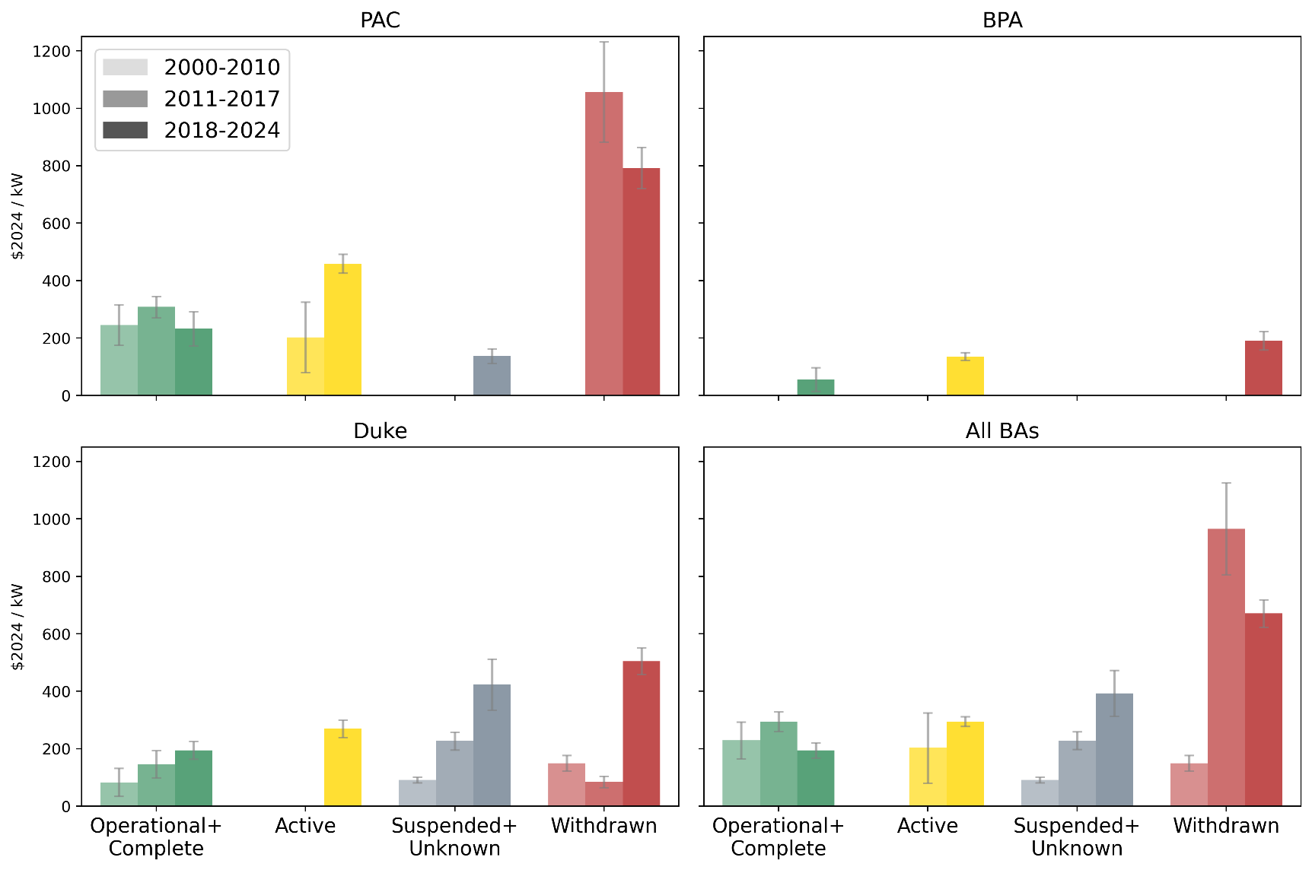

Balancing Authority | Request Status | Study Period | Project Count | Average Total Costs ($2024/kW) | Standard Error
PAC | Operational+Complete | 2000-2010 | 47 | $245.29 | $70.67
PAC | Operational+Complete | 2011-2017 | 92 | $308.44 | $36.76
PAC | Operational+Complete | 2018-2024 | 11 | $232.48 | $59.62
PAC | Active | 2011-2017 | 4 | $202.69 | $122.51
PAC | Active | 2018-2024 | 257 | $459.11 | $33.13
PAC | Suspended+Unknown | 2018-2024 | 13 | $137.79 | $25.13
PAC | Withdrawn | 2011-2017 | 193 | $1,056.87 | $174.64
PAC | Withdrawn | 2018-2024 | 498 | $792.25 | $70.83
BPA | Operational+Complete | 2018-2024 | 3 | $55.69 | $41.42
BPA | Active | 2018-2024 | 249 | $135.80 | $13.70
BPA | Withdrawn | 2018-2024 | 43 | $190.70 | $32.49
Duke | Operational+Complete | 2000-2010 | 4 | $82.91 | $48.43
Duke | Operational+Complete | 2011-2017 | 9 | $145.85 | $47.89
Duke | Operational+Complete | 2018-2024 | 42 | $194.09 | $30.47
Duke | Active | 2018-2024 | 113 | $269.47 | $29.98
Duke | Suspended+Unknown | 2000-2010 | 48 | $91.26 | $10.00
Duke | Suspended+Unknown | 2011-2017 | 98 | $226.75 | $31.24
Duke | Suspended+Unknown | 2018-2024 | 110 | $423.49 | $89.01
Duke | Withdrawn | 2000-2010 | 7 | $149.74 | $27.26
Duke | Withdrawn | 2011-2017 | 20 | $84.74 | $19.48
Duke | Withdrawn | 2018-2024 | 240 | $505.00 | $45.87
All BAs | Operational+Complete | 2000-2010 | 52 | $228.95 | $64.28
All BAs | Operational+Complete | 2011-2017 | 101 | $293.95 | $34.03
All BAs | Operational+Complete | 2018-2024 | 56 | $194.22 | $25.95
All BAs | Active | 2000-2010 | 0
All BAs | Active | 2011-2017 | 4 | $202.69 | $122.51
All BAs | Active | 2018-2024 | 619 | $294.44 | $16.84
All BAs | Suspended+Unknown | 2000-2010 | 48 | $91.26 | $10.00
All BAs | Suspended+Unknown | 2011-2017 | 100 | $228.00 | $30.63
All BAs | Suspended+Unknown | 2018-2024 | 123 | $393.29 | $80.00
All BAs | Withdrawn | 2000-2010 | 7 | $149.74 | $27.26
All BAs | Withdrawn | 2011-2017 | 213 | $965.59 | $159.41
All BAs | Withdrawn | 2018-2024 | 781 | $670.86 | $47.74

Costs by POI and Network
Broader network upgrades drive recent interconnection cost increases
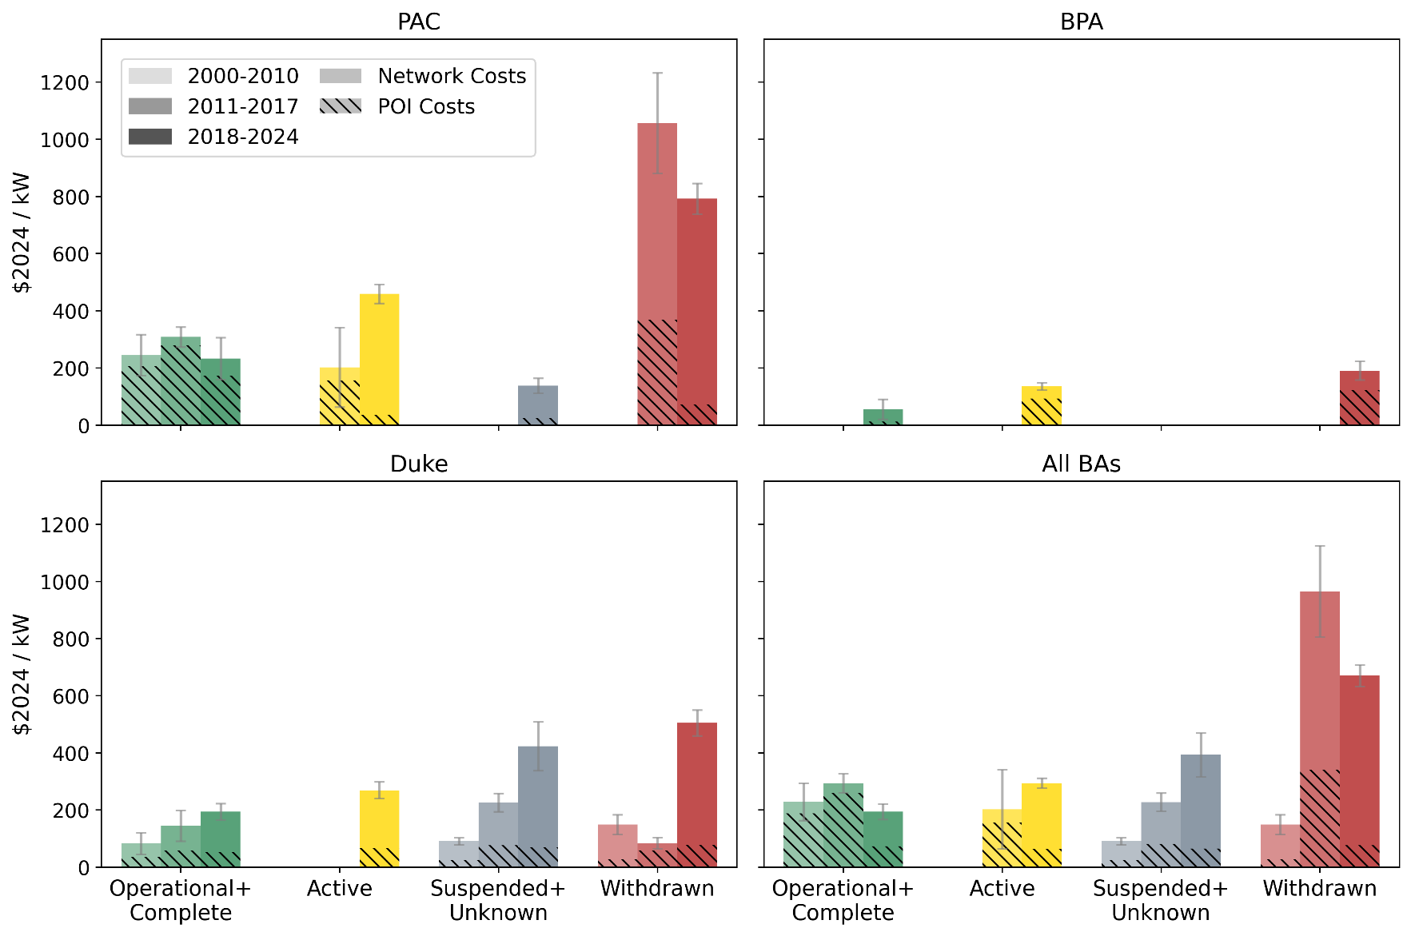
 |  |  |  |  |  | Interconnection Cost Components

 |  |  |  |  |  | Point of Interconnection (POI) or Interconnection / Attachment Facilities Costs:
 |  |  |  |  |  | •Interconnection station and transmission line extensions
 |  |  |  |  |  | •Often excludes other infrastructure (step-up transformer, spur lines…)

 |  |  |  |  |  | Network Costs:
 |  |  |  |  |  | •Broader transmission network upgrades triggered by reliability or stability violations caused by a new generator.
 |  |  |  |  |  | •May require modest upgrades (breakers) or reconstruction of several high-voltage transmission lines.
 |  |  |  |  |  | •Costs may be shared by multiple generators that contribute to the upgrade.
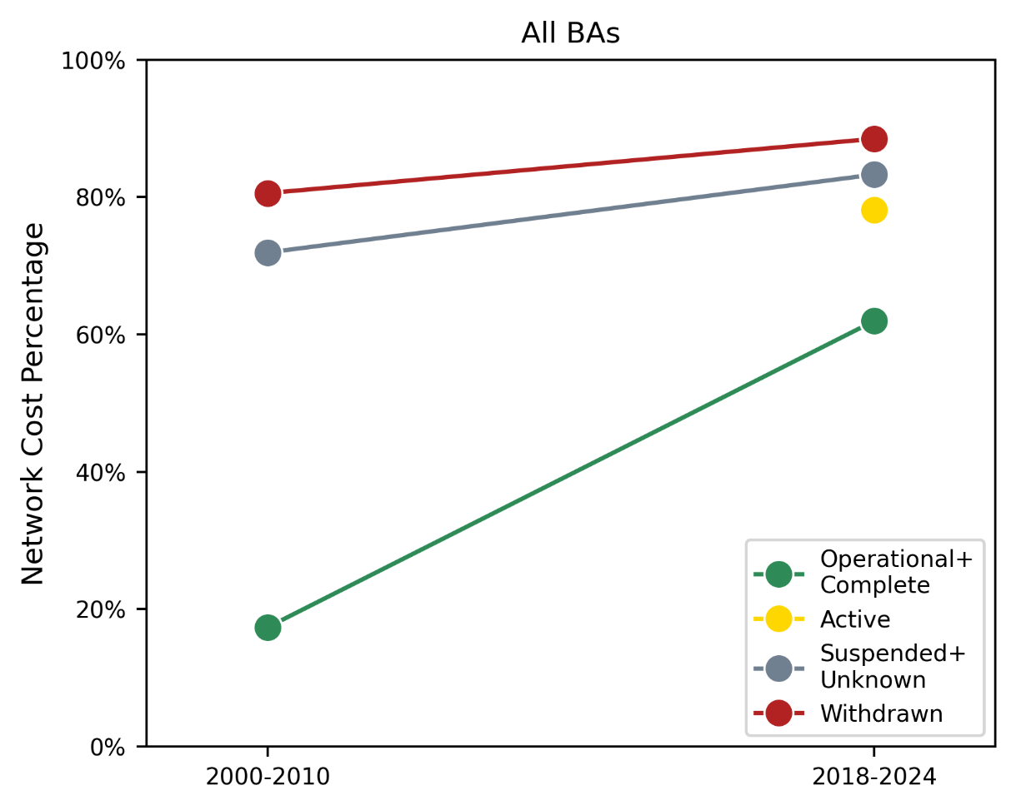

Balancing Authority | Request Status | Study Period | Project Count | Average POI Costs ($2024/kW) | Average Network Costs ($2024/kW) | Total Standard Error
PAC | Operational+Complete | 2000-2010 | 47 | $205.78 | $39.51 | $71.51
PAC | Operational+Complete | 2011-2017 | 92 | $279.77 | $28.67 | $35.24
PAC | Operational+Complete | 2018-2024 | 11 | $174.23 | $58.25 | $73.52
PAC | Active | 2011-2017 | 4 | $157.16 | $45.53 | $138.83
PAC | Active | 2018-2024 | 257 | $35.78 | $423.33 | $33.15
PAC | Suspended+Unknown | 2018-2024 | 13 | $24.37 | $113.42 | $25.94
PAC | Withdrawn | 2011-2017 | 193 | $369.54 | $687.33 | $175.79
PAC | Withdrawn | 2018-2024 | 498 | $72.46 | $719.79 | $53.71
BPA | Operational+Complete | 2018-2024 | 3 | $12.37 | $43.31 | $34.99
BPA | Active | 2018-2024 | 249 | $92.61 | $43.18 | $13.10
BPA | Withdrawn | 2018-2024 | 43 | $122.84 | $67.86 | $32.25
Duke | Operational+Complete | 2000-2010 | 4 | $35.25 | $47.66 | $37.96
Duke | Operational+Complete | 2011-2017 | 9 | $59.36 | $86.49 | $54.03
Duke | Operational+Complete | 2018-2024 | 42 | $52.02 | $142.07 | $29.40
Duke | Active | 2018-2024 | 113 | $67.52 | $201.95 | $29.19
Duke | Suspended+Unknown | 2000-2010 | 48 | $25.61 | $65.64 | $12.49
Duke | Suspended+Unknown | 2011-2017 | 98 | $77.39 | $149.36 | $31.76
Duke | Suspended+Unknown | 2018-2024 | 110 | $70.67 | $352.81 | $85.48
Duke | Withdrawn | 2000-2010 | 7 | $29.09 | $120.64 | $34.69
Duke | Withdrawn | 2011-2017 | 20 | $58.47 | $26.27 | $19.60
Duke | Withdrawn | 2018-2024 | 240 | $78.97 | $426.03 | $44.90
All BAs | Operational+Complete | 2000-2010 | 52 | $189.19 | $39.76 | $65.01
All BAs | Operational+Complete | 2011-2017 | 101 | $260.13 | $33.82 | $33.05
All BAs | Operational+Complete | 2018-2024 | 56 | $73.90 | $120.31 | $27.40
All BAs | Active | 2000-2010 | 0
All BAs | Active | 2011-2017 | 4 | $157.16 | $45.53 | $138.83
All BAs | Active | 2018-2024 | 619 | $64.44 | $230.00 | $17.15
All BAs | Suspended+Unknown | 2000-2010 | 48 | $25.61 | $65.64 | $12.49
All BAs | Suspended+Unknown | 2011-2017 | 100 | $81.59 | $146.41 | $31.34
All BAs | Suspended+Unknown | 2018-2024 | 123 | $65.78 | $327.51 | $76.75
All BAs | Withdrawn | 2000-2010 | 7 | $29.09 | $120.64 | $34.69
All BAs | Withdrawn | 2011-2017 | 213 | $340.33 | $625.26 | $159.93
All BAs | Withdrawn | 2018-2024 | 781 | $77.24 | $593.62 | $37.54

Costs by Fuel Type
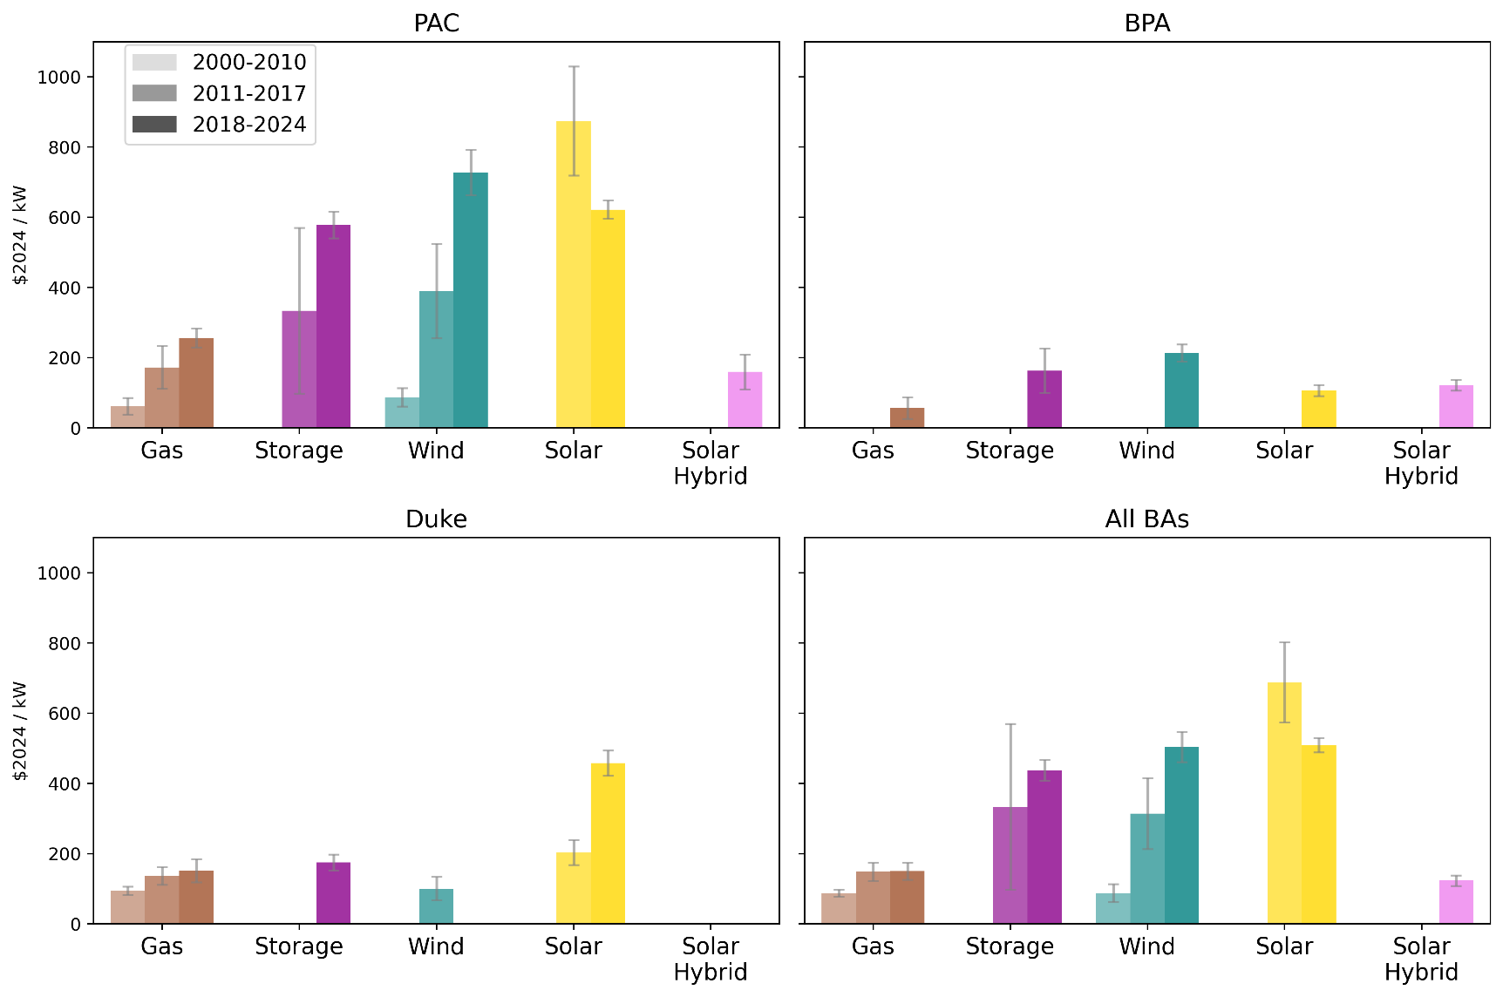
Interconnection costs have grown for most fuel types over time |  |  |  |  |  | Solar, wind, and storage projects that complete all studies have interconnection costs more like natural gas projects
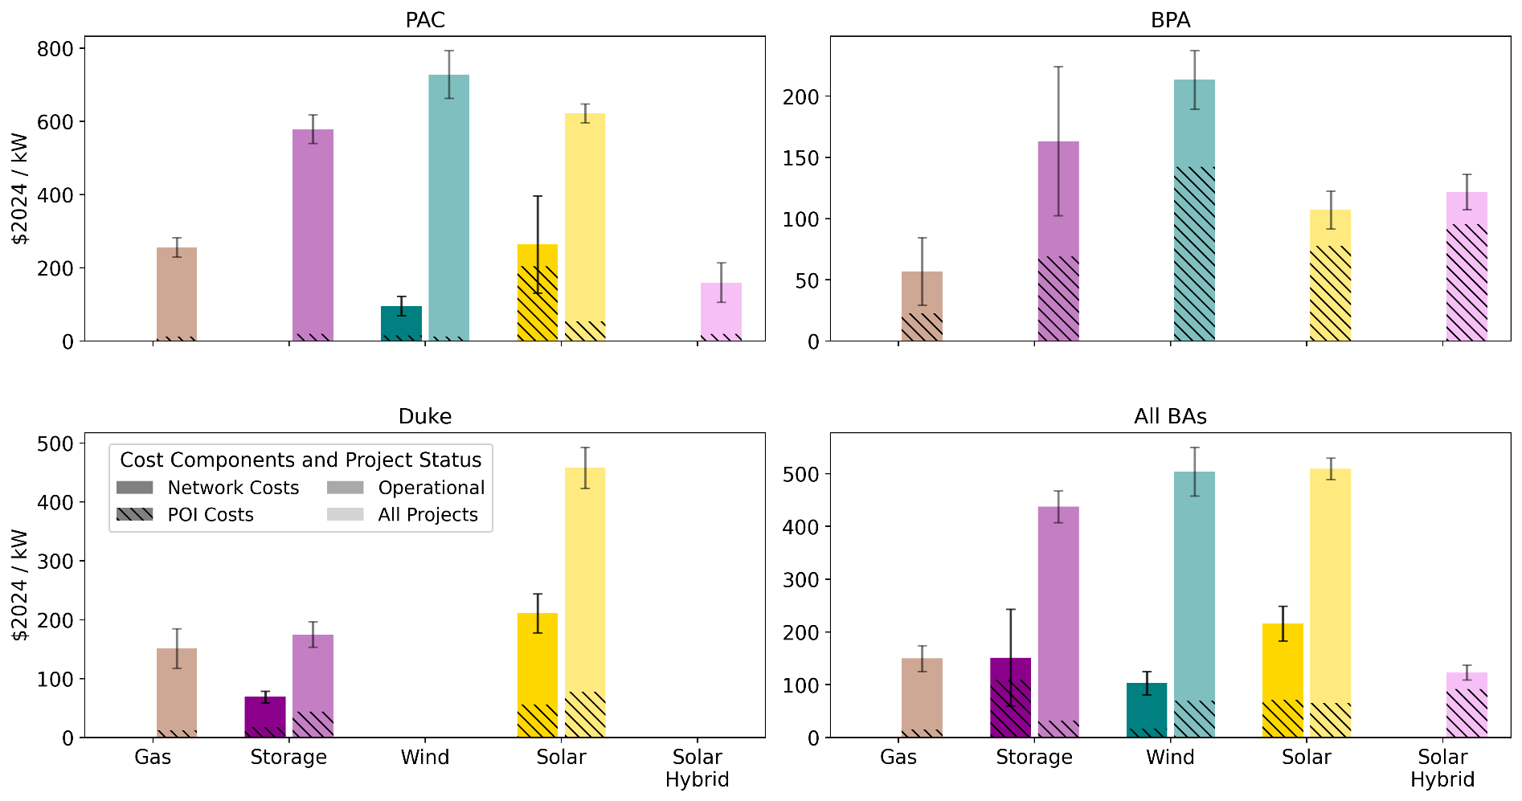

All Request Statuses |  |  |  |  |  | Recently Studied Projects
Balancing Authority | Fuel Type | Study Period | Project Count | Average Total Costs ($2024/kW) | Standard Error | Balancing Authority | Fuel Type | Study Period | Request Status | Project Count | Average POI Costs ($2024/kW) | Average Network Costs ($2024/kW) | Total Standard Error
PAC | Gas | 2000-2010 | 8 | $62.25 | $23.42 | PAC | Gas | 2018-2024 | All Request Statuses | 5 | $13.26 | $243.31 | $26.26
PAC | Gas | 2011-2017 | 12 | $172.43 | $61.20 | PAC | Storage | 2018-2024 | All Request Statuses | 184 | $19.41 | $559.05 | $38.84
PAC | Gas | 2018-2024 | 5 | $256.57 | $27.03 | PAC | Wind | 2018-2024 | All Request Statuses | 87 | $13.06 | $714.73 | $65.05
PAC | Storage | 2011-2017 | 4 | $333.79 | $236.17 | PAC | Wind | 2018-2024 | Operational+Complete | 5 | $15.45 | $80.47 | $26.11
PAC | Storage | 2018-2024 | 184 | $578.46 | $38.41 | PAC | Solar | 2018-2024 | All Request Statuses | 484 | $53.82 | $568.20 | $25.96
PAC | Wind | 2000-2010 | 20 | $87.28 | $25.90 | PAC | Solar | 2018-2024 | Operational+Complete | 4 | $204.50 | $59.61 | $132.30
PAC | Wind | 2011-2017 | 28 | $390.44 | $134.58 | PAC | Solar Hybrid | 2018-2024 | All Request Statuses | 4 | $19.93 | $139.82 | $53.72
PAC | Wind | 2018-2024 | 87 | $727.80 | $64.67 | BPA | Gas | 2018-2024 | All Request Statuses | 6 | $22.82 | $34.11 | $27.60
PAC | Solar | 2011-2017 | 200 | $874.74 | $155.20 | BPA | Storage | 2018-2024 | All Request Statuses | 41 | $69.06 | $94.15 | $60.84
PAC | Solar | 2018-2024 | 484 | $622.02 | $26.01 | BPA | Wind | 2018-2024 | All Request Statuses | 67 | $142.39 | $71.05 | $23.74
PAC | Solar Hybrid | 2018-2024 | 4 | $159.75 | $49.01 | BPA | Solar | 2018-2024 | All Request Statuses | 82 | $77.90 | $29.28 | $15.60
BPA | Gas | 2018-2024 | 6 | $56.93 | $30.52 | BPA | Solar Hybrid | 2018-2024 | All Request Statuses | 96 | $95.22 | $26.54 | $14.42
BPA | Storage | 2018-2024 | 41 | $163.22 | $63.38 | Duke | Gas | 2018-2024 | All Request Statuses | 16 | $12.47 | $138.87 | $33.62
BPA | Wind | 2018-2024 | 67 | $213.44 | $24.09 | Duke | Storage | 2018-2024 | All Request Statuses | 56 | $44.02 | $130.88 | $21.58
BPA | Solar | 2018-2024 | 82 | $107.18 | $16.12 | Duke | Storage | 2018-2024 | Operational+Complete | 5 | $18.08 | $50.98 | $9.79
BPA | Solar Hybrid | 2018-2024 | 96 | $121.76 | $15.41 | Duke | Solar | 2018-2024 | All Request Statuses | 417 | $78.13 | $379.60 | $35.16
Duke | Gas | 2000-2010 | 29 | $94.57 | $11.89 | Duke | Solar | 2018-2024 | Operational+Complete | 37 | $56.61 | $154.37 | $32.80
Duke | Gas | 2011-2017 | 25 | $136.16 | $25.04 | All BAs | Gas | 2018-2024 | All Request Statuses | 27 | $14.91 | $134.93 | $24.70
Duke | Gas | 2018-2024 | 16 | $151.34 | $32.77 | All BAs | Storage | 2018-2024 | All Request Statuses | 281 | $31.56 | $405.89 | $30.03
Duke | Storage | 2018-2024 | 56 | $174.90 | $22.40 | All BAs | Storage | 2018-2024 | Operational+Complete | 6 | $109.04 | $42.48 | $91.71
Duke | Wind | 2011-2017 | 10 | $100.38 | $33.06 | All BAs | Wind | 2018-2024 | All Request Statuses | 154 | $69.33 | $434.69 | $46.28
Duke | Solar | 2011-2017 | 77 | $203.02 | $35.72 | All BAs | Wind | 2018-2024 | Operational+Complete | 6 | $17.33 | $85.69 | $22.03
Duke | Solar | 2018-2024 | 417 | $457.73 | $36.15 | All BAs | Solar | 2018-2024 | All Request Statuses | 983 | $66.14 | $443.24 | $20.28
All BAs | Gas | 2000-2010 | 37 | $87.59 | $10.69 | All BAs | Solar | 2018-2024 | Operational+Complete | 41 | $71.04 | $145.13 | $32.71
All BAs | Gas | 2011-2017 | 37 | $147.93 | $25.72 | All BAs | Solar Hybrid | 2018-2024 | All Request Statuses | 100 | $92.21 | $31.07 | $14.22
All BAs | Gas | 2018-2024 | 27 | $149.85 | $24.14
All BAs | Storage | 2011-2017 | 4 | $333.79 | $236.17
All BAs | Storage | 2018-2024 | 281 | $437.45 | $29.49
All BAs | Wind | 2000-2010 | 20 | $87.28 | $25.90
All BAs | Wind | 2011-2017 | 38 | $314.11 | $101.24
All BAs | Wind | 2018-2024 | 154 | $504.02 | $43.15
All BAs | Solar | 2011-2017 | 277 | $688.01 | $113.86
All BAs | Solar | 2018-2024 | 983 | $509.38 | $20.54
All BAs | Solar Hybrid | 2018-2024 | 100 | $123.28 | $14.91

Costs by Service Type
Network upgrade costs are greater for capacity interconnection services
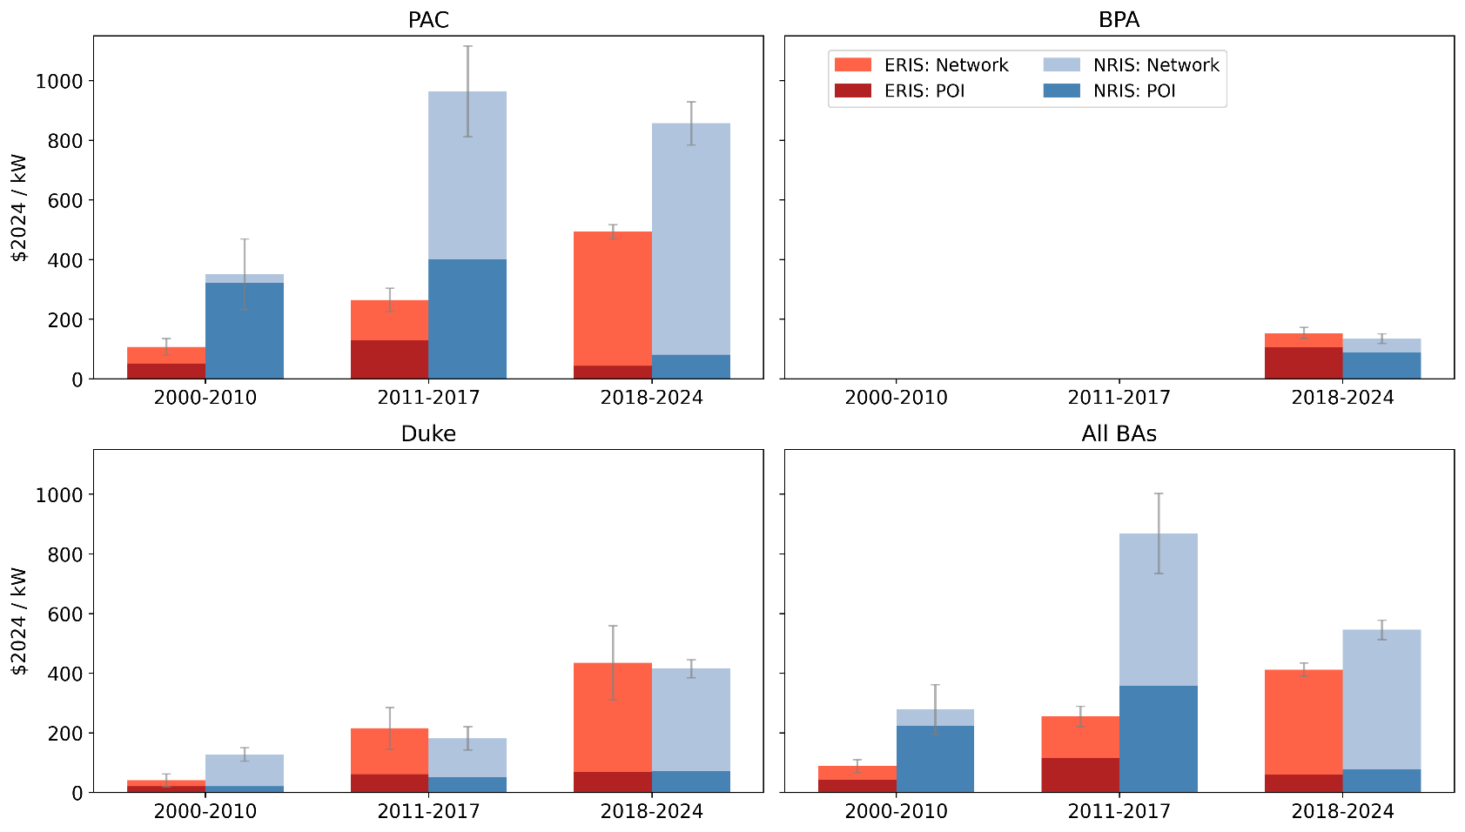
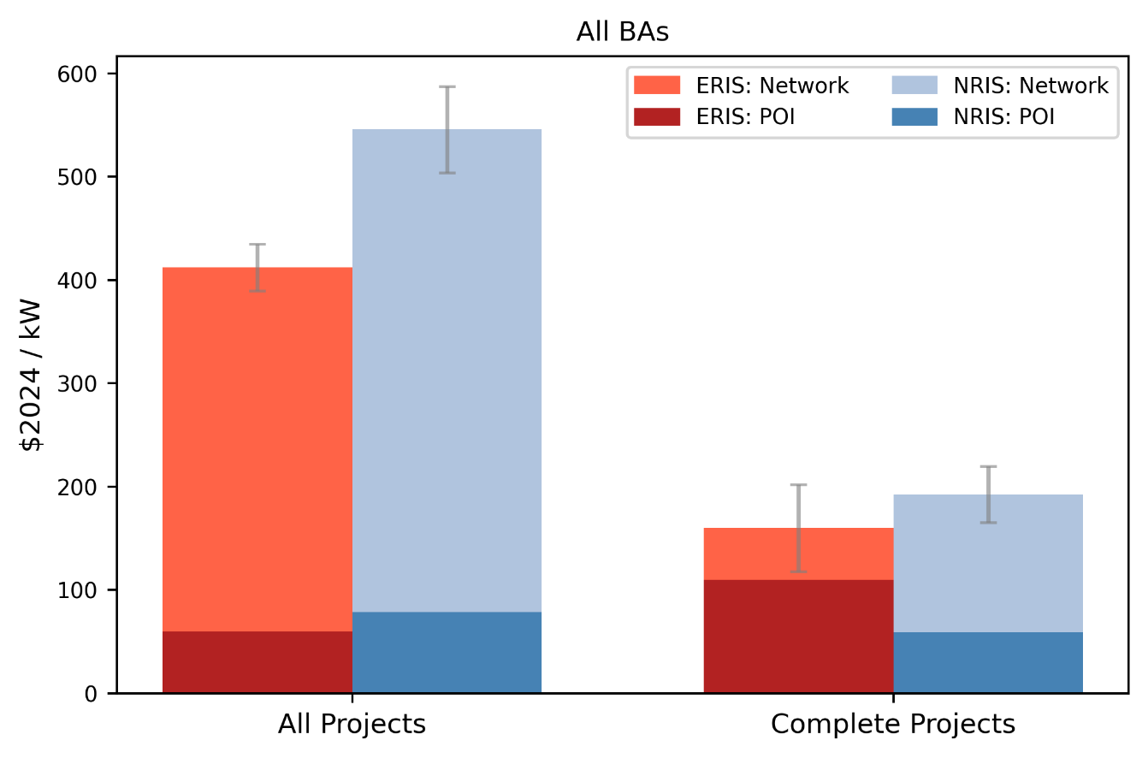

Some applicants request joint “ERIS/NRIS” service and interconnection studies only return one cost estimate. We include these data points in both the ERIS and NRIS mean statistics.

All Request Statuses |  |  |  |  |  |  | Recently Studied Projects
Balancing Authority | Study Period | Service Type | Project Count | Average POI Costs ($2024/kW) | Average Network Costs ($2024/kW) | Total Standard Error | Balancing Authority | Study Period | Service Type | Request Status | Average POI Costs ($2024/kW) | Average Network Costs ($2024/kW) | Average Total Costs ($2024/kW) | Standard Error
PAC | 2018-2024 | NRIS | 364 | $81.13 | $775.88 | $72.37 | All BAs | 2018-2024 | ERIS | All Projects | 59.85 | 352.52 | 412.38 | 22.74
PAC | 2018-2024 | ERIS | 415 | $43.33 | $450.47 | $23.65 | All BAs | 2018-2024 | NRIS | All Projects | 78.67 | 467.12 | 545.79 | 41.6
PAC | 2011-2017 | NRIS | 224 | $400.04 | $564.32 | $152.68 | All BAs | 2018-2024 | ERIS | Complete Projects | 109.73 | 50.45 | 160.18 | 41.92
PAC | 2011-2017 | ERIS | 67 | $129.19 | $135.39 | $39.19 | All BAs | 2018-2024 | NRIS | Complete Projects | 59.38 | 133.25 | 192.63 | 27.36
PAC | 2000-2010 | NRIS | 27 | $321.26 | $29.86 | $118.93
PAC | 2000-2010 | ERIS | 19 | $52.13 | $55.14 | $28.02
BPA | 2000-2010 | ERIS | 0
BPA | 2000-2010 | NRIS | 0 |  |  |  | Interconnection Service Definitions
BPA | 2011-2017 | ERIS | 0 |  |  |  | •Network resource interconnection service (NRIS): Comparable transmission access as existing generators by transmission provider to serve native load and count towards resource adequacy needs. May need to pay for additional transmission upgrades compared to ERIS.
BPA | 2011-2017 | NRIS | 0 |  |  |  | •Energy resource interconnection service (ERIS): Deliver output using existing transmission capacity on an “as available” basis, no right to deliver electricity to specific customer.
BPA | 2018-2024 | ERIS | 137 | $104.76 | $49.37 | $19.00
BPA | 2018-2024 | NRIS | 151 | $89.33 | $46.05 | $15.83
Duke | 2018-2024 | NRIS | 394 | $72.30 | $343.25 | $29.68
Duke | 2018-2024 | ERIS | 69 | $70.03 | $365.31 | $124.01
Duke | 2011-2017 | NRIS | 31 | $51.44 | $130.28 | $38.87
Duke | 2011-2017 | ERIS | 16 | $61.37 | $154.27 | $70.17
Duke | 2000-2010 | NRIS | 13 | $20.71 | $107.77 | $22.10
Duke | 2000-2010 | ERIS | 7 | $21.34 | $19.65 | $21.61
All BAs | 2000-2010 | ERIS | 26 | $43.84 | $45.58 | $21.46
All BAs | 2000-2010 | NRIS | 40 | $223.58 | $55.18 | $83.40
All BAs | 2011-2017 | ERIS | 83 | $116.11 | $139.03 | $34.36
All BAs | 2011-2017 | NRIS | 255 | $357.66 | $511.55 | $134.65
All BAs | 2018-2024 | ERIS | 621 | $59.85 | $352.52 | $22.33
All BAs | 2018-2024 | NRIS | 909 | $78.67 | $467.12 | $33.05

Costs by Size
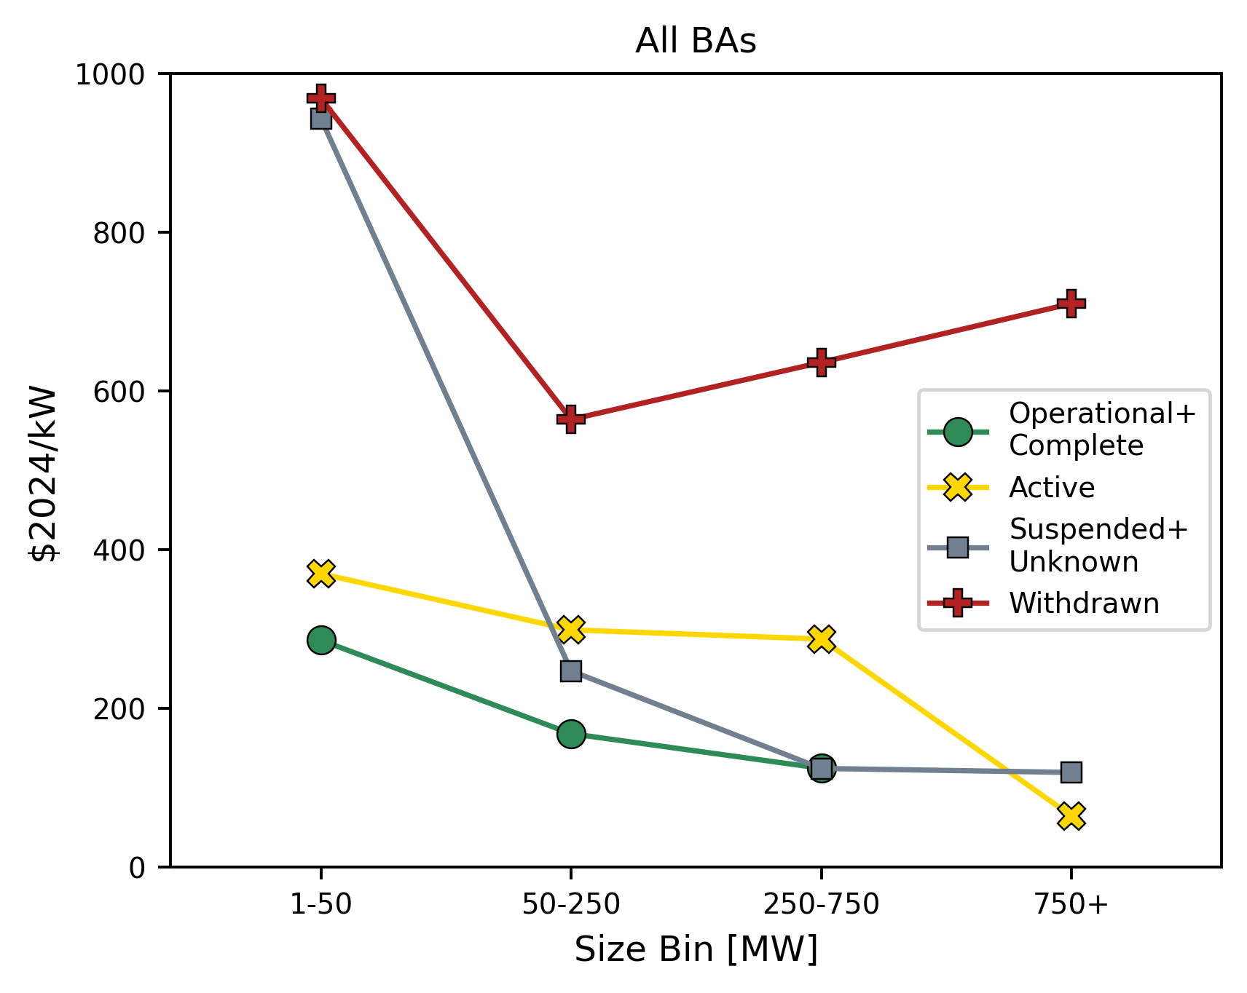
Larger recent generators have lower interconnection costs per kW
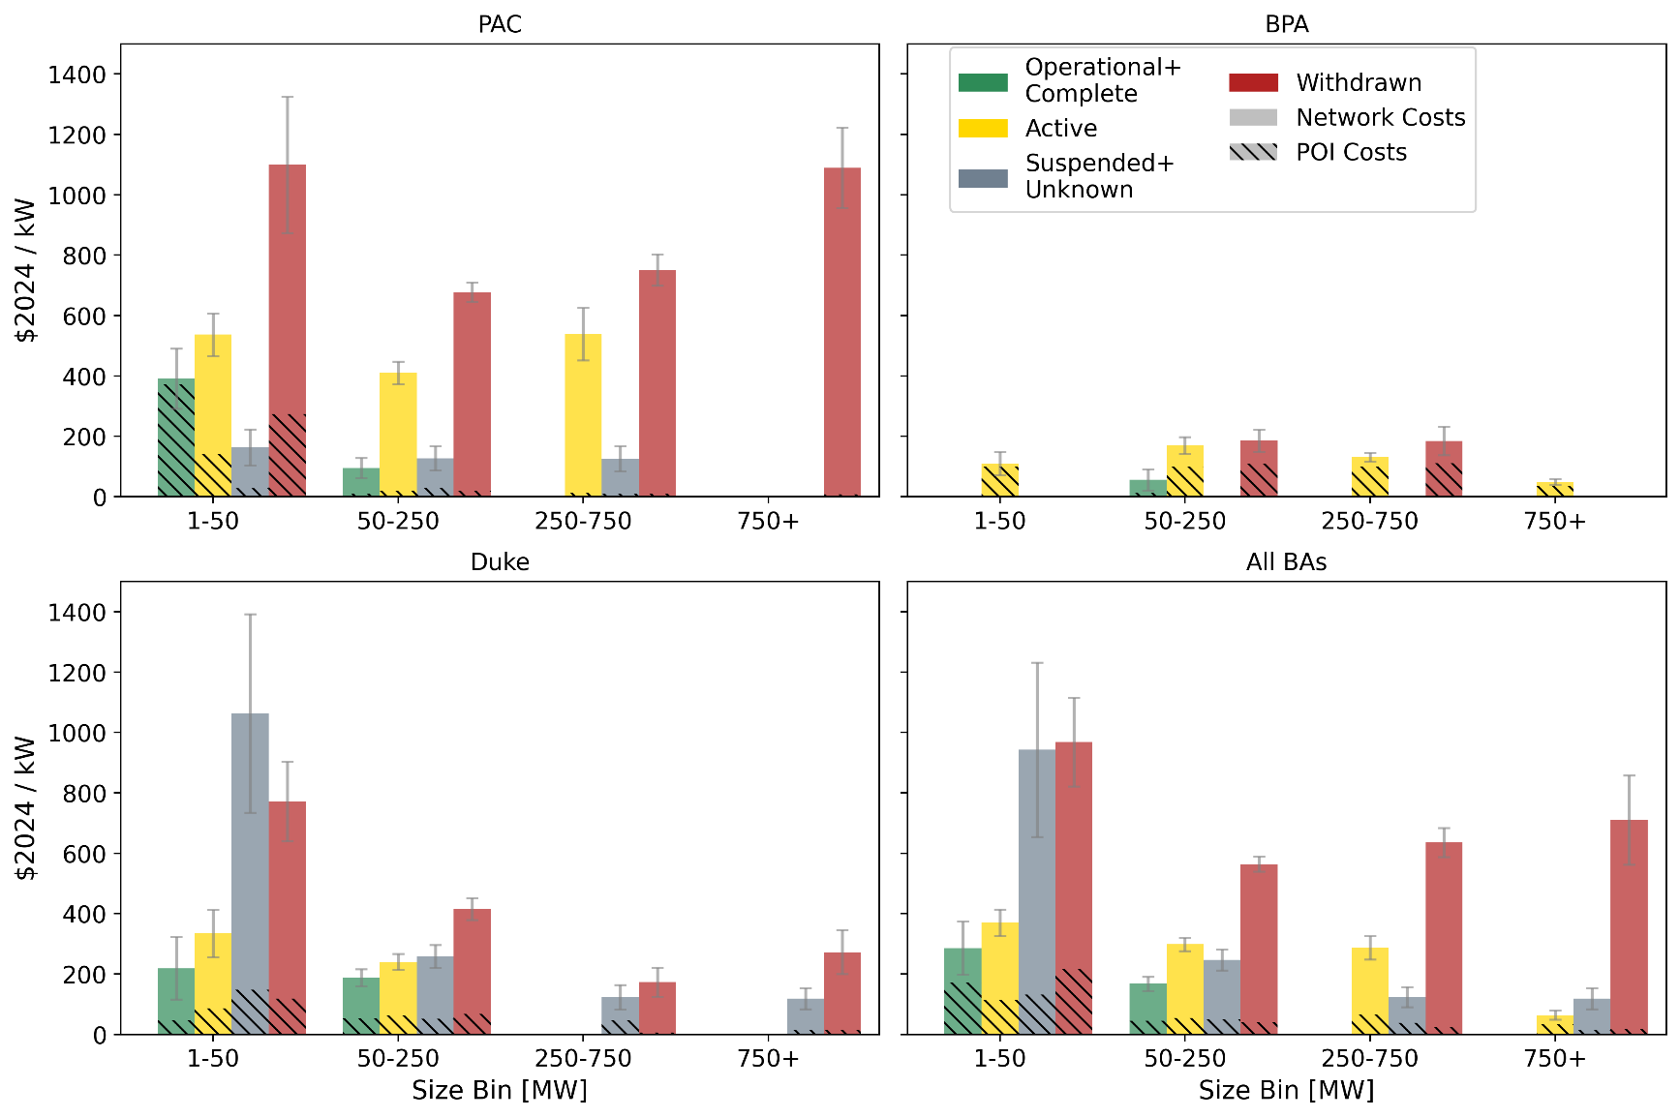

Averages represent studies performed in 2018-2024 studies and disregard earlier years.

Balancing Authority | Request Status | Capacity Bin (MW) | Study Period | Project Count | Average POI Costs ($2024/kW) | Average Network Costs ($2024/kW) | Total Standard Error
PAC | Operational+Complete | 1-50 | 2018-2024 | 5 | 372.2 | 19.26 | 99.54
PAC | Operational+Complete | 50-250 | 2018-2024 | 5 | 10.22 | 84.97 | 33.33
PAC | Active | 1-50 | 2018-2024 | 38 | 141.85 | 394.89 | 69.86
PAC | Active | 50-250 | 2018-2024 | 155 | 19.7 | 390.56 | 37.96
PAC | Active | 250-750 | 2018-2024 | 63 | 11.8 | 527.23 | 86.93
PAC | Suspended+Unknown | 1-50 | 2018-2024 | 4 | 28.11 | 135.19 | 59.35
PAC | Suspended+Unknown | 50-250 | 2018-2024 | 6 | 29.27 | 97.34 | 39.99
PAC | Suspended+Unknown | 250-750 | 2018-2024 | 3 | 9.6 | 116.56 | 41.55
PAC | Withdrawn | 1-50 | 2018-2024 | 109 | 274.53 | 824.99 | 225.12
PAC | Withdrawn | 50-250 | 2018-2024 | 275 | 18.62 | 658.99 | 32.02
PAC | Withdrawn | 250-750 | 2018-2024 | 106 | 9.28 | 741.99 | 52.07
PAC | Withdrawn | 750+ | 2018-2024 | 8 | 7.39 | 1082.36 | 133
BPA | Operational+Complete | 50-250 | 2018-2024 | 3 | 12.37 | 43.31 | 34.99
BPA | Active | 1-50 | 2018-2024 | 20 | 99.89 | 9.2 | 38.62
BPA | Active | 50-250 | 2018-2024 | 100 | 99.33 | 70.5 | 27.76
BPA | Active | 250-750 | 2018-2024 | 102 | 99.49 | 31.26 | 14.27
BPA | Active | 750+ | 2018-2024 | 27 | 36.37 | 12.25 | 9.74
BPA | Withdrawn | 50-250 | 2018-2024 | 19 | 109.88 | 75.29 | 36.33
BPA | Withdrawn | 250-750 | 2018-2024 | 20 | 110.39 | 74.32 | 47.25
Duke | Operational+Complete | 1-50 | 2018-2024 | 8 | 47.29 | 171.91 | 103.9
Duke | Operational+Complete | 50-250 | 2018-2024 | 34 | 53.14 | 135.04 | 27.93
Duke | Active | 1-50 | 2018-2024 | 33 | 86.85 | 247.32 | 77.83
Duke | Active | 50-250 | 2018-2024 | 76 | 62.47 | 177.59 | 27.19
Duke | Suspended+Unknown | 1-50 | 2018-2024 | 26 | 147.07 | 916.13 | 329.15
Duke | Suspended+Unknown | 50-250 | 2018-2024 | 64 | 51.63 | 206.42 | 37.56
Duke | Suspended+Unknown | 250-750 | 2018-2024 | 11 | 45.7 | 77.53 | 41.15
Duke | Suspended+Unknown | 750+ | 2018-2024 | 9 | 15.88 | 102.95 | 34.8
Duke | Withdrawn | 1-50 | 2018-2024 | 67 | 118.47 | 652.86 | 132.09
Duke | Withdrawn | 50-250 | 2018-2024 | 162 | 67.4 | 347.5 | 35.64
Duke | Withdrawn | 250-750 | 2018-2024 | 7 | 5.43 | 168.19 | 48.11
Duke | Withdrawn | 750+ | 2018-2024 | 4 | 14.21 | 258.25 | 72.6
All BAs | Operational+Complete | 1-50 | 2018-2024 | 13 | 172.25 | 113.2 | 87.68
All BAs | Operational+Complete | 50-250 | 2018-2024 | 42 | 45.12 | 122.53 | 23.46
All BAs | Active | 1-50 | 2018-2024 | 91 | 112.68 | 256.61 | 43.98
All BAs | Active | 50-250 | 2018-2024 | 331 | 53.58 | 244.96 | 22.09
All BAs | Active | 250-750 | 2018-2024 | 167 | 65.31 | 221.6 | 38.7
All BAs | Active | 750+ | 2018-2024 | 30 | 33 | 30.93 | 15.26
All BAs | Suspended+Unknown | 1-50 | 2018-2024 | 30 | 131.21 | 812 | 288.92
All BAs | Suspended+Unknown | 50-250 | 2018-2024 | 70 | 49.72 | 197.07 | 34.67
All BAs | Suspended+Unknown | 250-750 | 2018-2024 | 14 | 37.97 | 85.89 | 33.42
All BAs | Suspended+Unknown | 750+ | 2018-2024 | 9 | 15.88 | 102.95 | 34.8
All BAs | Withdrawn | 1-50 | 2018-2024 | 178 | 217.52 | 750.93 | 146.65
All BAs | Withdrawn | 50-250 | 2018-2024 | 456 | 39.75 | 524.01 | 24.55
All BAs | Withdrawn | 250-750 | 2018-2024 | 133 | 24.28 | 611.39 | 47.88
All BAs | Withdrawn | 750+ | 2018-2024 | 14 | 17.53 | 692.28 | 148.04

Costs by Distance
Distance between POI and high voltage transmission lines does not seem to be primary driver for network upgrade costs.
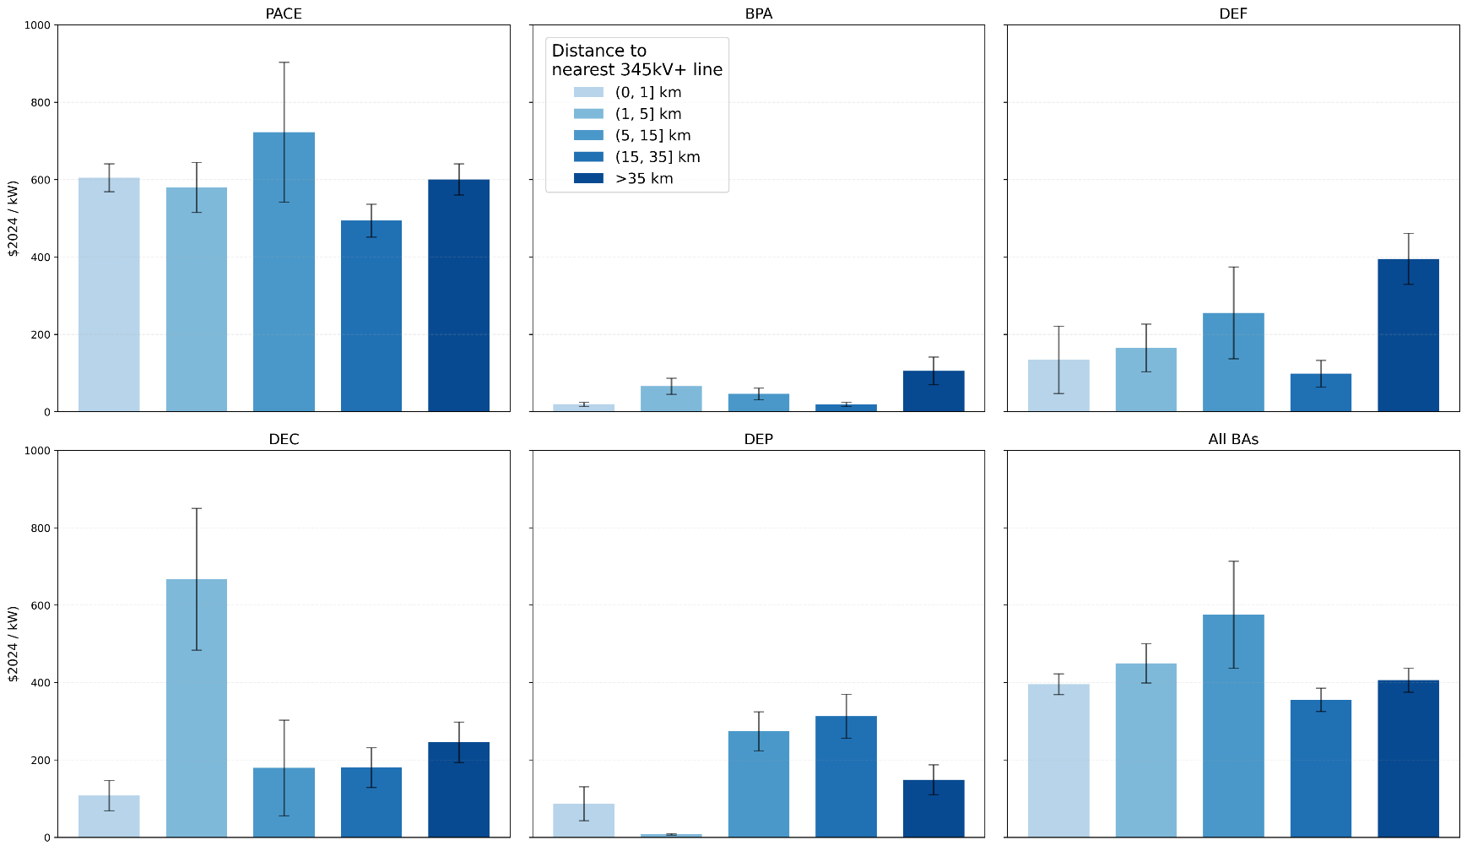
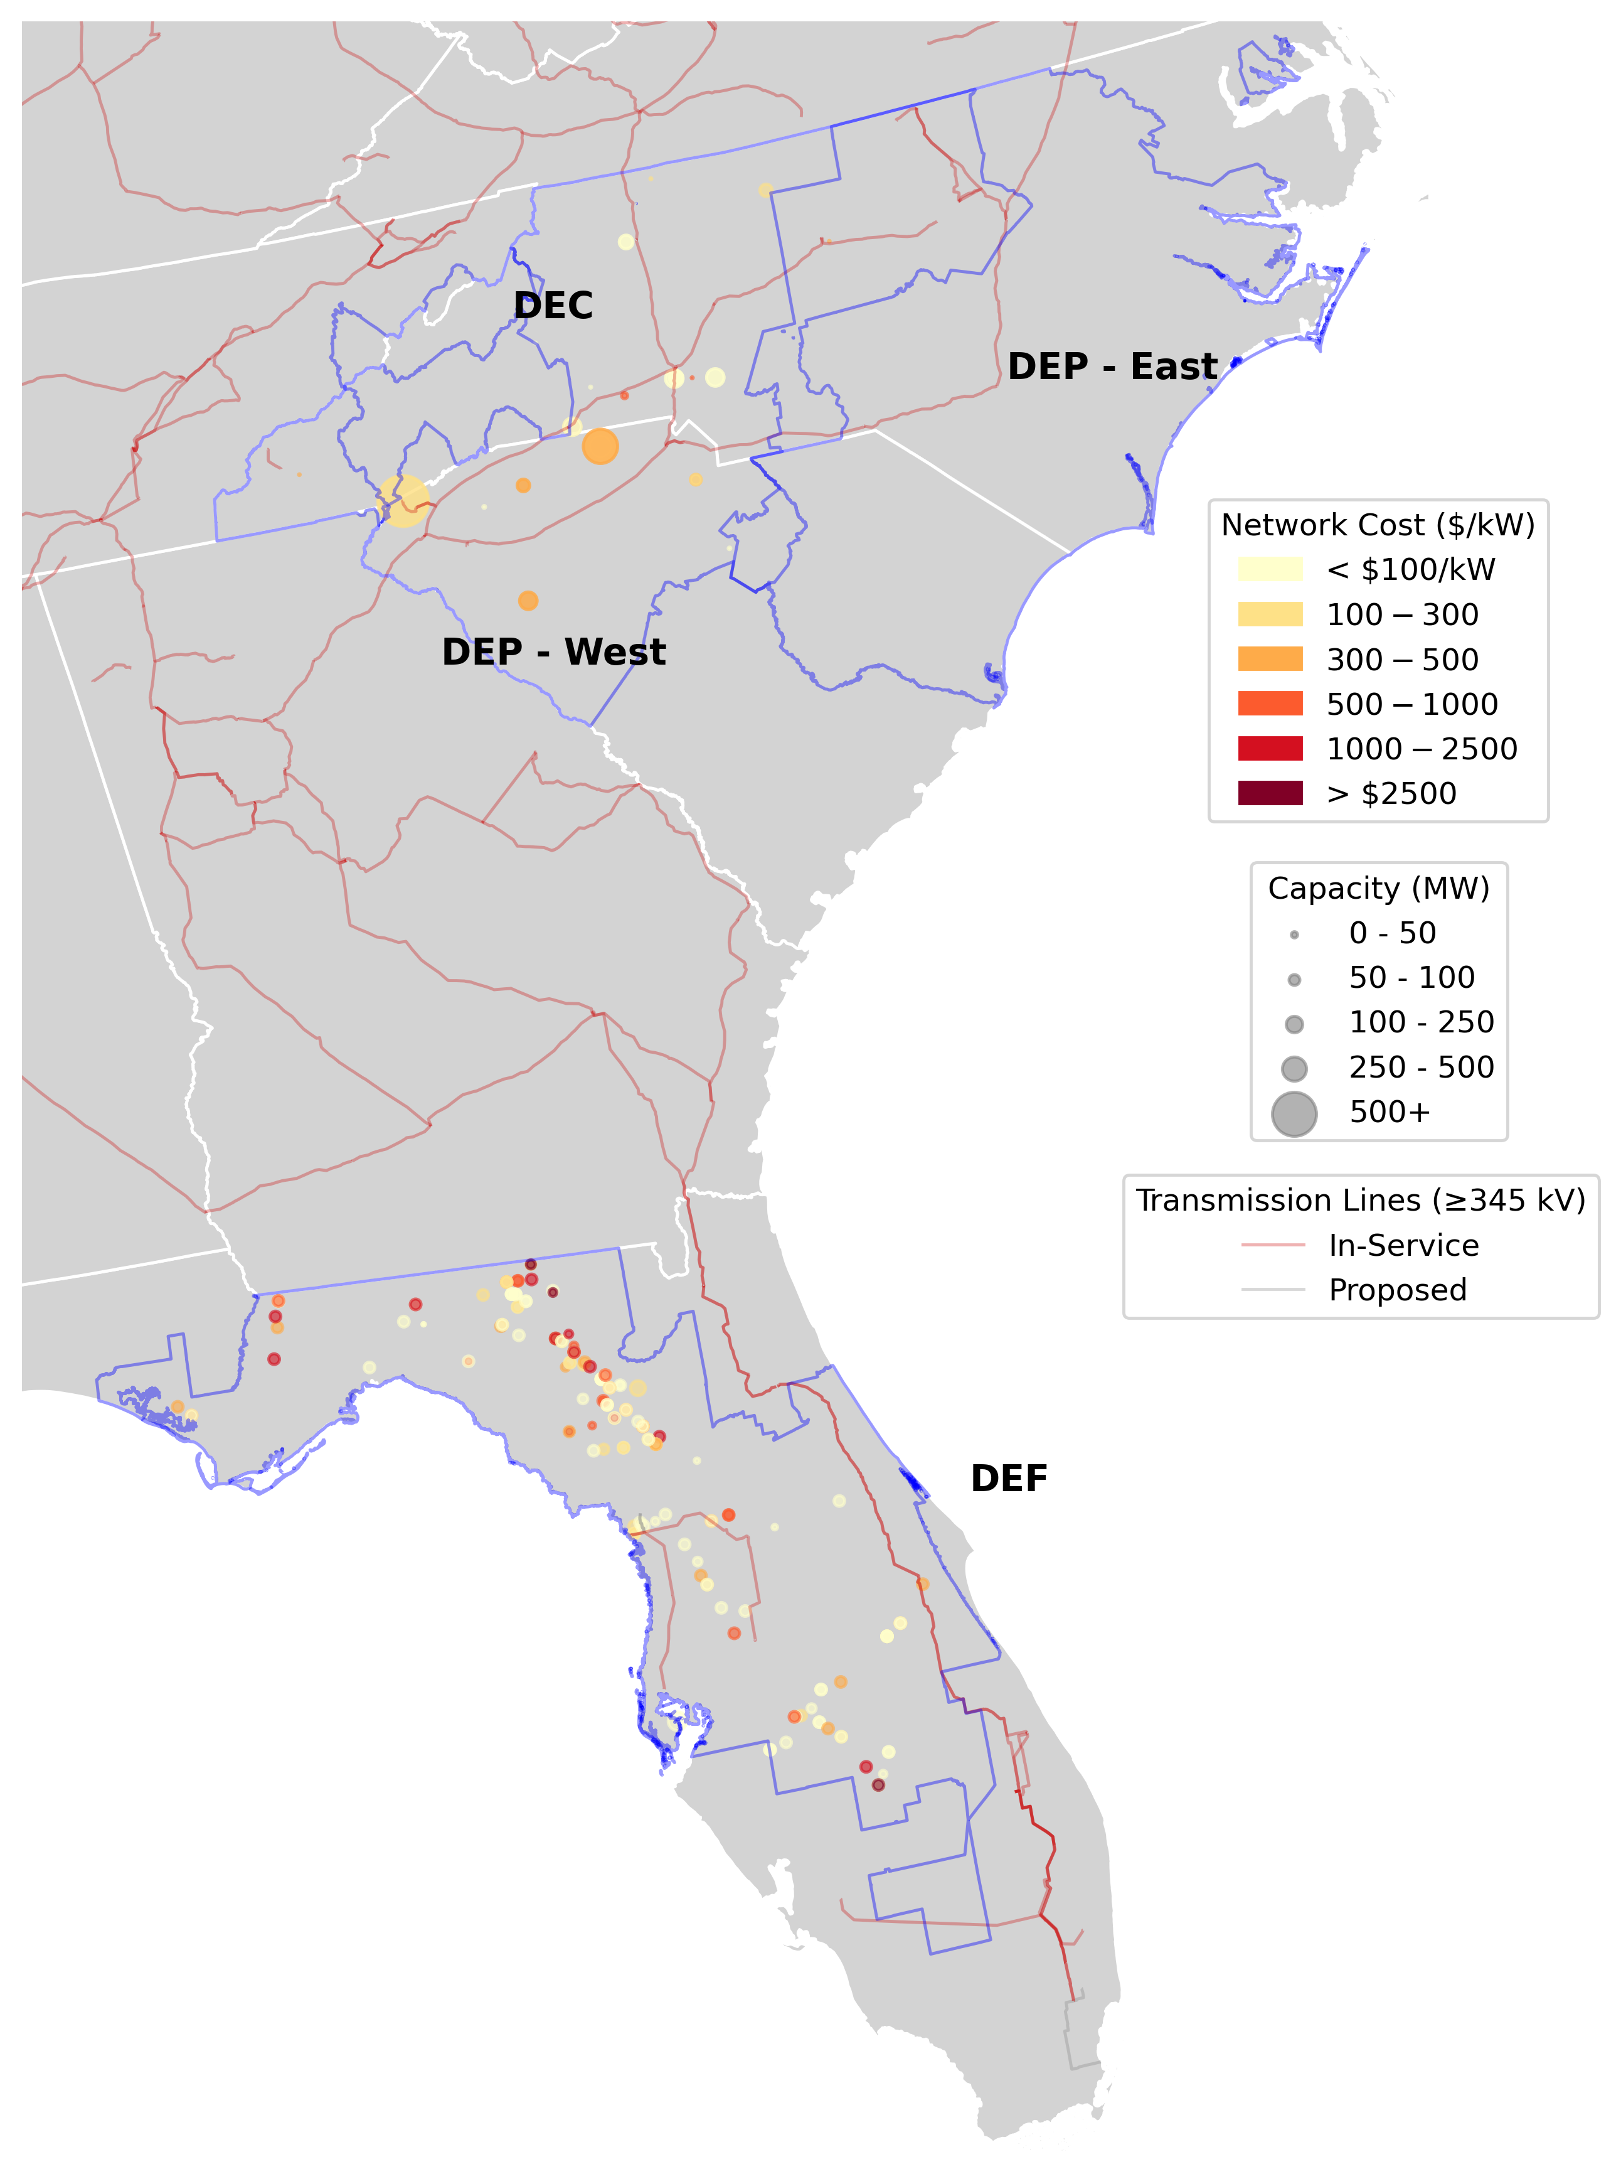
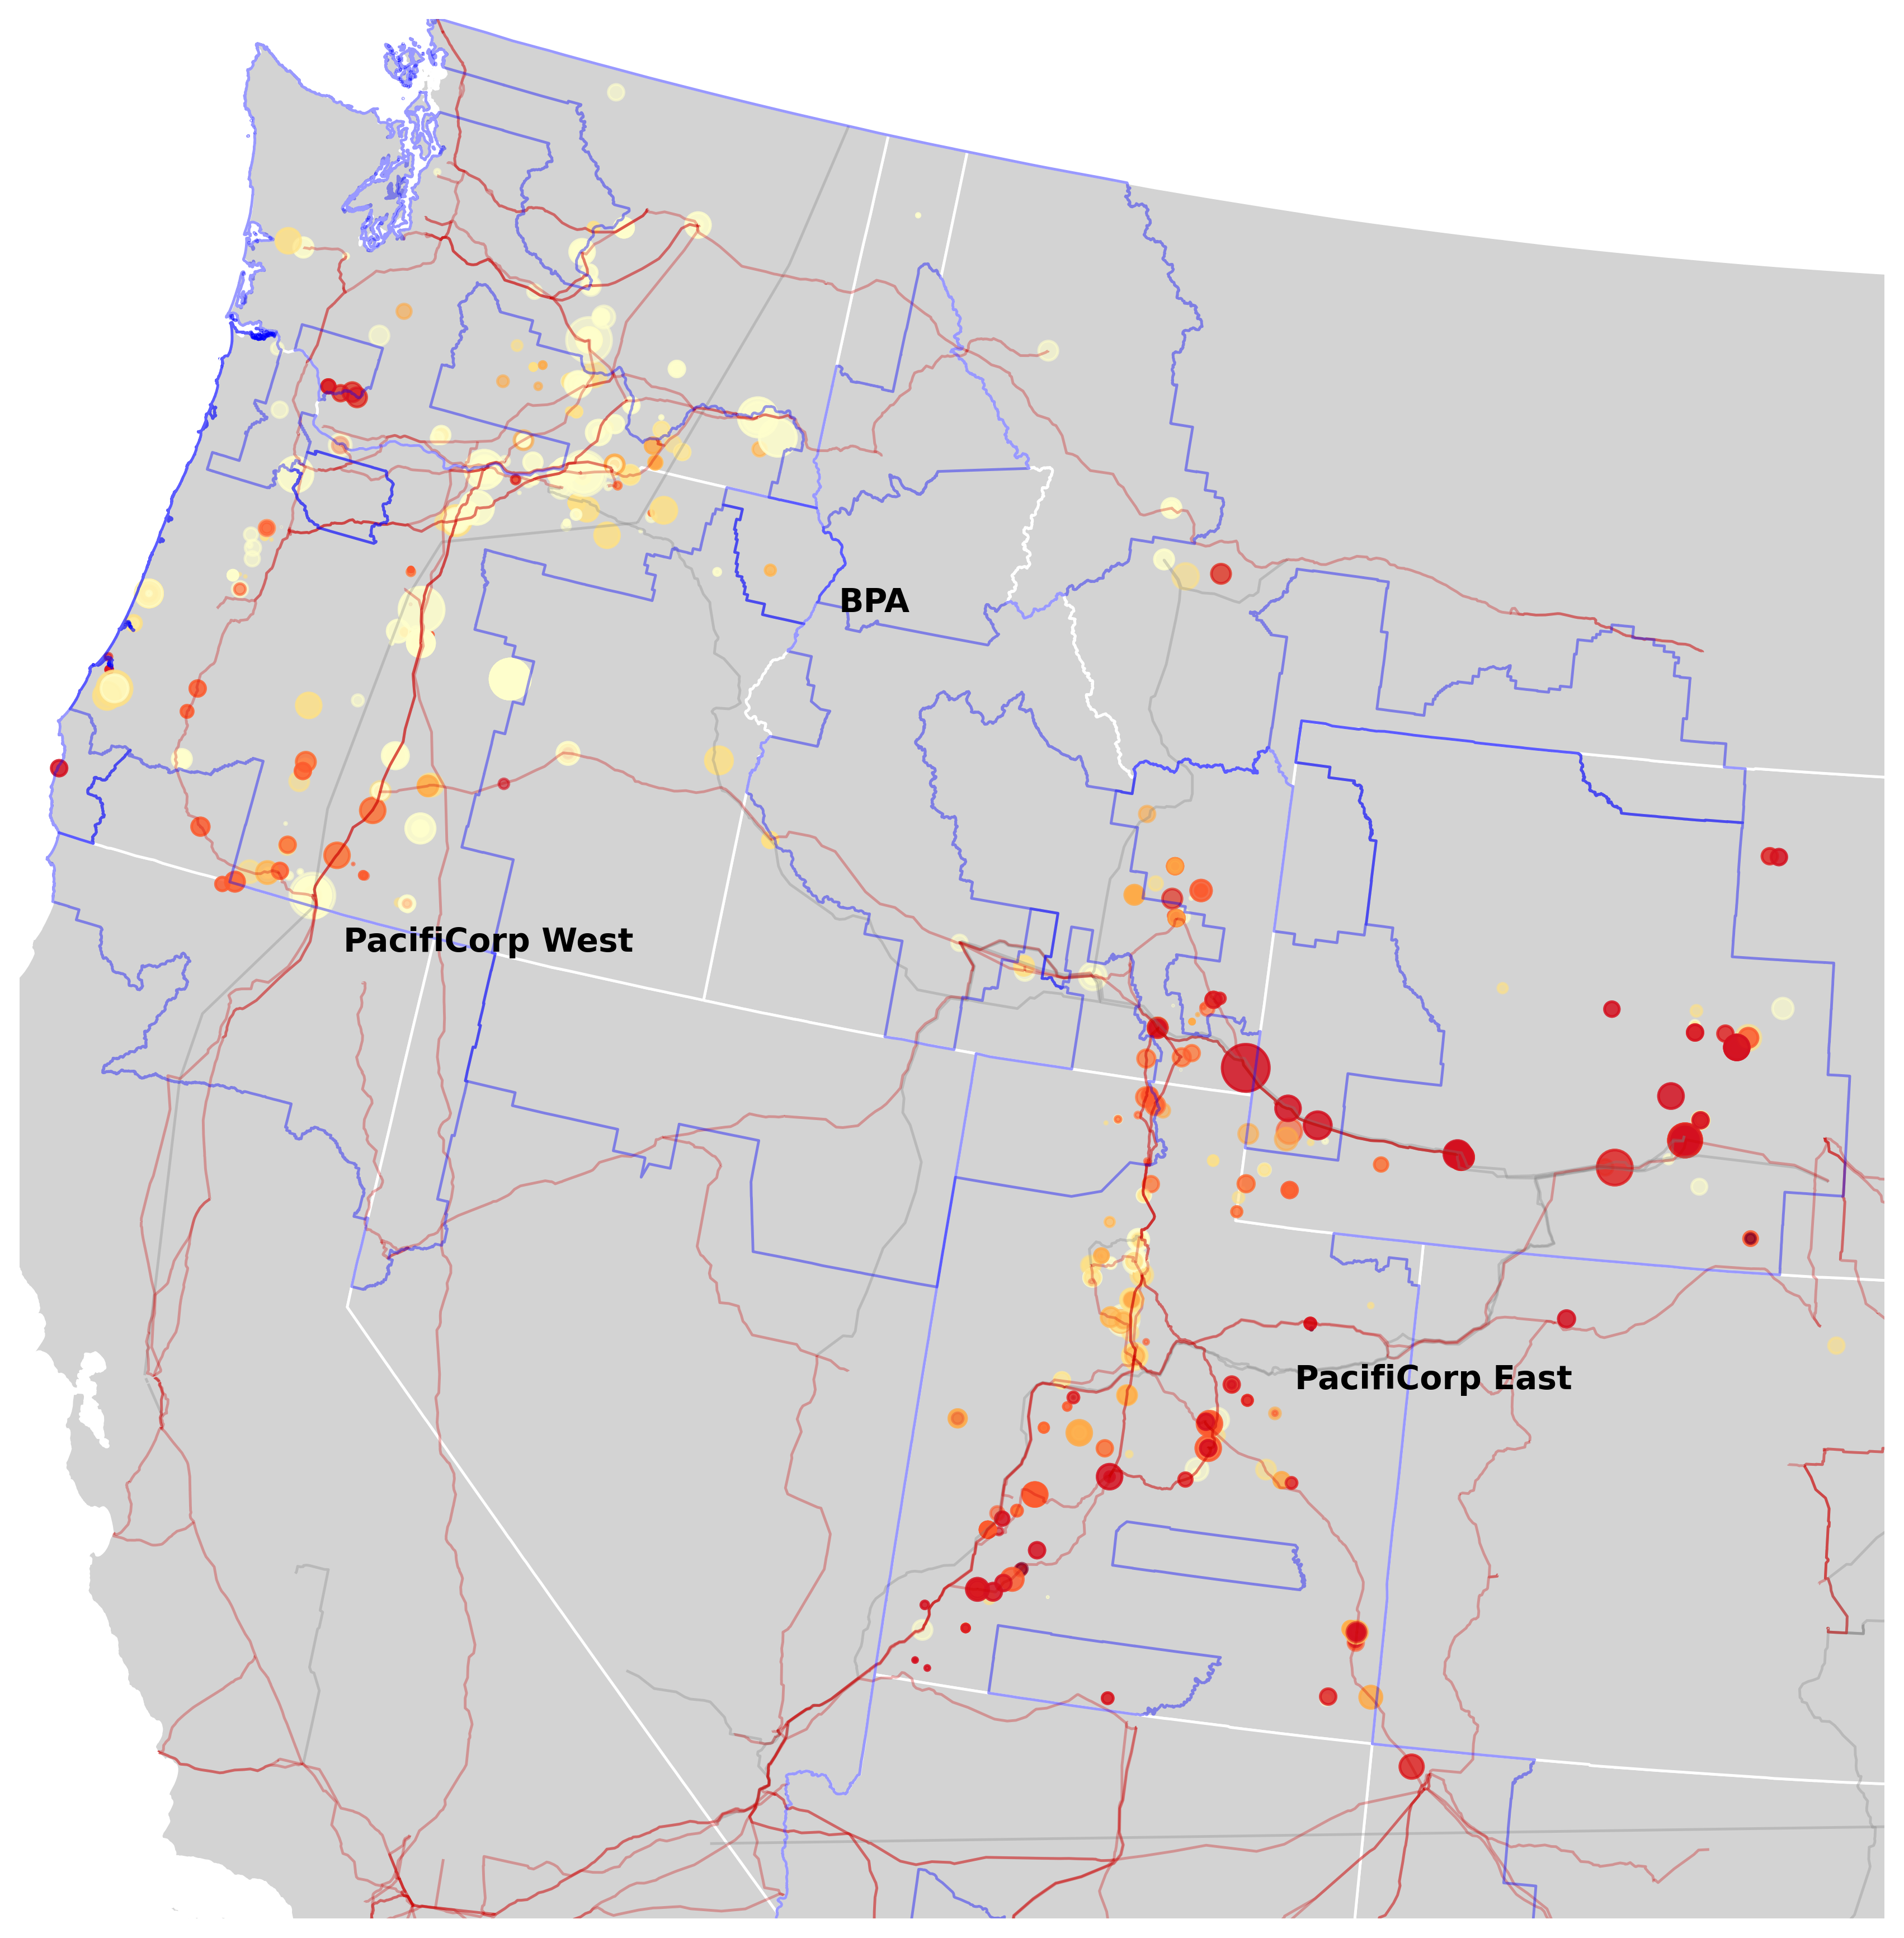

 |  |  |  |  |  |  | Depicted projects include those that withdraw interconnection applications.
 |  |  |  |  |  |  | We only show network upgrade cost estimates from recent studies in our sample (2018-2024).
Balancing Authority | Study Period | Request Status | Distance Bin | Project Count | Average Network Costs ($2024/kW) | Standard Error | POI coordinate estimates are based on contextual information of the interconnection studies, aided by satellite image analyses.
PACE | 2018-2024 | All Statuses | >35 km | 149 | $600.83 | $40.22
PACE | 2018-2024 | All Statuses | (15, 35] km | 134 | $494.21 | $42.64
PACE | 2018-2024 | All Statuses | (5, 15] km | 109 | $722.77 | $180.57
PACE | 2018-2024 | All Statuses | (1, 5] km | 104 | $579.80 | $64.58
PACE | 2018-2024 | All Statuses | (0, 1] km | 275 | $605.21 | $36.14
BPA | 2018-2024 | All Statuses | (0, 1] km | 139 | $19.31 | $5.11
BPA | 2018-2024 | All Statuses | (1, 5] km | 31 | $66.12 | $20.71
BPA | 2018-2024 | All Statuses | (5, 15] km | 22 | $46.32 | $14.83
BPA | 2018-2024 | All Statuses | (15, 35] km | 33 | $19.24 | $5.47
BPA | 2018-2024 | All Statuses | >35 km | 70 | $105.89 | $35.41
DEF | 2018-2024 | All Statuses | (15, 35] km | 17 | $98.53 | $34.65
DEF | 2018-2024 | All Statuses | (5, 15] km | 7 | $255.82 | $118.62
DEF | 2018-2024 | All Statuses | >35 km | 141 | $395.46 | $66.12
DEF | 2018-2024 | All Statuses | (0, 1] km | 4 | $134.56 | $86.89
DEF | 2018-2024 | All Statuses | (1, 5] km | 4 | $165.31 | $61.44
DEC | 2018-2024 | All Statuses | (0, 1] km | 8 | $108.10 | $39.16
DEC | 2018-2024 | All Statuses | (1, 5] km | 2 | $667.35 | $183.66
DEC | 2018-2024 | All Statuses | (5, 15] km | 4 | $179.33 | $123.55
DEC | 2018-2024 | All Statuses | >35 km | 6 | $245.70 | $52.49
DEC | 2018-2024 | All Statuses | (15, 35] km | 14 | $180.42 | $51.42
DEP | 2018-2024 | All Statuses | (15, 35] km | 15 | $312.95 | $56.68
DEP | 2018-2024 | All Statuses | (5, 15] km | 2 | $274.19 | $50.43
DEP | 2018-2024 | All Statuses | (1, 5] km | 2 | $7.93 | $1.98
DEP | 2018-2024 | All Statuses | (0, 1] km | 6 | $87.28 | $44.03
DEP | 2018-2024 | All Statuses | >35 km | 21 | $148.96 | $38.74
All BAs | 2018-2024 | All Statuses | (15, 35] km | 213 | $355.66 | $30.43
All BAs | 2018-2024 | All Statuses | (0, 1] km | 432 | $395.93 | $26.67
All BAs | 2018-2024 | All Statuses | (1, 5] km | 143 | $450.07 | $50.76
All BAs | 2018-2024 | All Statuses | (5, 15] km | 144 | $575.40 | $138.46
All BAs | 2018-2024 | All Statuses | >35 km | 387 | $406.45 | $30.86

