Plan1
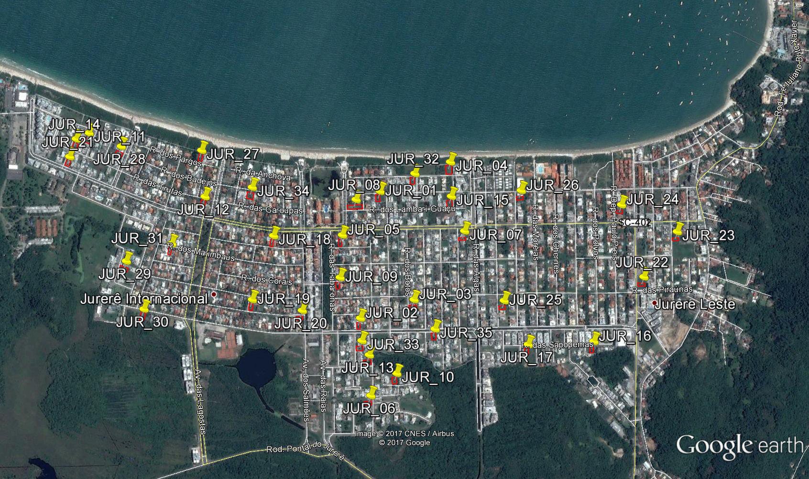
NOME | VALOR TOTAL | VU | AREA | TESTADA | ESQUINA | N_DE _FRENTES | DIST_MAR | ZONEAMENTO | PAVIMENTOS | CONDOMINIO_FECHADO | PAVIMENTO | TOPOGRAFIA | N | E | DATA | FONTE
JUR_01 | 2100000.00 | 3500.00 | 600.00 | 20.00 | 0 | 1 | 166.00 | ARP-2.4 | 2 | 0 | SIM | PLANO | 6962450.00 | 747285.00 | 2017-06-22 | https://www.zapimoveis.com.br/oferta/venda+terreno-padrao+jurere-internacional+florianopolis+sc+600m2+RS2100000/ID-10973829/?paginaoferta=6
JUR_02 | 690000.00 | 1533.33 | 450.00 | 15.00 | 0 | 1 | 755.00 | ARP-2.4 | 2 | 0 | SIM | PLANO | 6961896.00 | 747119.00 | 2017-06-22 | https://www.zapimoveis.com.br/oferta/venda+terreno-padrao+jurere-internacional+florianopolis+sc+RS690000/ID-13033309/?paginaoferta=9
JUR_03 | 850000.00 | 1888.89 | 450.00 | 15.00 | 0 | 1 | 660.00 | ARP-2.4 | 2 | 0 | SIM | PLANO | 6961946.00 | 747371.00 | 2017-06-23 | https://www.vivareal.com.br/imovel/lote-terreno-jurere-internacional-bairros-florianopolis-venda-RS850000-id-81063303/
JUR_04 | 4800000.00 | 4571.43 | 1050.00 | 30.00 | 0 | 1 | 33.00 | ARP-2.4 | 2 | 0 | SIM | PLANO | 6962538.00 | 747619.00 | 2017-06-22 | https://www.zapimoveis.com.br/oferta/venda+terreno-padrao+jurere-internacional+florianopolis+sc+RS4800000/ID-10630788/?paginaoferta=10
JUR_05 | 900000.00 | 2000.00 | 450.00 | 15.00 | 0 | 1 | 373.00 | ARP-2.4 | 2 | 0 | SIM | PLANO | 6962278.00 | 747089.00 | 2017-06-22 | https://www.zapimoveis.com.br/oferta/venda+terreno-padrao+jurere-internacional+florianopolis+sc+RS900000/ID-12970905/?paginaoferta=1
JUR_06 | 880000.00 | 1512.03 | 582.00 | 20.00 | 1 | 2 | 1094.00 | ARP-2.4 | 2 | 0 | SIM | PLANO | 6961545.00 | 747118.00 | 2017-06-22 | https://www.zapimoveis.com.br/oferta/venda+terreno-padrao+jurere-internacional+florianopolis+sc+582m2+RS880000/ID-10973670/?paginaoferta=2
JUR_07 | 950000.00 | 2111.11 | 450.00 | 15.00 | 0 | 1 | 360.00 | ARP-2.4 | 2 | 0 | SIM | PLANO | 6962221.00 | 747640.00 | 2017-06-22 | https://www.zapimoveis.com.br/oferta/venda+terreno-padrao+jurere-internacional+florianopolis+sc+RS950000/ID-12798647/?paginaoferta=2
JUR_08 | 3200000.00 | 2666.67 | 1200.00 | 30.00 | 1 | 3 | 230.00 | ARP-2.4 | 2 | 0 | SIM | PLANO | 6962428.00 | 747172.00 | 2017-06-22 | https://www.zapimoveis.com.br/oferta/venda+terreno-padrao+jurere-internacional+florianopolis+sc+1.200m2+RS3200000/ID-10973690/?paginaoferta=3
JUR_09 | 850000.00 | 1888.89 | 450.00 | 15.00 | 0 | 1 | 562.00 | ARP-2.4 | 2 | 0 | SIM | PLANO | 6962090.00 | 747053.00 | 2017-06-22 | http://www.imovelweb.com.br/propriedades/terreno-residencial-a-venda-jurere-internacional-2931340359.html
JUR_10 | 1100000.00 | 1864.41 | 590.00 | 20.00 | 0 | 1 | 977.00 | ARP-2.4 | 2 | 0 | SIM | PLANO | 6961628.00 | 747248.00 | 2017-06-22 | https://www.zapimoveis.com.br/oferta/venda+terreno-padrao+jurere-internacional+florianopolis+sc+590m2+RS1100000/ID-13249012/?paginaoferta=8
JUR_11 | 2550000.00 | 4250.00 | 600.00 | 20.00 | 0 | 1 | 147.00 | ARP-2.4 | 2 | 0 | SIM | PLANO | 6962889.00 | 746013.00 | 2017-06-22 | https://www.zapimoveis.com.br/oferta/venda+terreno-padrao+jurere-internacional+florianopolis+sc+600m2+RS2550000/ID-12171563/?paginaoferta=10
JUR_12 | 1700000.00 | 2833.33 | 600.00 | 20.00 | 0 | 1 | 253.00 | ARP-2.4 | 2 | 0 | SIM | PLANO | 6962533.00 | 746496.00 | 2017-06-22 | https://www.zapimoveis.com.br/oferta/venda+terreno-padrao+jurere-internacional+florianopolis+sc+600m2+RS1700000/ID-11130740/?paginaoferta=10#myCarousel
JUR_13 | 950000.00 | 1439.39 | 660.00 | 20.00 | 1 | 2 | 914.00 | ARP-2.4 | 2 | 0 | SIM | PLANO | 6961727.00 | 747136.00 | 2017-06-22 | http://site.gralhaimoveis.com.br/prontos/terreno-jurere-internacional-0-quartos/9578/
JUR_14 | 2200000.00 | 3666.67 | 600.00 | 20.00 | 1 | 2 | 191.00 | ARP-2.4 | 2 | 0 | SIM | PLANO | 6962870.00 | 745952.00 | 2017-06-22 | https://www.vivareal.com.br/imovel/lote-terreno-jurere-internacional-bairros-florianopolis-600m2-venda-RS2200000-id-77969540/
JUR_15 | 1980000.00 | 2640.00 | 750.00 | 25.00 | 1 | 2 | 197.00 | ARP-2.4 | 2 | 0 | SIM | PLANO | 6962384.00 | 747602.00 | 2017-06-23 | https://www.zapimoveis.com.br/oferta/venda+terreno-padrao+jurere-internacional+florianopolis+sc+750m2+RS1980000/ID-13828707/?utm_source=Trovit&utm_medium=CPC&utm_campaign=Premium
JUR_16 | 650000.00 | 1434.88 | 453.00 | 15.00 | 0 | 1 | 866.00 | ARP-2.4 | 2 | 0 | SIM | PLANO | 6961650.00 | 748152.00 | 2017-06-23 | https://www.vivareal.com.br/imovel/lote-terreno-jurere-internacional-bairros-florianopolis-venda-RS650000-id-67317151/
JUR_17 | 750000.00 | 1655.63 | 453.00 | 15.00 | 0 | 1 | 866.00 | ARP-2.4 | 2 | 0 | SIM | PLANO | 6961676.00 | 747856.00 | 2017-06-23 | https://www.vivareal.com.br/imovel/lote-terreno-jurere-internacional-bairros-florianopolis-453m2-venda-RS750000-id-73225987/
JUR_18 | 950000.00 | 2111.11 | 450.00 | 15.00 | 0 | 1 | 382.00 | ARP-2.4 | 2 | 0 | SIM | PLANO | 6962317.00 | 746780.00 | 2017-06-23 | https://www.zapimoveis.com.br/oferta/venda+terreno-padrao+jurere-internacional+florianopolis+sc+450m2+RS950000/ID-13794444/?utm_source=Trovit&utm_medium=CPC&utm_campaign=Premium
JUR_19 | 780000.00 | 1523.44 | 512.00 | 17.00 | 1 | 2 | 686.00 | ARP-2.4 | 2 | 0 | SIM | PLANO | 6962045.00 | 746646.00 | 2017-06-23 | https://www.vivareal.com.br/imovel/lote-terreno-jurere-internacional-bairros-florianopolis-512m2-venda-RS780000-id-74370482/
JUR_20 | 870000.00 | 1933.33 | 450.00 | 15.00 | 1 | 2 | 717.00 | ARP-2.4 | 2 | 0 | SIM | PLANO | 6961966.00 | 746863.00 | 2017-06-23 | https://www.zapimoveis.com.br/oferta/venda+terreno-padrao+jurere-internacional+florianopolis+sc+RS870000/ID-13267044/?utm_source=Trovit&utm_medium=CPC&utm_campaign=Premium
JUR_21 | 1300000.00 | 2631.58 | 494.00 | 17.00 | 1 | 2 | 272.00 | ARP-2.4 | 2 | 0 | SIM | PLANO | 6962795.00 | 745912.00 | 2017-06-23 | https://www.vivareal.com.br/imovel/lote-terreno-jurere-internacional-bairros-florianopolis-494m2-venda-RS1300000-id-76268401/?utm_source=Trovit&utm_medium=CPC&utm_campaign=trovit-premium
JUR_22 | 1700000.00 | 3777.78 | 450.00 | 15.00 | 0 | 1 | 577.00 | ARM-4.5 | 4 | 0 | SIM | PLANO | 6961907.00 | 748416.00 | 2017-06-23 | https://www.vivareal.com.br/imovel/lote-terreno-jurere-bairros-florianopolis-450m2-venda-RS1700000-id-77589672/
JUR_23 | 650000.00 | 1444.44 | 450.00 | 15.00 | 0 | 1 | 442.00 | ARP-2.4 | 2 | 0 | SIM | PLANO | 6962088.00 | 748594.00 | 2017-06-23 | https://www.vivareal.com.br/imovel/lote-terreno-jurere-bairros-florianopolis-450m2-venda-RS650000-id-79517511/
JUR_24 | 2000000.00 | 4444.44 | 450.00 | 15.00 | 0 | 1 | 262.00 | AMC-4.5 | 4 | 0 | SIM | PLANO | 6962242.00 | 748360.00 | 2017-06-23 | https://www.vivareal.com.br/imovel/lote-terreno-jurere-bairros-florianopolis-450m2-venda-RS2000000-id-75237217/
JUR_25 | 690000.00 | 1533.33 | 450.00 | 15.00 | 0 | 1 | 669.00 | ARP-2.4 | 2 | 0 | SIM | PLANO | 6961886.00 | 747775.00 | 2017-06-23 | https://www.vivareal.com.br/imovel/lote-terreno-jurere-bairros-florianopolis-450m2-venda-RS690000-id-73226078/
JUR_26 | 2120000.00 | 4711.11 | 450.00 | 15.00 | 0 | 1 | 182.00 | AMC-4.5 | 4 | 0 | SIM | PLANO | 6962367.00 | 747919.00 | 2017-06-23 | https://www.vivareal.com.br/imovel/lote-terreno-jurere-bairros-florianopolis-450m2-venda-RS2120000-id-64604484/
JUR_27 | 4200000.00 | 6000.00 | 700.00 | 15.00 | 0 | 1 | 54.00 | ARP-2.4 | 2 | 0 | SIM | PLANO | 6962742.00 | 746509.00 | 2017-06-23 | https://www.vivareal.com.br/imovel/lote-terreno-jurere-internacional-bairros-florianopolis-700m2-venda-RS4200000-id-57543427/?utm_source=Trovit&utm_medium=CPC&utm_campaign=trovit-premium
JUR_28 | 2100000.00 | 3500.00 | 600.00 | 20.00 | 0 | 1 | 148.00 | ARP-2.4 | 2 | 0 | SIM | PLANO | 6962809.00 | 746150.00 | 2017-06-23 | https://www.vivareal.com.br/imovel/lote-terreno-jurere-internacional-bairros-florianopolis-600m2-venda-RS2100000-id-69079855/?utm_source=Trovit&utm_medium=CPC&utm_campaign=trovit-premium
JUR_29 | 1950000.00 | 2914.80 | 669.00 | 18.00 | 0 | 1 | 647.00 | ARP-2.4 | 2 | 1 | SIM | PLANO | 6962294.00 | 746103.00 | 2017-06-23 | https://www.vivareal.com.br/imovel/lote-terreno-jurere-internacional-bairros-florianopolis-669m2-venda-RS1950000-id-66710744/?utm_source=Trovit&utm_medium=CPC&utm_campaign=trovit-premium
JUR_30 | 1272000.00 | 1696.00 | 750.00 | 20.00 | 0 | 1 | 815.00 | ARP-2.4 | 2 | 0 | SIM | PLANO | 6962069.00 | 746153.00 | 2017-06-23 | https://www.vivareal.com.br/imovel/lote-terreno-jurere-internacional-bairros-florianopolis-750m2-venda-RS1272000-id-74579317/
JUR_31 | 950000.00 | 2111.11 | 450.00 | 15.00 | 0 | 1 | 509.00 | ARP-2.4 | 2 | 0 | SIM | PLANO | 6962344.00 | 746318.00 | 2017-06-23 | https://www.vivareal.com.br/imovel/lote-terreno-jurere-internacional-bairros-florianopolis-450m2-venda-RS950000-id-79460789/
JUR_32 | 1800000.00 | 3000.00 | 600.00 | 20.00 | 1 | 2 | 80.00 | ARP-2.4 | 2 | 0 | SIM | PLANO | 6962508.00 | 747452.00 | 2017-06-21 | https://www.zapimoveis.com.br/oferta/venda+terreno-padrao+jurere-internacional+florianopolis+sc+600m2+RS1800000/ID-13828839/?paginaoferta=2
JUR_33 | 1000000.00 | 1536.10 | 651.00 | 21.70 | 0 | 1 | 875.00 | ARP-2.4 | 2 | 0 | SIM | PLANO | 6961795.00 | 747112.00 | 2017-06-21 | https://www.zapimoveis.com.br/oferta/venda+terreno-padrao+jurere-internacional+florianopolis+sc+651m2+RS1000000/ID-12019476/?paginaoferta=16
JUR_34 | 3200000.00 | 3555.56 | 900.00 | 30.00 | 0 | 1 | 210.00 | ARP-2.4 | 2 | 0 | SIM | PLANO | 6962546.00 | 746714.00 | 2017-06-21 | https://www.zapimoveis.com.br/oferta/venda+terreno-padrao+jurere-internacional+florianopolis+sc+900m2+RS3200000/ID-10973675/?paginaoferta=15
JUR_35 | 870000.00 | 1359.38 | 640.00 | 20.00 | 0 | 1 | 800.00 | ARP-2.4 | 2 | 0 | SIM | PLANO | 6961802.00 | 747447.00 | 2017-06-21 | https://www.zapimoveis.com.br/oferta/venda+terreno-padrao+jurere-internacional+florianopolis+sc+RS870000/ID-8498069/?paginaoferta=16

