Weekafter (4)
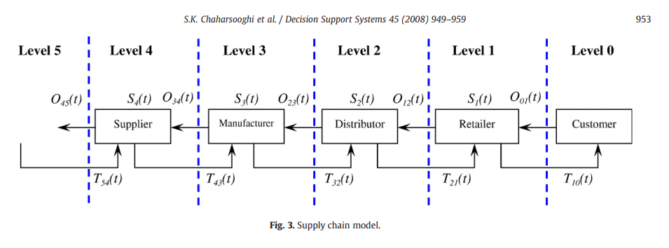
0 |  |  |  |  | 1 |  |  |  | 2 |  |  |  |  | 3 |  |  |  |  | 4
Customer --> |  |  |  |  | Retailer --> |  |  |  | Distributor --> |  |  |  |  | Manufacturer --> |  |  |  |  | Supplier |  |  |  |  | Cost
Demand | Policy | Lead | Transit | Period | IP | computation | Delivery | Order | IP | Policy | computation | Delivery | Order | IP | Policy | computation | Delivery | Order | IP | Policy | computation | Delivery | Order
 | 2 |  |  | 0 | 12 |  |  |  | 12 | 2 |  |  |  | 12 | 2 |  |  |  | 12 | 1 |  |  |  | -
15 | 3 | 2 | 4 | 1 | 1 | 4+12-15=1 | 4 | 0 | 12 | 1 | 0+12-0=12 | 0 | 0 | 12 | 3 | 0+12-0=12 | 0 | 0 | 12 | 3 | 0+12-0=12 | 0 |  | 37
10 | 3 | 0 | 4 | 2 | -5 | 4+1-10=-5 | 4 | 10+3 | -1 | 0 | 0+12-13=-1 | 0 | 13+0 | 10 | 2 | 0+12-13=-1 |  |  | 10 | 0 |  |  |  | 32
8 | 1 | 2 |  | 3 | 0 |  |  | 15+3 | 4 | 0 |  |  | 0+1 | 1 | 0 |  |  | 0+3 | 10 | 2 |  |  | 0+3 | 15
14 | 1 | 4 |  | 4 | 2 |  |  |  | -1 | 0 |  |  |  | -6 | 2 |  |  |  | -5 | 0 |  |  |  | 26
9 | 2 | 4 |  | 5 | -7 |  |  |  | -16 | 1 |  |  |  | -17 | 1 |  |  |  | -18 | 0 |  |  |  | 116
3 | 0 | 2 |  | 6 | 0 |  |  |  |  |  |  |  |  |  |  |  |  |  |  | 2 |  |  |  | 0
13 | 2 | 4 |  | 7 | -13 |  |  |  |  |  |  |  |  |  |  |  |  |  |  | 0 |  |  |  | 26
2 | 3 | 1 |  | 8 | 3

inventory | delivery | demand | policy | lead

