Weekafter (2)
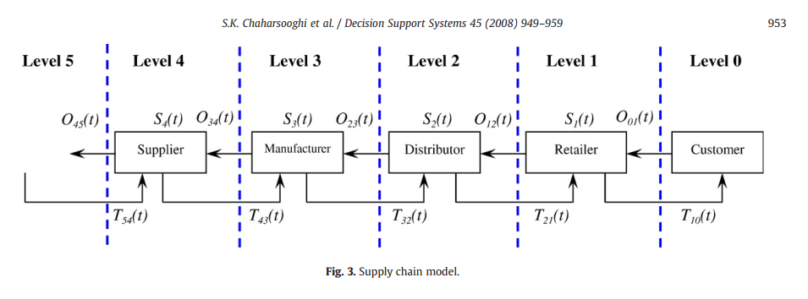
0 |  |  |  |  | 1 |  |  |  | 2 |  |  |  |  | 3 |  |  |  |  | 4
Customer --> |  |  |  |  | Retailer --> |  |  |  | Distributor --> |  |  |  |  | Factory --> |  |  |  |  | Supplier |  |  |  | Cost
Demand | Policy | Lag | Transit | Period | IP |  | Order | Transit | IP | Policy |  | Order | Transit | IP | Policy |  | Order | Transit | IP | Policy
 |  |  |  | 0 | 12 |  |  |  | 12 | 2 |  |  |  | 12 | 2 |  |  |  | 12 | 1 |  |  | -
15 | 2 | 2 | 4 | 1 | 1 | 12+4-15=1 | 4 |  | 12 | 1 | 12 |  |  | 12 | 3 | 12 |  |  | 12 | 3 | 12 |  | 37
10 | 3 | 0 | 4 | 2 | -5 | 1+4+-10=-5 | 4 |  | -1 | 0 | 12-13 |  |  | 10 | 2 |  | 2 |  | 10 | 0 |  | 1 | 32
8 | 3 | 2 |  | 3 | 0 | -5+10+3-8=0 | 10+3 |  | 4 | 0 | =-1-18+1 | 0+1 |  | 1 | 0 |  |  |  | 10 | 2 |  |  | 15
14 | 1 | 4 |  | 4 | 2 | 0+15+2-14=3 | 15+2 |  | -1 |  |  |  |  | -6 |  |  |  |  | -5 |  |  |  | 26
9 | 1 | 4 |  | 5 | -7 | 2+0-9=-7 |  |  | -16 |  |  |  |  | -17 |  |  |  |  | -18 |  |  |  | 116
3 | 2 | 2 |  | 6 | 0 | =-7-3+8+3=1 | 8+3 |  |  |  |  |  |  |  |  |  |  |  |  |  |  |  | 0
13 | 0 | 4 |  | 7 | -13 | 0-13+0=-13 |  |  |  |  |  |  |  |  |  |  |  |  |  |  |  |  | 26
2 | 2 | 1 |  | 8 | 3 | -13-2+13=2 | 13+0
 | 3 |  |  |  |  |  | ; 3+2

