Sheet1
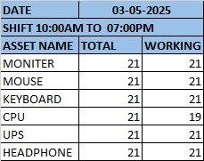

DATE | 3-May-2025
SHIFT 13:00PM TO 22:00PM
ASSET NAME | TOTAL | WORKING
MONITER | 21 | 21
MOUSE | 21 | 21
KEYBOARD | 21 | 21
CPU | 21 | 18
UPS | 21 | 21
HEADPHONE | 21 | 21
The CPU of system number 14,17 and 21 is not working and Some systems have broken keyboard keys.

