Guidance
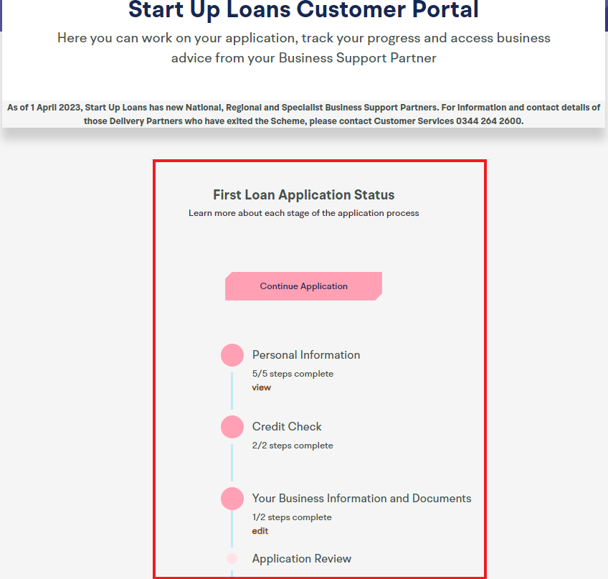
 |  | Name: | Gancho Atanasov
 |  | Company Name: | BW FIRE DOOR SPECIALISTS LTD

Guidance on using these templates for your Start Up Loan application
- First, please save your name and company name to this document, using the space above - In this document, you will find four tabs, that need to be completed as part of your loan application - Don't worry if you need some help. At the top of each tab you will find both a description of each of the templates, as well as some tips on how to complete them - We suggest you complete each template in number order so that you can carry forward any of your workings - If you need some help completing these documents, you can submit them as a first draft, within the customer portal and one of our Business Support Partners will be in touch to provide further assistance - If you have already completed a Business Plan, Personal Survival Budget or Cash Flow Forecast, you do not have to transfer the information into our templates - Our templates have been designed to support our application process, so we would encourage you to provide the information we have requested across these templates, to help us assess your application quicker, so please review the information you provide before submitting - Finally, don't forget to save your document as you go through

TIPS ON COMPLETING THE TEMPLATES

* | The templates are designed to be as easy to use as possible - for the BP tab, please follow the guidelines closely and relate these guidelines to your business. For the CFF, SA and PSB, simply enter your figures into the white coloured cells on the templates and all of the light blue coloured cells will auto-calculate based on your responses.
* | For an explanation of any terms included on these templates, hover over the cells that have a red triangle in the top right corner and you will see some further instructions and guidance related to that item. If you're still unsure don't worry: your first draft won't necessarily be your final submission. Your Business Adviser will be able to work with you once you have submitted an initial draft;
* | For the PSB and CFF, If you want to see what formula is being used to calculate any of the blue cells, or find out which cells are being used in the calculation, simply click on the cell and the formula will display in the Formula Bar at the top of the page;
* | If any of the numbers you enter result in a negative balance, then this negative balance will be displayed in red to draw this to your attention. Ideally, you want to avoid negative totals or balances, so think about what you can feasibly change in order to achieve this. Alternatively please provide details of how this negative balance will be covered (i.e. Business overdraft etc.) within the commentary box provided;
* | The templates list a range of common options but they might not all be applicable for you. Add or remove items as relevant to you and your business;
* | All values that you enter should be in GBP (£) and should include VAT;
* | Use the commentary box at the bottom of the templates to explain any assumptions you've made or notes you'd like to discuss with your Business Adviser;

* | For free and impartial advice on your personal budgeting, contact the government-backed Money Advice Service via their website or telephone.
 | Go to http://www.moneyadviceservice.org.uk or call: 0800 138 7777 (calls are free).

Excel Tips

* | If you need to go to the next line in a cell or create another bullet point in the same cell, press and hold the Alt key and click the Enter key once. This will tab down to the next line but you will remain in the same cell. To save the changes you have made to the cell, press Enter once you are finished. Do not press Esc as this will delete your changes.
* | If you need to edit a cell without deleting any of the text you have already typed in, first select the cell and click in the formula bar (shown in screenshot below)
* | If you need more help with using excel please see our Excel Tips tab

Uploading this document to the portal

* | Once you reach Stage 3:1 in the online application process you will first be asked to provide some basic information about your business as shown below (left)
* | Following this, you will reach stage 3:2 where you will be asked to upload your business documents as shown below (right). You will also have the option to request help with your documents, if you need it.

 | Stage 3:1 |  |  | Stage 3:2
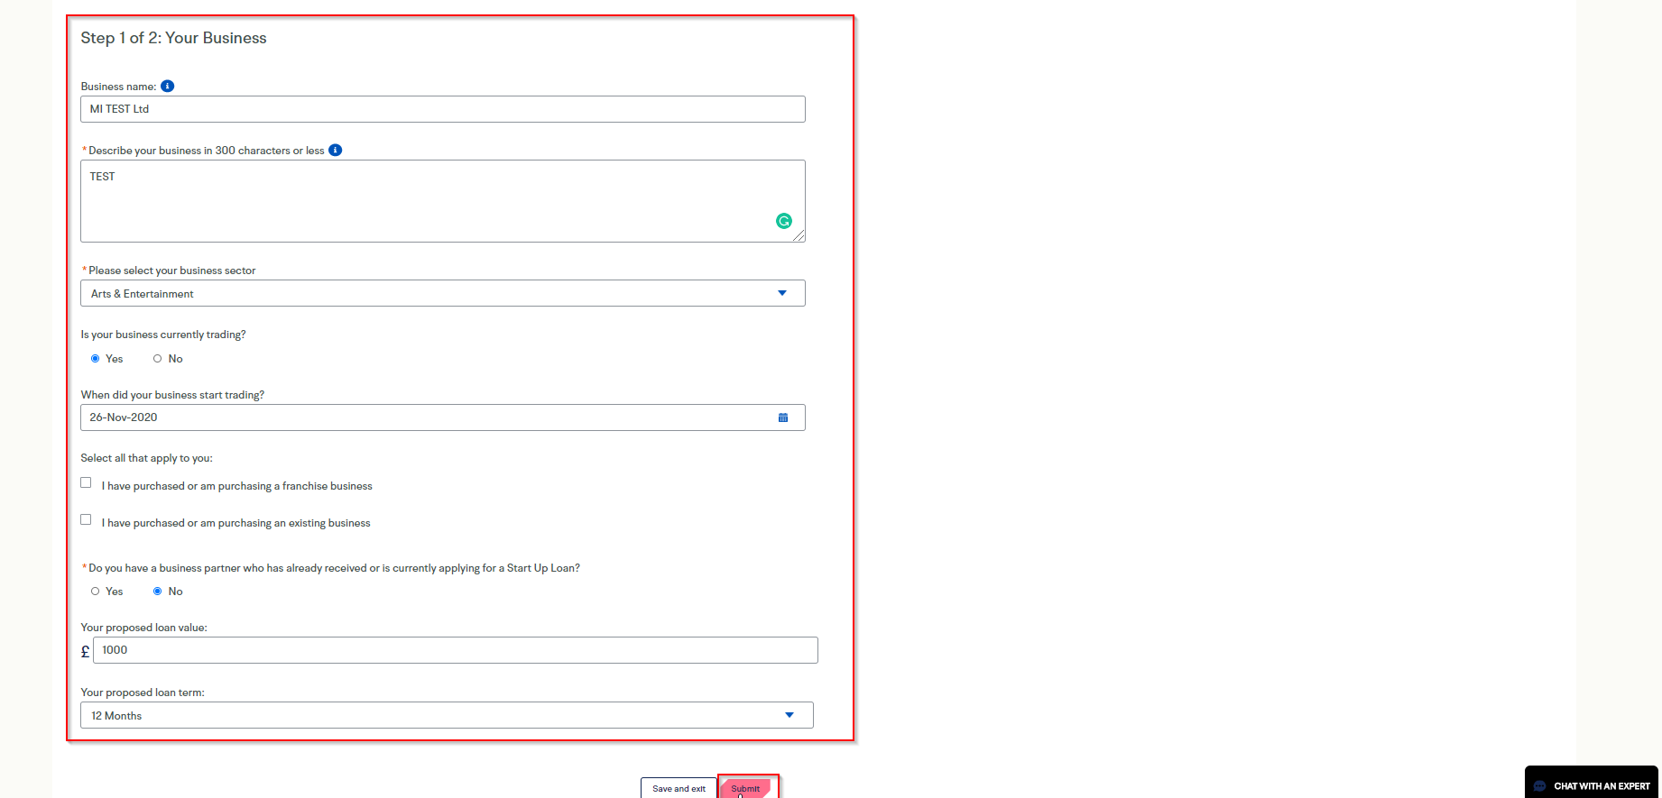
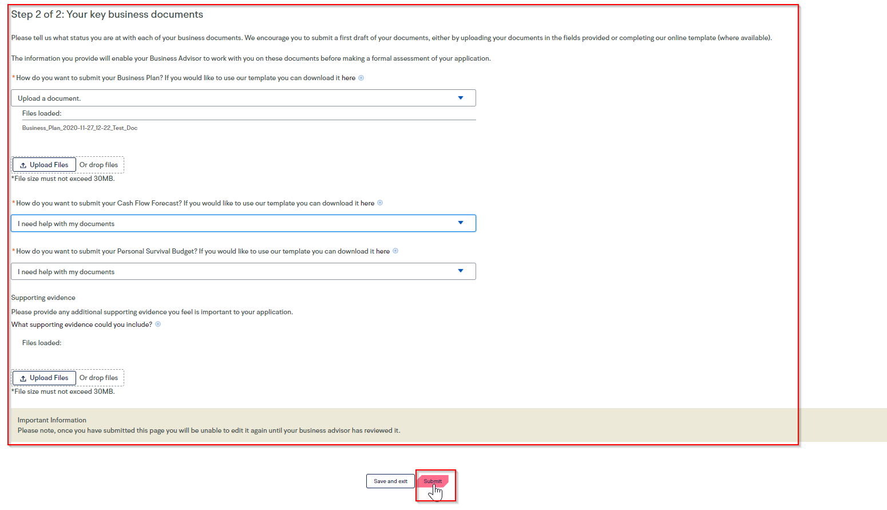

* | If you need to re-visit the portal and re-upload your documents after making amendments, you can do so at any time by logging into your account and viewing the "Your Business information and documents" section on the portal and re-uploading.

