INSTRUCTIONS

DEDUCTION SPREADSHEET INSTRUCTIONS
Thank you for choosing Police Tax for your tax return needs. Below are the instructions that will guide you to complete this spreadsheet.
- Each sheet has different sections of a tax return.
- Anything that is in a thin box can be edited by the client. The boxes are where the amount of your expenses goes into.
- Where there is red stickers gives further instruction on what to input in that box when you hover your mouse over it.
- Anything purchased above $300 like electronics has to be put into the depreciation sheet.
- There are boxes in each section, where you can add comments ir extra information that you believe are of importance.
- Summary of your total deduction is at the last sheet.
- IF EXCEL IS NOT AUTOMATICALLY CALCULATING PLEASE GO TO FILE > OPTIONS > FORMULAS > AUTOMATIC CALCULATION.

Client details
Name
Tax File Number
Date of Birth
Phone number
Email Address
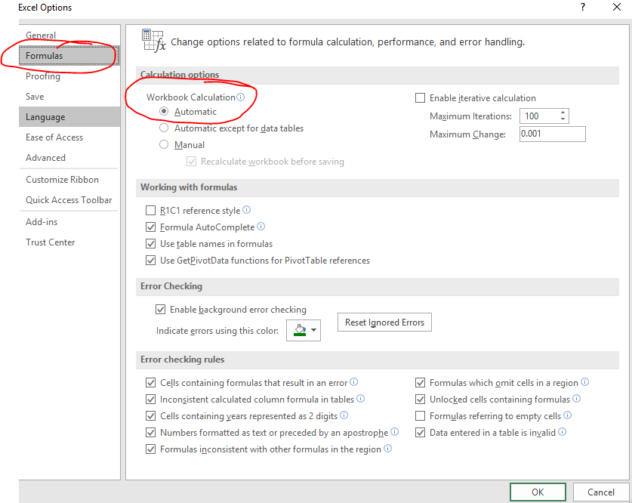
HECS Debt (Y/N)
Private Health Insurance (Y/N)
Rental Property (Y/N)
If there are any other queries, please contact us at 1800 819 692 or e-mail us at customerservice@policetax.com.au

D1 Car Expenses
2018 Tax Deduction Checklist

Any extra information/comments related to D1 car expenses, please type below:
D1: Car expenses | Kms travelled | Kms @ 0.66 cents
1.1 Compulsory Travel
OSTT/SAP/Active Shooter |  | $-
Secondment Special Units |  | $-
Taking Charge/Confirmation Kms |  | $-
Carry Bullet Proof Vest Home |  | $-

1.2 Travel to Courts
Supreme Courts |  | $-
Magistrates Court |  | $-
Family/Other Courts |  | $-

1.3 Car and Driver Compliance
Safe Vehicle Inspection |  | $-
EBT Training |  | $-
Radar Speed Training |  | $-
4WD Training |  | $-
Driver Training

1.4 Other Police Training
Exams at Academy |  | $-
Taking Charge/Confirmation |  | $-
Management Meetins |  | $-
Operation Task Force Meetings |  | $-
FIC/DIC Training/Exams |  | $-
Please be advised anything above 5000 kms cannot be claimed without a log book. You can only claim kms from home to training or work to work, you cannot claim home to work and vice versa.
Detective Training School |  | $-
First Aid Courses |  | $-

1.5 Other Police Business
Voluntary Duties - Public Events |  | $-
Travel to Non Usual Stations |  | $-
Travel to Equipment Stations |  | $-

1.6 New Police Recruits
Traffic Management |  | $-
DTW |  | $-
Safe Street |  | $-
Highway Patrol |  | $-
Booze Bus |  | $-
Custody training |  | $-
12 Weeks Temp Placement |  | $-

1.7 New PSO Recruits
PSO VPC |  | $-
PSO Mentoring |  | $-
VPC Training 3 months |  | $-

Total |  | $-

D2 Travel
Any extra information/comments related to D2 travel, please type below:
D2: Travel
 | Amount
Freeway Tolls | $-
Carparking Costs | $-
Live in Accomodation Academy | $-
Other Accomodation and Meals | $-
Travel Costs (Local) | $-
Travel Costs (Interstate) | $-
Travel Costs (Overseas) | $-
Taxis | $-
Travel to alternative workplace | $-
Between 2 separate work places | $-
Miscellaneous | $-

Total | $-

D3. Uniform
Any extra information/comments related to D3 Uniforms, please type below:
D3: Uniform
 | Cost
Academy Wear | $-
Alterations & Repairs to clothing | $-
Blue or Khaki shirts with rank | $-
Boots & Socks | $-
camouflage shirts and trousers | $-
Cargo Pants | $-
Compression Top & Bottoms | $-
Corporate Wardrobe | $-
Covert Oversized Clothing | $-
Deployment Clothing | $-
Drycleaning Uniforms | $-
Fire resistant clothing | $-
Hats or caps with rank or other | $-
Hats/Gloves & beanies | $-
Heavy Duty Shirts | $-
Home laundry and washing | 150
Medal Holders | $-
Military White | $-
Neck Warmers | $-
Non-slip shoes | $-
Official mess uniform | $-
Plain Clothes Soilage | $-
Protective Clothing | $-
Regulation Jumpers and Jackets | $-
Service dress shoes | $-
Service handbags and clutch bags | $-
Shoe Polish | $-
Socks and Stockings | $-
Special Ops Clothing | $-
Standard Matching Trousers | $-
Steel capped boots | $-
Thermal Tops & Bottoms | $-
Uniform Allowance Written off | $-
Wooden Coat Hangers | $-

Total | 150

D4. Education
Any extra information/comments related to D4 Self Education, please type below:
D4. Self Education
 | Amount
TAFE Courses/Certificate | $-
Diploma Courses | $-
Degree Courses | $-
Public Speaking Courses | $-
Media Engagement Courses | $-
Forensic Education | $-
Ethnic Understanding Courses | $-
Prosecutors/Legal Training | $-
Airing/ Search & Rescue Training | $-
Books and reference material | $-
Travel Kms for Education | $-

Total | $-

D5. Other Expenses
Any extra information/comments related to D5 Other expenses, please type below:
D5. Other expenses
 |  | Yearly Cost | Total
5.1 Association Fees |  |  | $-

5.2 Mobile and Communication |  |  |  | 10%
Mobile Phone exp | 0.75 |  | $- | 20%
Mobile Outright Purchase |  |  | $- | 30%
Mobile Covers and Holders |  |  | $- | 40%
 |  |  |  | 50%
5.3 Home Office |  |  |  | 60%
Stationery |  |  | $- | 70%
Rubber Stamps |  |  | $- | 75%
Ink/Paper/ Printers uner $300 |  |  | $-
Desk/Chairs under $300 |  |  | $-
Filing cabinets/Drawers under $300 |  |  | $-

5.4 Computers & Technology
Internet Connection/Plan Costs | 0.1 | $- | $-
Wireless Keyboard/Mouse |  |  | $-
External Hard Drives/USBs |  |  | $-
iPads & Covers |  |  | $-
Tablets |  |  | $-
Router/Modems |  |  | $-
SD Camera memory cards |  |  | $-
Computer cover/Bags |  |  | $-
Virus protection |  |  | $-
Software < $300 |  |  | $-
Voice/Tape recorders |  |  | $-
Other electronic devices < $300 |  |  | $-

5.5 Professional Equipment
Torches & Batteries |  |  | $-
Battery Changing Devices |  |  | $-
Multi-tools/Leathermans |  |  | $-
Vest & Leg Pouches |  |  | $-
Key & Equipment Holders |  |  | $-
Duty Bags/ Sports Bags |  |  | $-
Briefcases |  |  | $-
Tactical Watches < $300 |  |  | $-
Holsters |  |  | $-
Hand Grips |  |  | $-
Ulitily belts |  |  | $-
Gun Cleaning Materials |  |  | $-
Ear Pieces |  |  | $-
Insurance of Equipment |  |  | $-
Ammunition |  |  | $-
Handcuffs |  |  | $-
Taser Belt Clip |  |  | $-
Sunglasses/Safety Glasses |  |  | $-
Head Lamps |  |  | $-
Radio harness |  |  | $-
Camel Packs |  |  | $-
Camping/Sleeping Equip |  |  | $-
Knifes/Window Breakers |  |  | $-
MK9 Thigh Holster |  |  | $-

5.6 Others
Police Journal
Gym Membership @75% |  | $- | $-
Sunscreen/Hand Sanitsers |  |  | $-
Court/Overtime Meals |  |  | $-
Other costs |  |  | $-
Overtime/Living Away Meals |  |  | $-

Total |  |  | $-

OTHERS
Donations / Tax Fees

Please be advised that donations need to be tax deductible i.e. the charity needs to be registered.
Charity Name | Amount
Police Legacy | $-
 | $-
 | $-
 | $-
 | $-
 | $-
 | $-
 | $-
Last Year Tax Agent Fees | $-

Total | $-

Depreciation
 | For purchases over $300

Any extra information/comments related to depreciation, please type below:
S No. | Description | No of months owned the asset | Purchase Price | Business Use | Depreciation amount
1 |  | 1 | $- | 0.25 | $- | 1 | 25%
2 |  |  |  |  |  | 2 | 50%
3 |  |  |  |  |  | 3 | 75%
4 |  |  |  |  |  | 4 | 100%
5 |  |  |  |  |  | 5
 |  |  |  |  |  | 6
Total |  |  |  |  | $- | 7
 |  |  |  |  |  | 8
 |  |  |  |  |  | 9
 |  |  |  |  |  | 10
 |  |  |  |  |  | 11
 |  |  |  |  |  | 12

