SABIC RFP
SABIC - SCOPE OF WORK
Requirement
Vulnerability Management function needs identifying and procuring container scanning tools be able to scan images & containers and identify the vulnerabilities inside it. The solution should help identify vulnerabilities, malware, misconfigurations, and compliance violations across containers, images, runtime environments, and registries.
Scope is to select and implement to: 1. Automated security scanning of images, containers, and registries. 2. Vulnerability detection using industry-standard databases (CVE, NVD, etc.) 3. Compliance Checks enforcement with security benchmarks (CIS, NIST, PCI DSS, etc.). 4. Continuous monitoring for runtime security threats. 5. Assurance for Secure and compliant images, Detection of network-based attacks. 6. Container Network Configuration checks 7. Integration with CI/CD pipelines for Azure and DevSecOps adoption. 8. Detailed reporting & remediation guidance to mitigate risks. 9. Secured Storage of vulnerability reports and SBOM (Software Bill of Materials)

FUNCTIONAL REQUIREMENTS
Requirement | Support | AccuKnox Response
Technology must be compatible with deployment of on-premises, cloud, and hybrid environments. However, implementation scope is to deploy for on-premises machines. | Compliant | AccuKnox has an expanded offering to cater to diverse deployment needs and preferences: - AccuKnox SaaS - This is our go-to mainstream offering designed for production environments. It provides seamless and scalable security solutions through a SaaS model, ensuring ease of use and quick deployment. - AccuKnox Managed OEM/MSSP - This model is tailored for managed deployments where AccuKnox oversees upgrades and maintenance while keeping the OEM/MSSP informed. This ensures that our partners, such as Xcitium, can rely on us for smooth operations and continuous improvements without losing control over the deployment. - AWS On-prem - In this deployment, we leverage managed services from AWS, including S3, RDS, and others, to provide a hybrid solution combining cloud and on-premises deployments. This setup ensures optimal performance and scalability while utilizing AWS's robust infrastructure. - Full On-prem/Air-Gapped - For environments requiring maximum security and isolation, we offer full on-premises or air-gapped deployments. This ensures that all data and operations remain within the customer's premises, providing the highest level of control and security, suitable for sensitive and regulated industries. Reference: Deployment_Models | 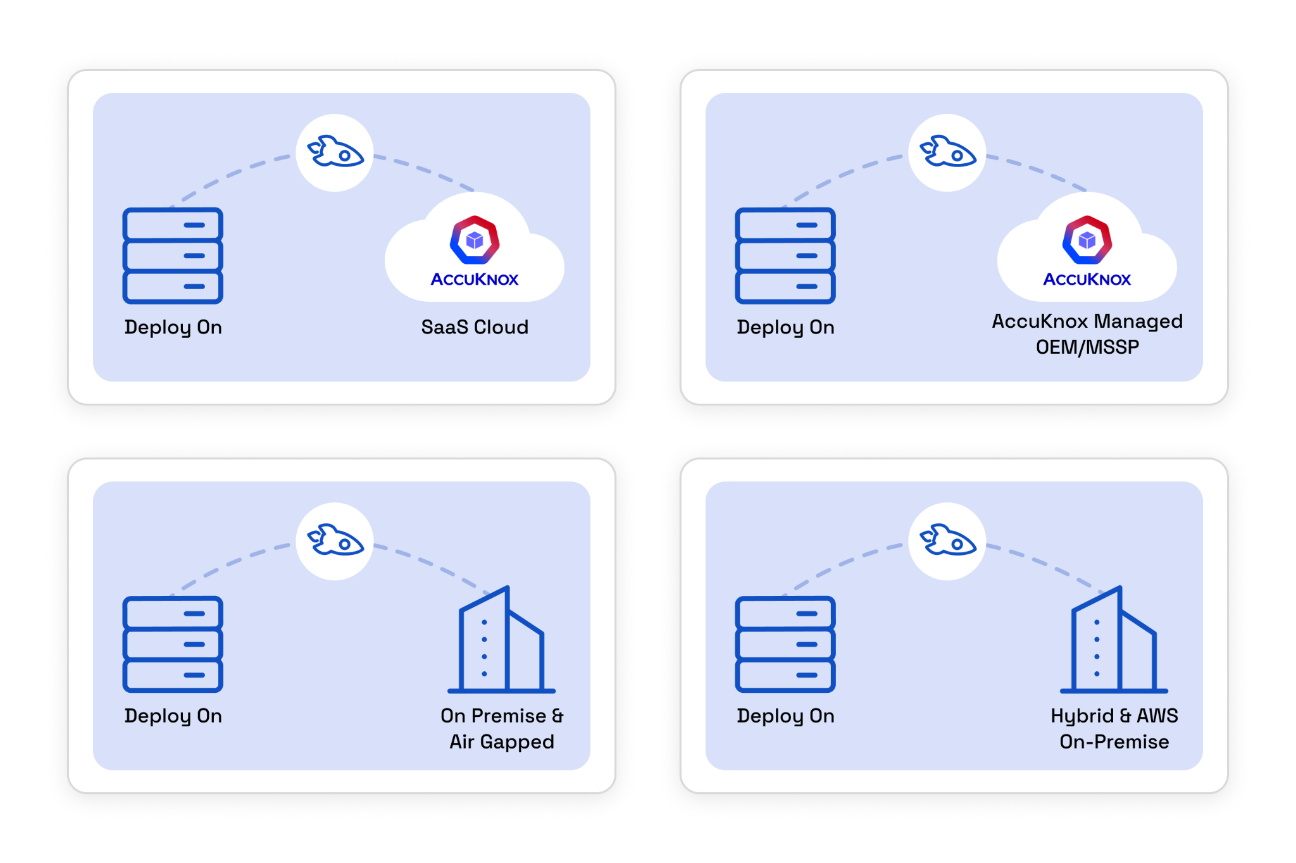
(Mandatory) Support for various container runtimes and orchestration platforms. Docker, Kubernetes Security Posture Management KSPM, OpenShift, VMWare Tanzu, Azure or other container platforms. | Compliant | AccuKnox supports a variety of container runtimes and orchestration platforms, including both managed and unmanaged Kubernetes, such as OpenShift, VMware Tanzu, Azure, and more. Additionally, it provides orchestration for KSPM (Kubernetes Security Posture Management) and CWPP (Cloud Workload Protection Platform), addressing both static and runtime security for containers. Ref: Support_Matrix | 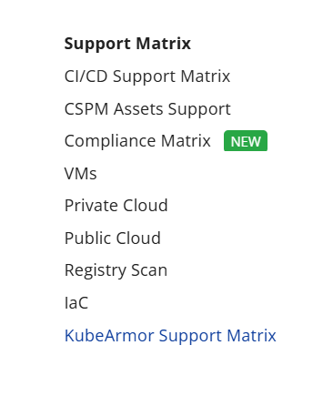
(Mandatory) Installation and configuration of scanning tools. | Compliant | AccuKnox Helps with Installation & Configuration of Scanning Tools - Easy Deployment: One-click or Helm-based installs across Kubernetes or cloud environments. - Custom Configs: Supports scan frequency, severity filters, and integration with CI/CD pipelines. - Centralized Management: Unified dashboard for policy control, scan results, and compliance tracking. - Agent-Based & Agentless: Supports flexible deployment models for cloud and on-prem.
(Mandatory) Integration with container registries (Docker Hub, AWS ECR, Azure ACR, GCR, Harbor, etc.). | Compliant | AccuKnox supports a variety of container registries like DockerHub, Nexus, AWS ECR, Azure ACR, Google GAR, etc. Ref: Support-matrix | 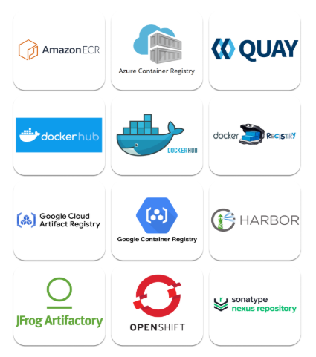
Ensure that, the tool should be able to meet the business requirement. For example, tool should Identify, Analyze and help with comprehensive remediation recommendations, With Large Universal database and should support and identify all containers and web application vulnerabilities developed in different programing languages. | Compliant | AccuKnox Meets Business Requirements for Scanning Tools: - End-to-End Coverage: Identifies, analyzes, and provides comprehensive remediation for vulnerabilities across containers, web apps, IaC, code, and cloud services. - Wide Language & Stack Support: Detects vulnerabilities in applications developed in multiple programming languages and frameworks. - Large Universal Database: Uses a vast, continuously updated vulnerability database for accurate detection. - Assistive Remediation: Offers detailed, actionable fix recommendations for each finding to accelerate resolution. - Container & Web App Security: Fully supports runtime, image, and source-code scanning for modern cloud-native stacks.
Ensure changes performed in technology, systems, applications, hardware, tools, roles, and responsibilities, etc. are properly managed in a controlled and complete manner (assessed, traced, approved, tested, implemented, reviewed, evaluated, and reported). | Compliant | All changes across AccuKnox go through a complete validation phase where it is assessed, approved and tested before implementation in a Demo environment. The application is then reviewed, evaluated and any concerns reported before the implementation is passed on to the production environment. Since all of these are performed in version controlled repositories, accountability is established. Any changes first needs to be approved via the project management system and assigned to the person with the suitable role before working on the change to ensure traceability and responsibility.
Perform static image scanning to detect vulnerabilities in base images and dependencies. | Compliant | AccuKnox provides container image scanning with registry integration, CI/CD pipeline integration, and detects vulnerabilities in base images as well as dependencies Ensure that, the tool should be able to meet the business requirement. For example, tool should Identify, Analyze and help with comprehensive remediation recommendations, With Large Universal database and should support and identify all containers and web application vulnerabilities developed in different programing languages. | 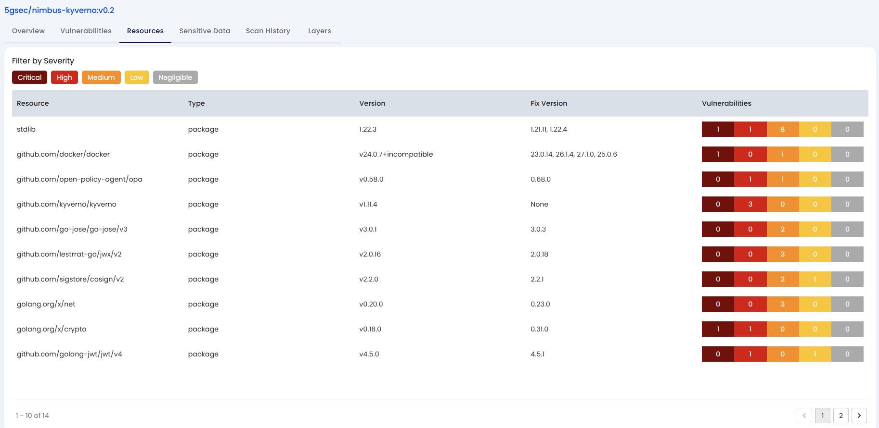
Identify outdated packages, critical CVEs, and misconfigurations. | Compliant | AccuKnox helps identify the outdated packages, critical CVEs, and misconfigurations related to cloud, containers, k8s, etc. | 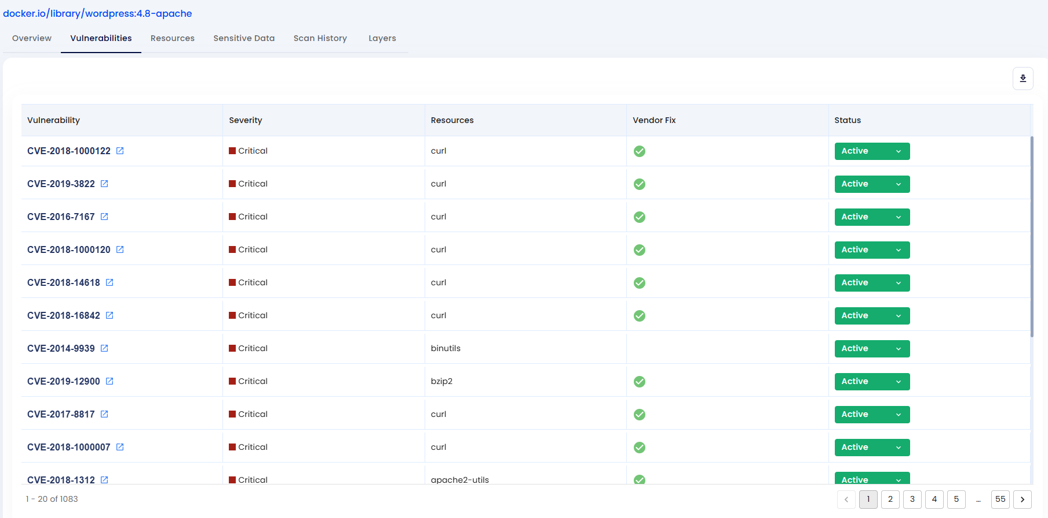
SBOM (Software Bill of Materials) generate an SBOM to track dependencies and vulnerabilities. | Compliant | In Roadmap(ETA: 30th July 2025) Our key roadmap enhancements include: Runtime SBOM Validation: Using our unique eBPF-based runtime visibility, AccuKnox will continuously monitor which components, libraries, and packages from the original SBOM are actually being executed in a live environment. This helps identify unused but vulnerable components that can be removed to reduce the attack surface. Drift Detection: We will provide alerts when a running workload deviates from its original SBOM. If a new library is loaded or a process is executed that wasn't part of the initial bill of materials, AccuKnox will detect this drift in real-time, signaling a potential breach or unauthorized change. Vulnerability Prioritization with Runtime Context: This is our most significant differentiator. Instead of presenting a flat list of all vulnerabilities found in an SBOM, AccuKnox will prioritize them based on runtime behavior. A vulnerability in a package that is actively loaded and used in production will be elevated to a higher priority than a vulnerability in a component that is never executed. This allows DevSecOps teams to focus their remediation efforts on the threats that pose the most immediate and realistic risk. By enriching the static SBOM with real-time intelligence, AccuKnox moves from simply listing what's in your software to providing deep, actionable insights on how it's being used. This is a core part of our "Secure Code to Cognition™" philosophy —delivering a security platform that is not only aware but truly understands your cloud-native environment.
(Mandatory) Runtime protection, monitor running containers for anomalies. | Compliant | AccuKnox offers real-time monitoring and security for containers to detect and prevent anomalies before execution. | 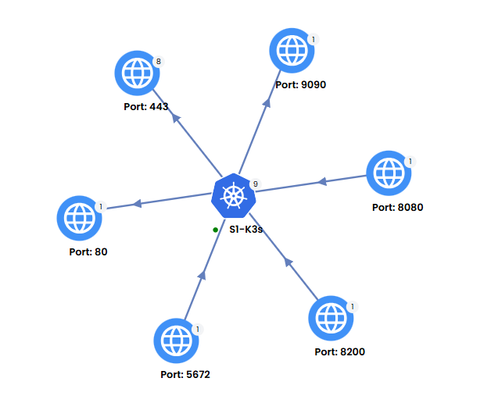
(Mandatory) Control the exec of running containers. | Compliant | AccuKnox provides workload hardening that allows for complete control over the execution of running containers. This process is carried out using customizable hardening policies, enabling users to edit and tailor these policies to meet their specific requirements for managing the execution of processes in running containers. | 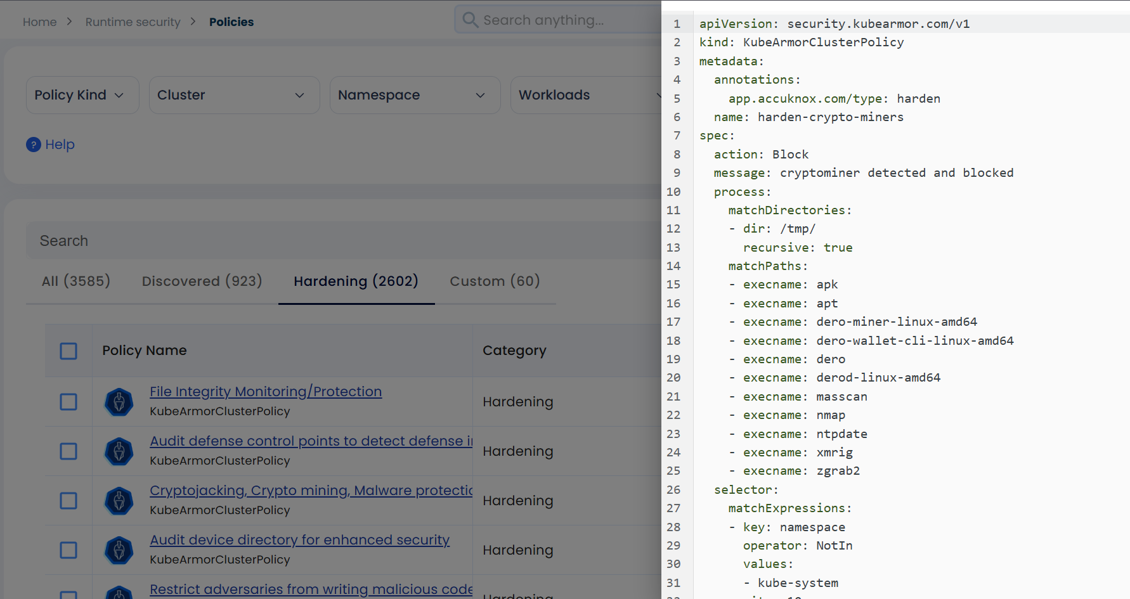
(Mandatory) Control on containers writing data on the disk. | Compliant | AccuKnox offers comprehensive control over the execution of processes, the file paths accessed, and the network behavior of a running container. Through behavioral analysis, AccuKnox automatically discovers zero-trust security policies that assist in whitelisting known application behavior. This means that only recognized actions are permitted, while all unknown or potentially malicious behavior is blocked. | 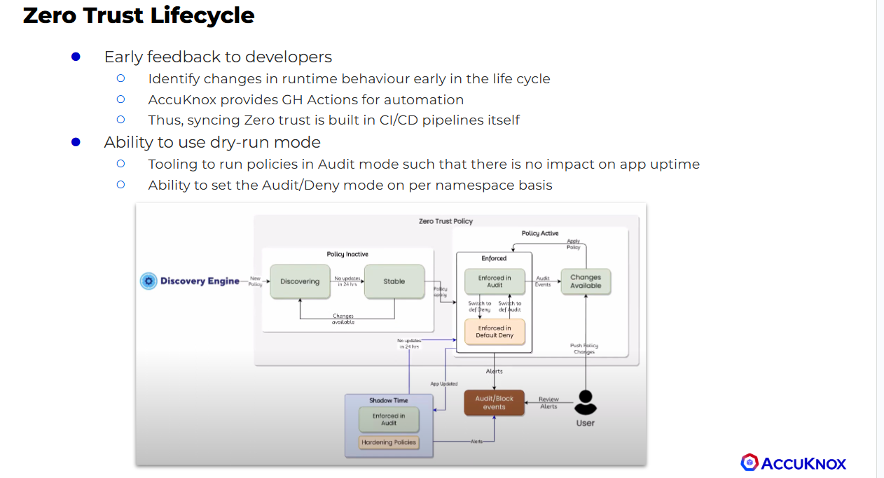
(Mandatory) Block the running container, respective image in case of any malicious activity detected & alert the VM Team.
(Mandatory) Generate detailed risk reports with severity ratings and remediation steps. | Compliant | AccuKnox provides detailed risk reports with severity ratings and remediation steps to assist users in understanding the risks associated with particular assets. It prioritizes remediating the most critical issues first, followed by medium and low severity issues.
(Mandatory) Apply whitelisting/blacklisting policies for allowed and restricted images with version. | Compliant | AccuKnox admission controller policies can be used to whitelist or blacklist certain image registries by making use of patterns to match against images
(Mandatory) Implement real-time monitoring for container workloads. | Compliant | AccuKnox provides realtime monitoring for container workloads | 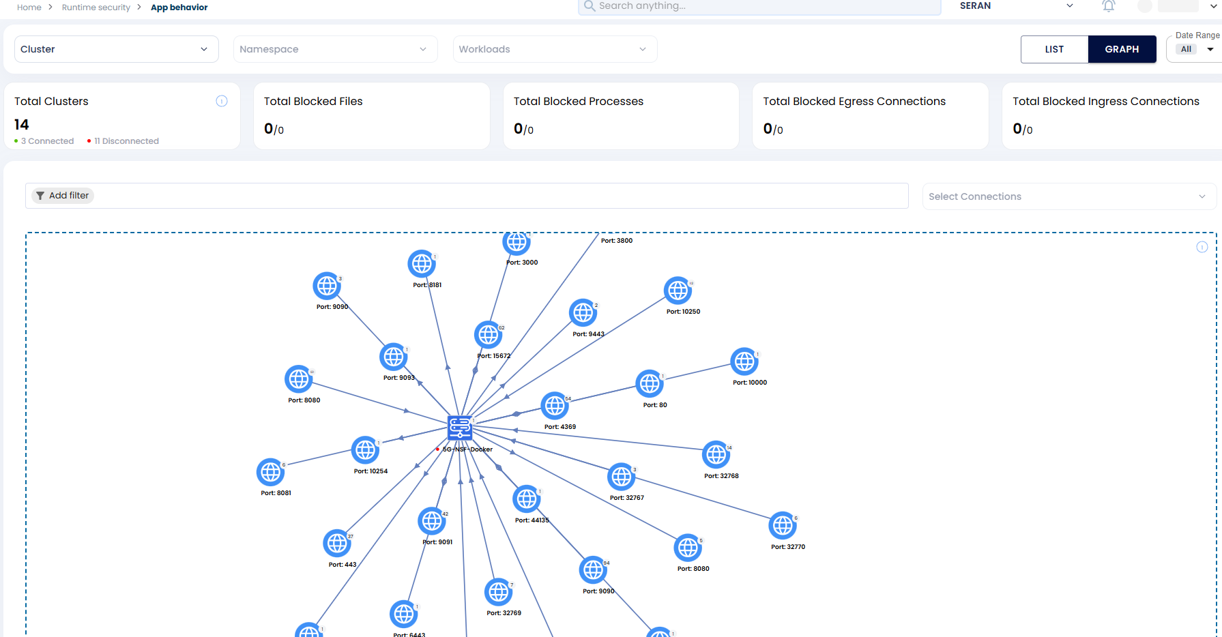
(Mandatory) Detect suspicious activities, privilege escalations, or unauthorized network connections. | Compliant | AccuKnox offers comprehensive control over the execution of processes, the file paths accessed, and the network behavior of a running container. Through behavioral analysis, AccuKnox automatically discovers zero-trust security policies that assist in whitelisting known application behavior. This means that only recognized actions are permitted, while all unknown or potentially malicious behavior is blocked. | 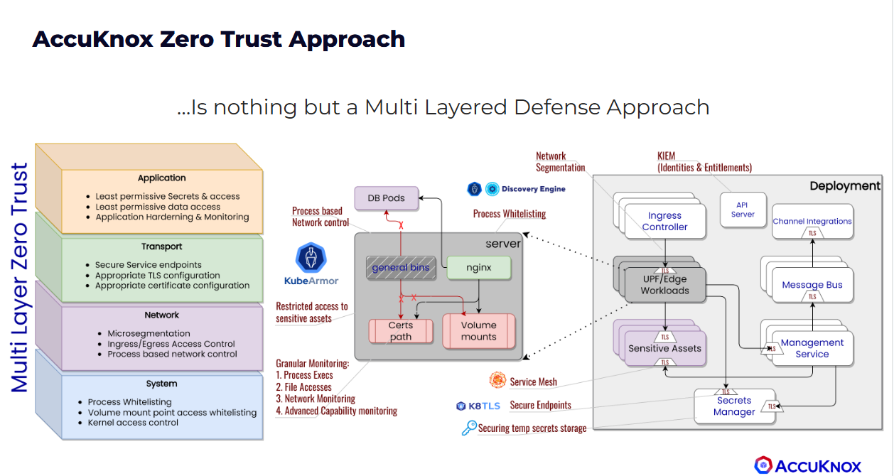
(Mandatory) Monitor system calls and enforce runtime security policies. | Compliant
(Mandatory) Prevent crypto jacking, container escapes, and supply support for SBOMs chain attacks. | Compliant | AccuKnox runtime security can prevent all types of attacks, including cryptojacking, container escapes, and zero-day attacks. Ref: CryptoJacking
(Mandatory) Map findings to security compliance frameworks (e.g., CIS Docker Benchmark, PCI DSS, HIPAA, GDPR). | Compliant | AccuKnox offers more than 33 compliance frameworks, including the CIS Kubernetes benchmark, PCI, HIPAA, GDPR, and ISO27001, among others. Ref: Compliance-matrix | 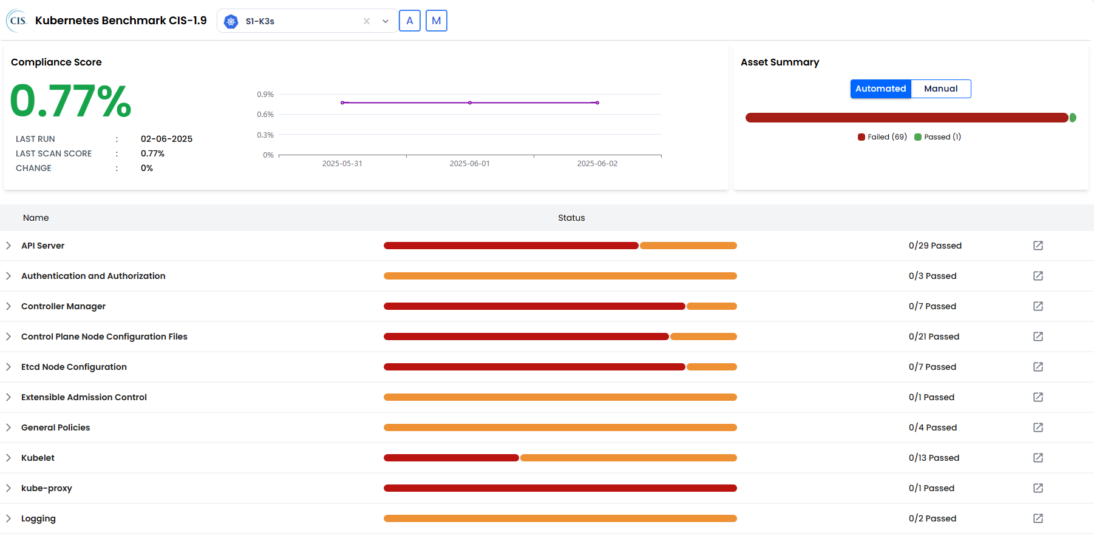
(Mandatory) Define and enforce role-based access controls (RBAC). | Compliant | AccuKnox offers KIEM (Kubernetes Identity and Entitlement Management), which helps identify RBAC misconfigurations through graphs and assists users in remediating those issues. Ref: KIEM | 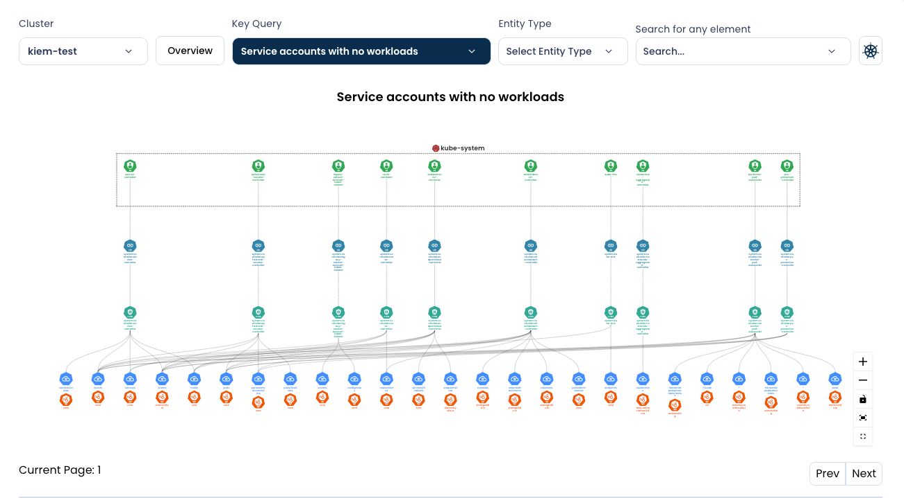
Validate configurations against best practices for Kubernetes security (KSPM). | Compliant | AccuKnox KSPM offers a security framework for Kubernetes, continuously evaluating configurations and identifying misconfigurations to prevent security breaches. Ref: KSPM | 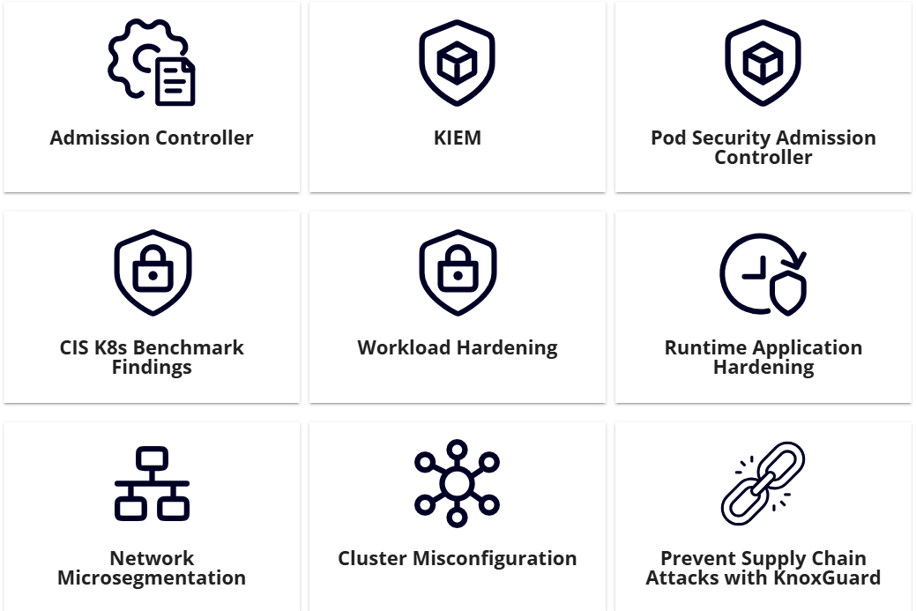
(Mandatory) Integrate scanning tools into Jenkins, GitHub Actions, GitLab CI/CD, Azure DevOps, and other pipelines. | Compliant | AccuKnox supports a variety of CI/CD pipelines, including Jenkins, GitHub Actions, GitLab CI/CD, Azure DevOps, and other pipelines. Ref: CI/CD support-matrix | 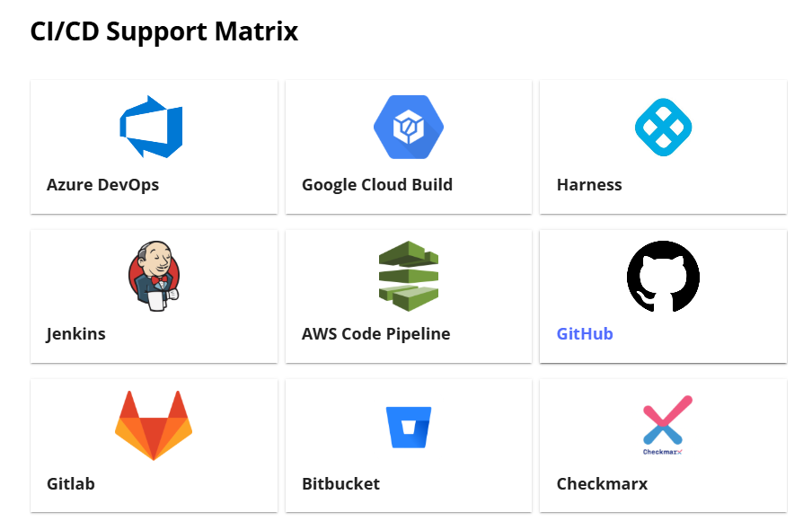
(Mandatory) Automate scanning in the build process of CI pipeline to prevent deployment of vulnerable images. | Compliant | AccuKnox offers plugins and workflows that can be integrated into the pipeline, which includes security gates to prevent builds from succeeding when high-risk vulnerabilities are present. Ref: CI/CD Support-matrix Ref: Container-scan | 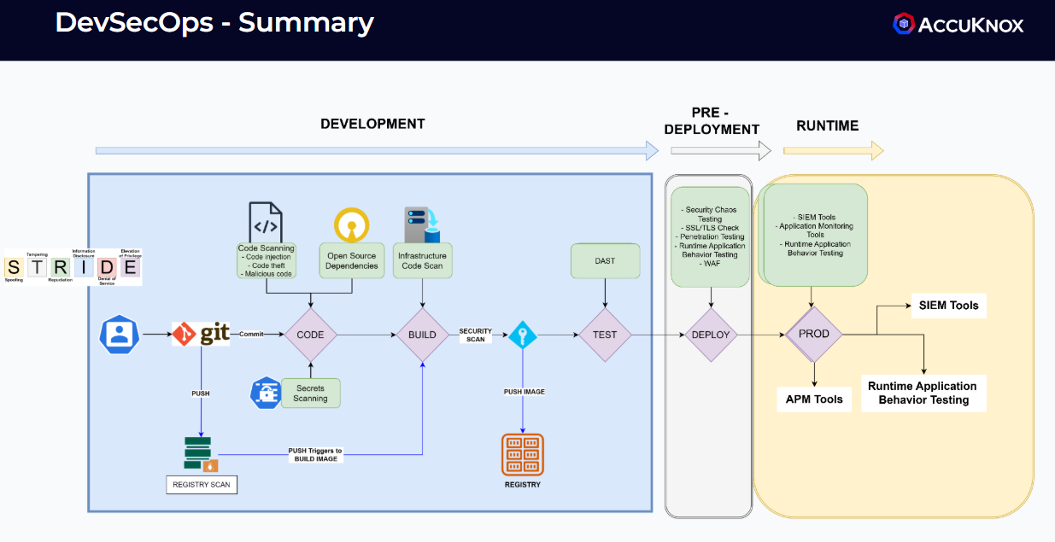
Define security gates to fail builds on high-risk vulnerabilities. | Compliant
Leverage threat intelligence feeds for real-time updates on zero-day vulnerabilities. | Compliant | AccuKnox leverages threat intelligence feeds for real-time updates on zero-day vulnerabilities
(Mandatory) Store logs in SIEM platforms (Splunk, ELK Stack, AWS Security Hub, etc.). | Compliant | AccuKnox provides support for SIEM integration, including Splunk, ELK Stack, AWS Security Hub, etc Ref: SIEM-Integration | 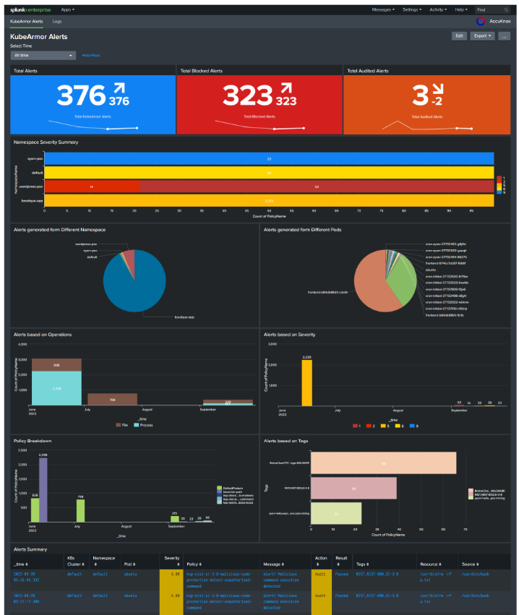
(Mandatory) Provide audit trails for security investigations. | Compliant | AccuKnox provides real-time logs/alerts for security incidents. | 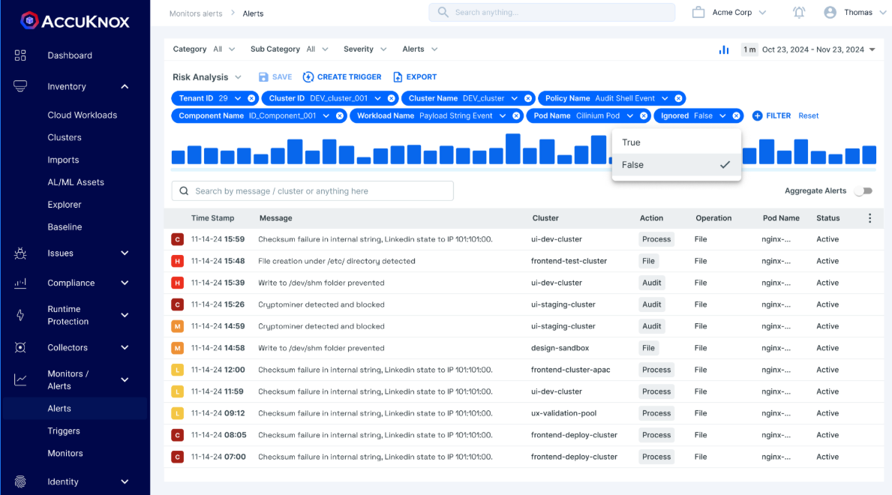
(Mandatory) Generate automated security reports and dashboards. | Compliant | AccuKnox provides reports that can be scheduled or generated on-demand. These reports include security posture, top risks, critical findings, and remediation.
(Mandatory) Provide detailed remediation guidance for developers and DevOps teams. | Compliant | AccuKnox provides assistive remediation for every finding to help DevOps and Devs remediate the security issues. AccuKnox offers a Gen-AI-based co-pilot assistant to assist users in understanding the findings and remediation in detail. AccuKnox supports auto remediation in CDR. Provides detailed remediation steps for each cloud finding activity. | 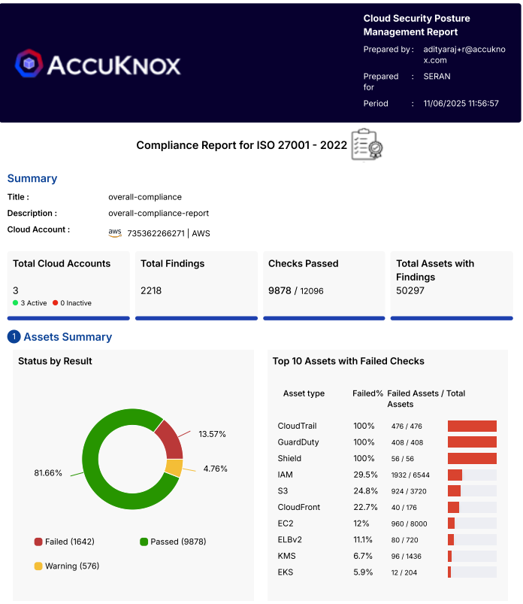 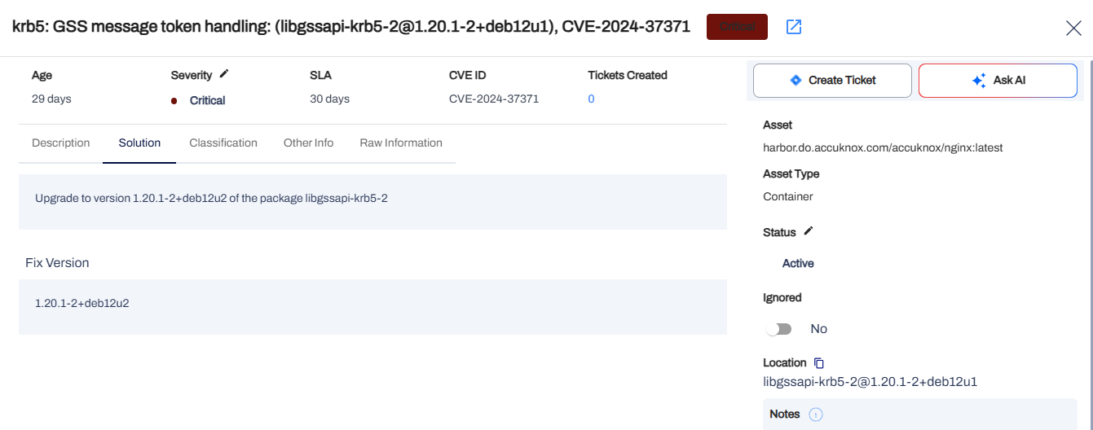
(Mandatory) Schedule regular scanning and compliance audits. | Compliant | AccuKnox provides periodic scans and regular compliance audits
(Mandatory) Secure API and webhook integrations for CI/CD pipelines. | Roadmap | Webhook integration is in Roadmap
(Mandatory) APIs to get all the vulnerabilities reports. | Compliant | AccuKnox provides a control plane API to fetch reports and automate a variety of batch processing tasks using the access token created from the AccuKnox UI. Ref: use-case
(Mandatory) TLS encryption for scanning tool communications. | Compliant | AccuKnox ensures TLS encryption for scanning tool communication | 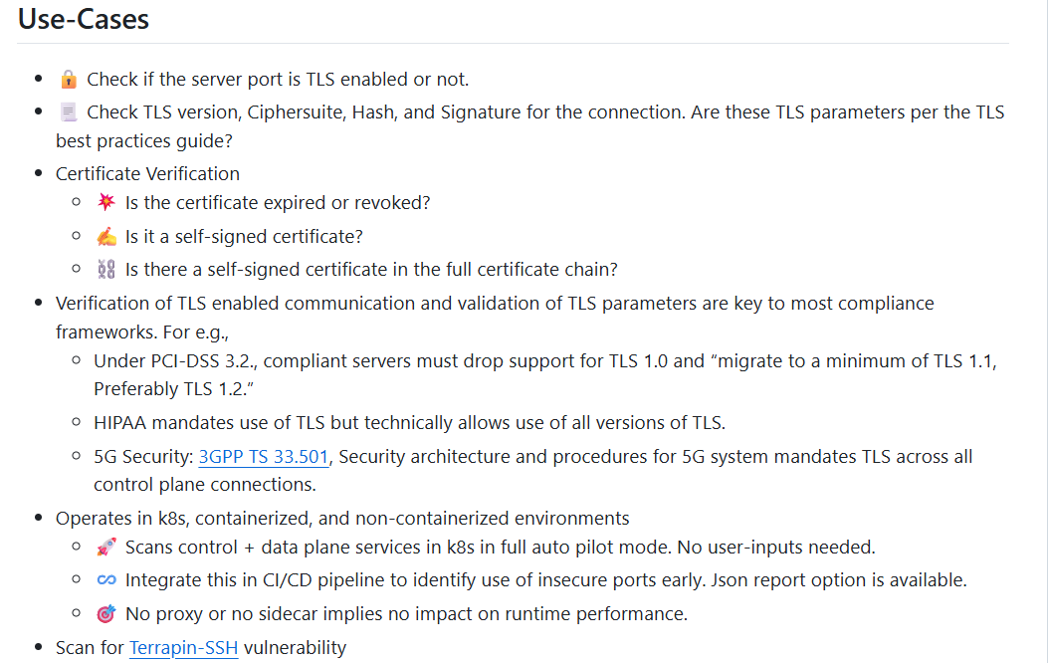
(Mandatory) RBAC for restricted access to vulnerability reports and configurations. | Compliant | AccuKnox provides granular RBAC to control the permissions and privileges assigned to a user on the AccuKnox portal that can be used for restricted access to vulnerability reports and configurations. | 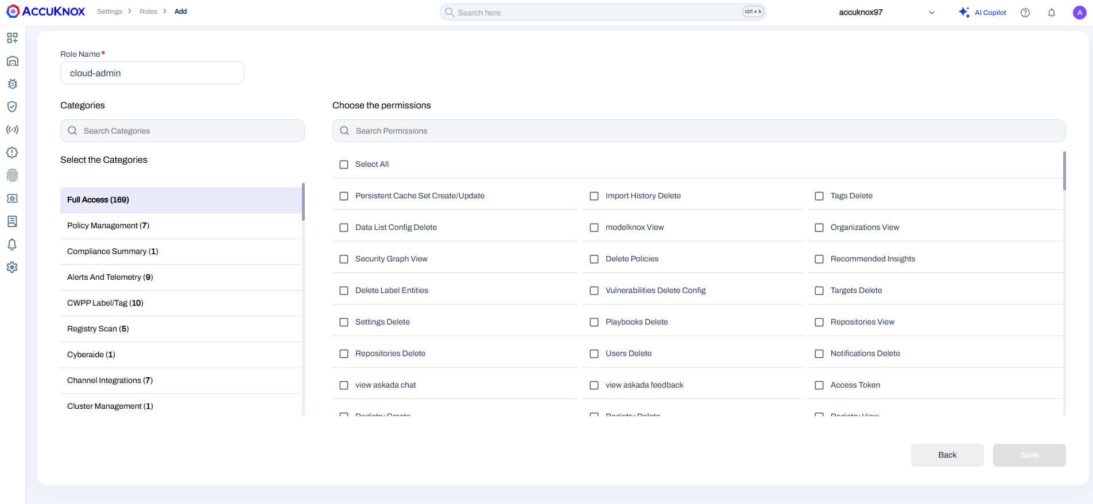
(Mandatory) Proof of concept must be conducted before implementing the solution to test and validate the tool. | Compliant | AccuKnox always conduct POC(proof of concept) with mutual agreement before implementation
(Mandatory) Configuring the web application scanning solution as per SABIC policy and procedure. | Compliant | Configuration of the web application scanner is possible
(Mandatory) Configuring the container scanning solution as per SABIC policy and procedure. | Compliant | The results gathered from the container scanner can be passed through customized filters to disregard or prioritize issues according to organization policies. AccuKnox rules engine can also help with automating the procedure taken on identifying a matching issue with the policy criteria
(Mandatory) Ensure, before implementing the tool, that user is trained on the scanning solution. Also ensure the below points before performing the scanning. | Compliant | AccuKnox ensures that users are properly trained on the platform before the scanning solution is implemented, fulfilling the mandatory requirement for user readiness. The platform also supports a pre-scan checklist to confirm correct configurations, verify scan scope and targets, and ensure that scanning activities do not disrupt live environments. This approach guarantees effective use of the tool and secure, accurate scanning operations.
User should understand the web applications and container related vulnerabilities. | Compliant | Yes, AccuKnox ensures comprehensive understanding, not just detection. Our platform is built on a "Secure Code to Cognition™" philosophy, designed to provide deep, actionable insights into all vulnerabilities. We achieve this by: 1. Unified Dashboard: Presenting all findings from Application Security (ASPM), Cloud Security (CSPM), and Workload Protection (CWPP) in a single, consolidated interface for clear visibility. 1.1. Contextual Prioritization: Leveraging eBPF for deep runtime observability, we move beyond just listing CVEs. Our platform identifies if a vulnerable package is actually being used in a running container, allowing your team to prioritize the most critical risks. 2. Actionable Remediation: We provide clear remediation guidance and can auto-generate security policies based on observed application behavior to proactively harden your workloads. 3. Comprehensive Training: We provide role-based training and detailed documentation to ensure your team understands how to interpret scan results and leverage the platform effectively. | 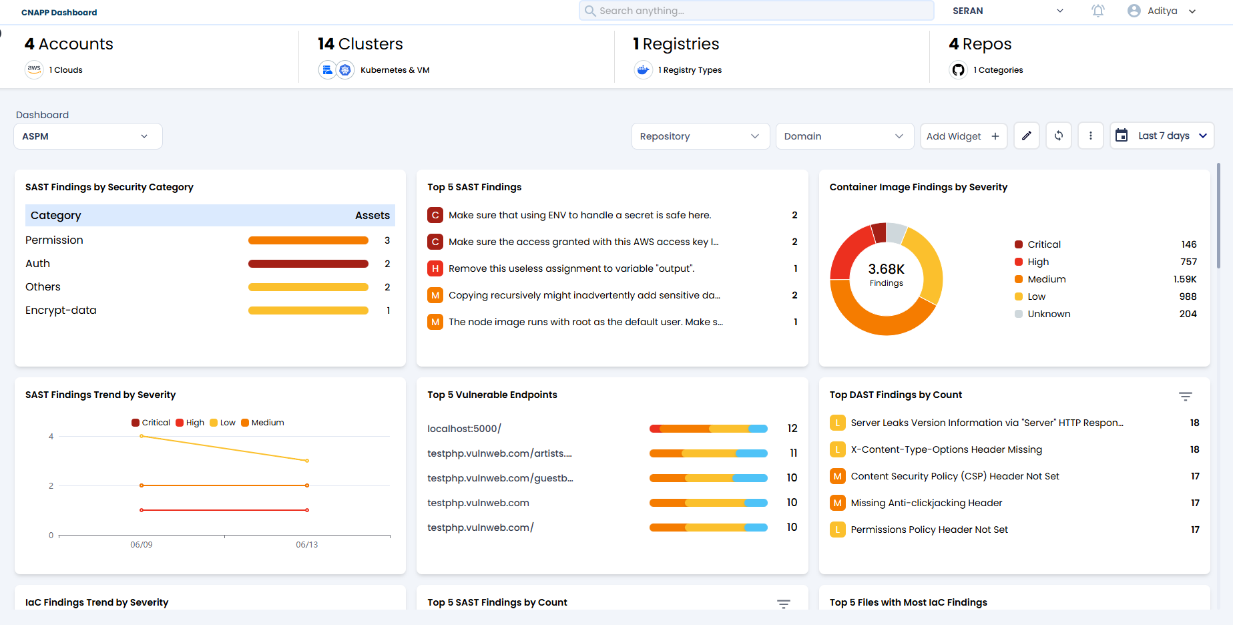
Tool must support testing in the Test environment before moving to Production. | Compliant | Absolutely. AccuKnox is designed to secure the entire software development lifecycle (SDLC). Our platform fully supports deployment and testing in pre-production environments. This is a core part of our "Build to Run-time" security model. Shift-Left Security: We integrate directly with your CI/CD pipelines to automate security scanning (SAST, DAST, SCA, IaC) in your Test and Staging environments. This allows you to identify and fix vulnerabilities before they ever reach production. Environment Consistency: Security policies, configurations, and compliance checks performed in the Test environment can be seamlessly promoted to Production, ensuring consistent security posture across all stages of development. Comprehensive Pre-Production Scanning: Our platform supports registry scanning, code analysis, and infrastructure-as-code (IaC) scanning, providing complete visibility into your applications before they are deployed. | 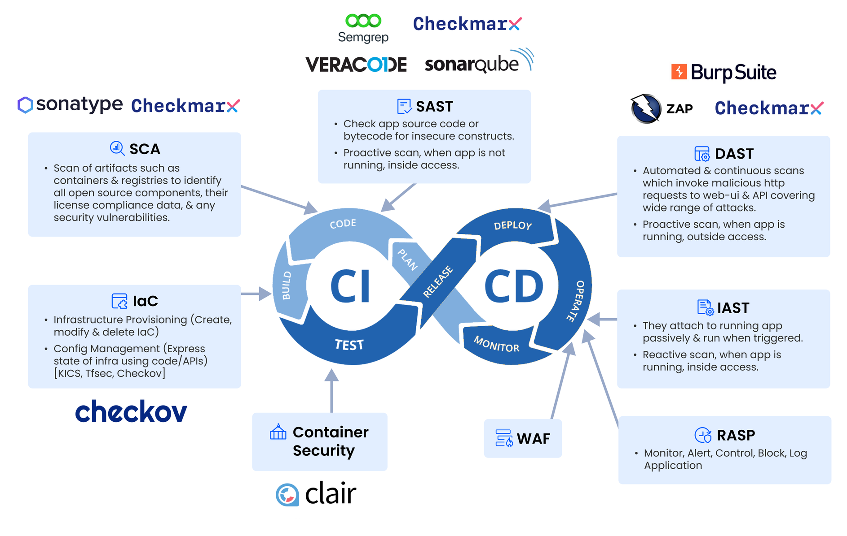
Tool must support scanning in the web application in Production environment in controlled manner. | Compliant | Yes, controlled and efficient production scanning is a key differentiator for AccuKnox. We specialize in runtime security, which is designed specifically for live production environments. Low-Impact Runtime Engine: Our solution is not a legacy platform. It is Kubernetes-native and built on modern, highly efficient technologies like eBPF and Linux Security Modules (LSMs). This allows us to provide deep security visibility with a negligible performance footprint, as proven in a deployment on 15,000 IoT devices where our platform consumed less than 100MB of memory.
Ensure, updated / latest database before conducting the scanning. | Compliant | This is guaranteed. The AccuKnox platform automatically maintains the latest vulnerability and threat intelligence databases. Continuous Updates: Our vulnerability intelligence feeds are continuously and automatically updated from numerous industry-leading sources without requiring any manual intervention from your team. Proactive Detection: By ensuring our databases are always current, every scan your team performs is checked against the most recent threat intelligence, enabling the detection of even newly discovered, zero-day vulnerabilities.
Output should be validated with SME before reporting. | Compliant | The scan results will be visible on the AccuKnox UI, where a Subject Matter Expert (SME) can review the findings. After validation, the results can be compiled into detailed reports and forwarded to the relevant stakeholders for remediation and action.
Tool must provide detailed reporting structure and its web interface. | Compliant | AccuKnox provides reports in a predefined structure and AccuKnox team can also help with customizing the report | Refer: Custom-report
(Mandatory) Vendor must define licensing structure like Perpetual or Yearly fixed. | Compliant | The AccuKnox licensing is subscription based and can be done in an Yearly manner
(Mandatory) Ensure technology-specific controls are accounted for:
• Kubernetes-native controls like admission controllers, PodSecurityPolicy replacements (OPA/Gatekeeper/Kyverno), network policy enforcement. | Compliant | AccuKnox supports Kyverno admission controller and has support for other admission controllers as a part of its roadmap. The admission control support is enabled by KnoxGuard which integrates with a policy enforcement engine for enforcing policies written in simple yaml PSA policies are also supported by AccuKnox and can be managed from the console at namespace granularity. It also provides the ability to dry run and check how the polciies might affect the workloads. K8s native Network policies are auto generated by AccuKnox to whitelist the network connections that are used by the workloads | Refer: Admission-controller
• Use of RBAC, service accounts, namespace boundaries. | Compliant | AccuKnox provides KIEM which can be used for tracking the roles assigned to the entities across the entire kuberentes cluster. This also allows setting up customized policies where the roles available can be specified as required for service accounts and other entities. Any identified entities are mapped as a finding for further investigation and remediation
(Mandatory) Align to SABIC Architecture Drivers |  | AccuKnox will ensure to align with SABIC Architecture Drivers
• Centralized reporting and integration with SIEM and GRC. | Compliant | AccuKnox can act as a centralized reporting platform by ingesting findings and then sharing it with the integrated SIEM tool for analysis. This can also be customized to share only findings that match a certain criteria. In addition, AccuKnox also provides customized reporting feature based on the features that are consumed from the platform. | 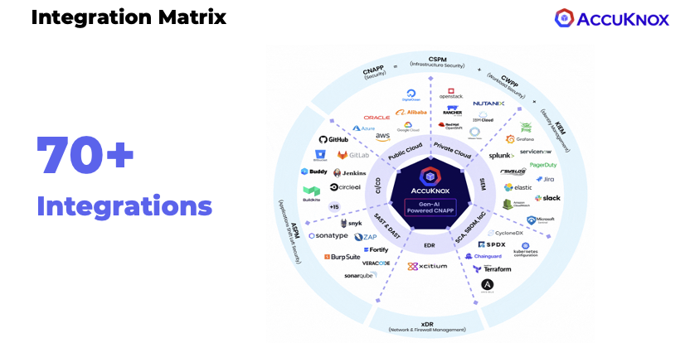
• Scalability and coverage for hybrid and multi-cloud environments. | Compliant | Accuknox supports the three major cloud providers AWS, Azure and GCP and can also support On Prem environments. This includes support for OpenShift, Nutanix, VMWare Tanzu among others to provide comprehensive coverage for the complete organization infrastructure | Refer: Support-matrix
• Clear definition of who acts on vulnerabilities and how they are resolved or tracked. | Compliant | Ticketing tools such as Jira, ServiceNow can be integrated with Accuknox to assign the vulenrabilities to specific personnel. The AccuKnox platform automatically populates the details of the vulnerability and associated remediation suggestions. Any changes and comments on the ticket are also captured and sunchronized across AccuKnox and the integrated platform. The history of changes is also saved for tracking purposes. | Refer: Integrations

NON-FUNCTIONAL REQUIREMENTS
Requirement | Support | AccuKnox Response
(Mandatory) Tool must support on-premise implementation or can be hosted within KSA cloud. | Compliant | AccuKnox has an expanded offering to cater to diverse deployment needs and preferences: - AccuKnox SaaS - This is our go-to mainstream offering designed for production environments. It provides seamless and scalable security solutions through a SaaS model, ensuring ease of use and quick deployment. - AccuKnox Managed OEM/MSSP - This model is tailored for managed deployments where AccuKnox oversees upgrades and maintenance while keeping the OEM/MSSP informed. This ensures that our partners, such as Xcitium, can rely on us for smooth operations and continuous improvements without losing control over the deployment. - AWS On-prem - In this deployment, we leverage managed services from AWS, including S3, RDS, and others, to provide a hybrid solution combining cloud and on-premises deployments. This setup ensures optimal performance and scalability while utilizing AWS's robust infrastructure. - Full On-prem/Air-Gapped - For environments requiring maximum security and isolation, we offer full on-premises or air-gapped deployments. This ensures that all data and operations remain within the customer's premises, providing the highest level of control and security, suitable for sensitive and regulated industries. Reference: Deployment_Models | 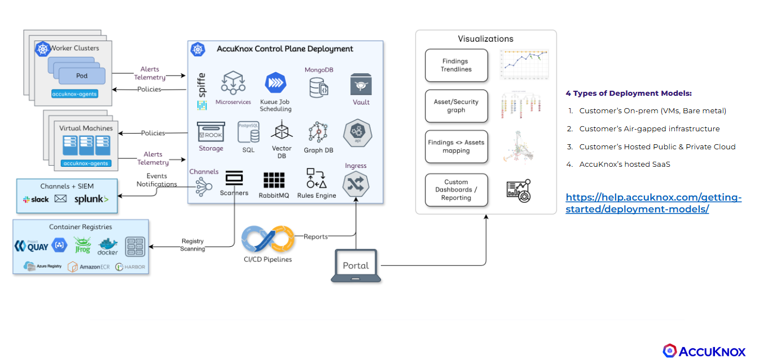
(Mandatory) Reports must show fix recommendation including CVE IDs and must align with OWASP Top 10 and / or SANS 25 standards for web application vulnerabilities. | Compliant | AccuKnox provides assistive remediation and fix recommendations for all identified vulnerabilities, including detailed references such as CVE IDs. The platform’s findings and guidance are aligned with industry standards like the OWASP Top 10 and SANS Top 25, ensuring relevance and effectiveness in addressing critical security risks. | 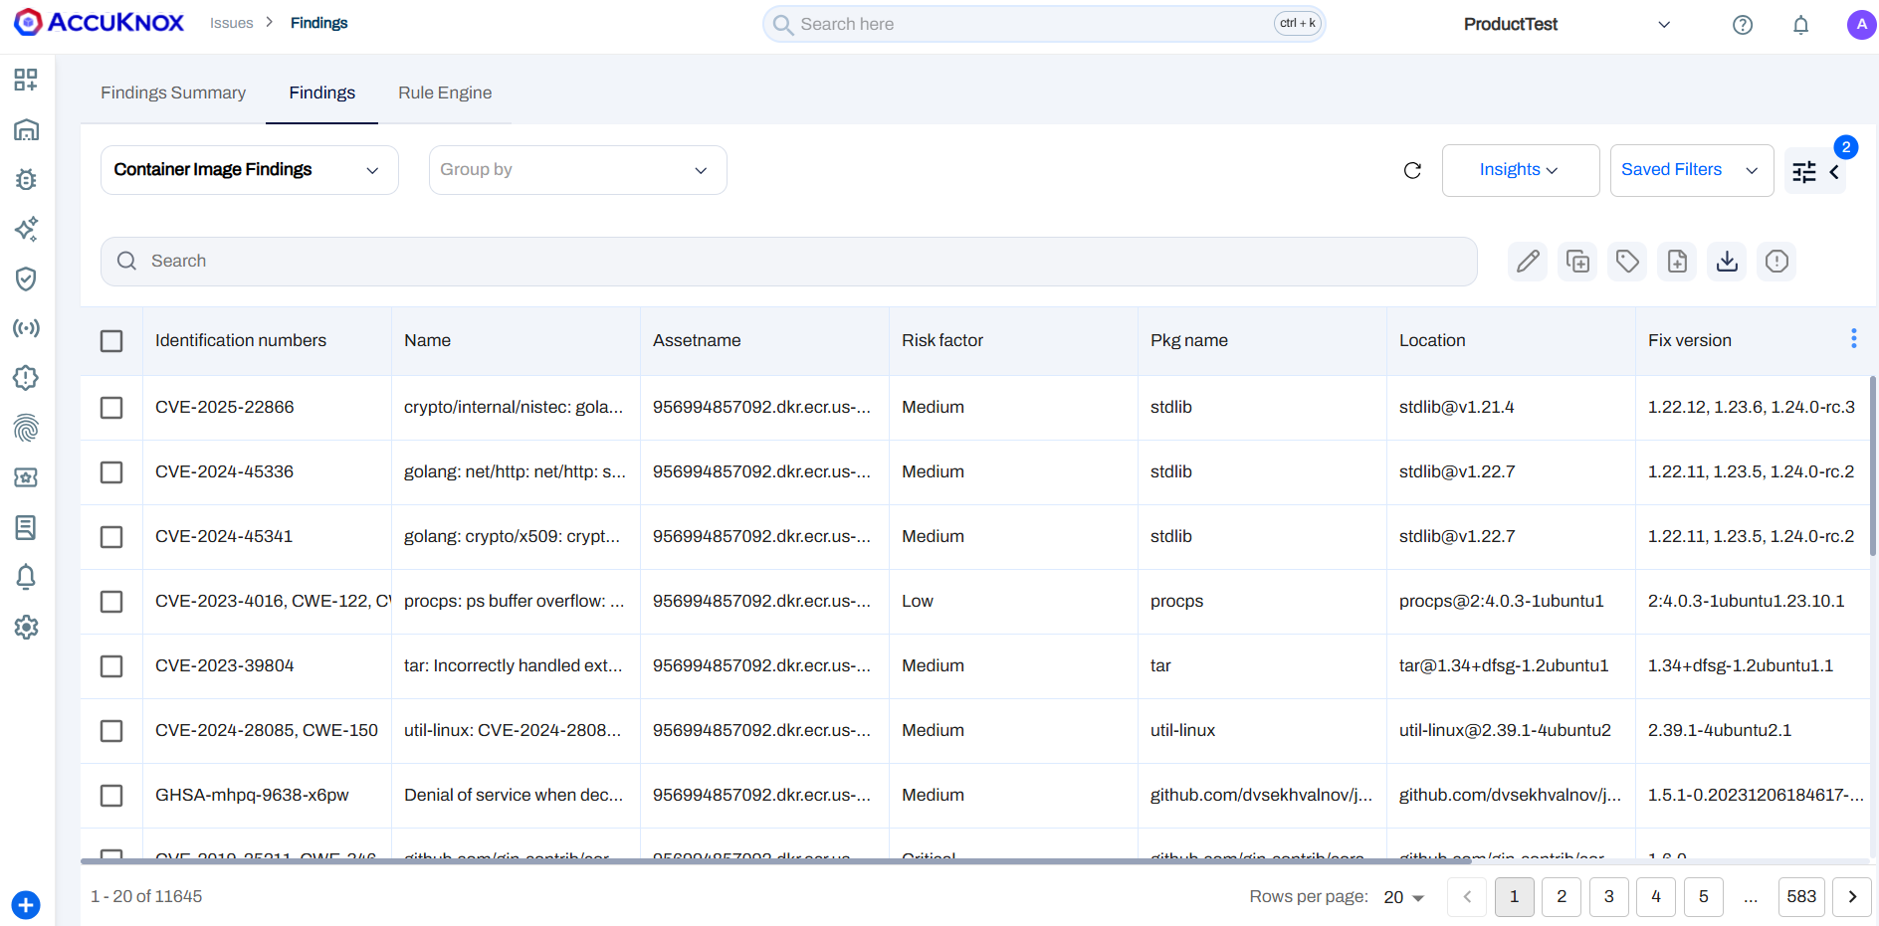
(Mandatory) Tool should provide a mechanism to track the age of the vulnerabilities (First detected, last detected, re-opened) | Compliant | AccuKnox provides complete visibility into the lifecycle of each finding, including when it was first detected, last seen, its presence on a specific date, and any changes in its status. This helps in tracking, auditing, and effectively managing the remediation process over time. | 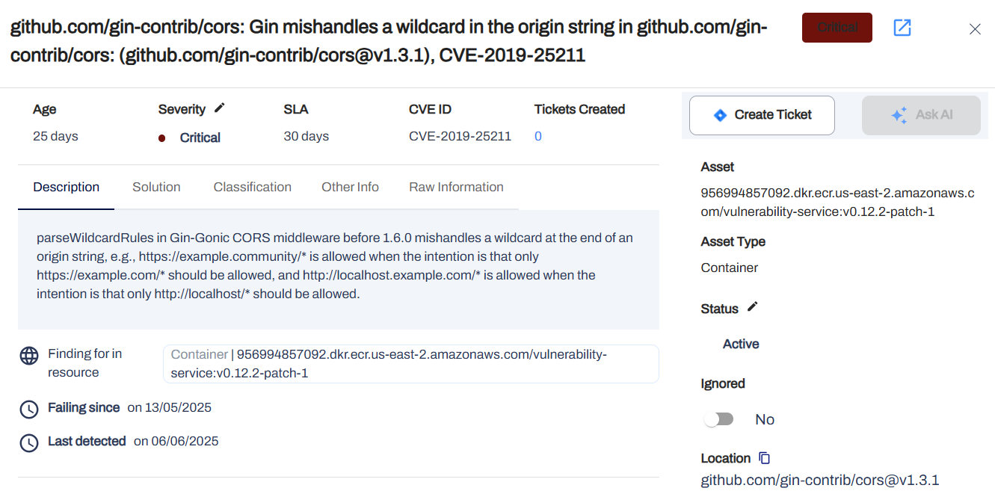
(Mandatory) Tool should support data backup and (Optional) disaster recovery. | Compliant | AccuKnox controlplane supports Data Backup and Disaster recovery

OTHER REQUIREMENTS
PRODUCT SUPPORT
Requirement |  | AccuKnox Response
(Mandatory) The vendor shall provide 24/7 product support to cover global operations. | Compliant | AccuKnox provides 24/7 global product support through our dedicated support channels, including email and phone, to ensure continuous assistance for your team. Attaching the professional services guide - PDF here
(Mandatory) Vendor must provide security updates of their tool if any vulnerabilities are identified in the product. | Compliant | AccuKnox is committed to the security of our platform. We proactively monitor for vulnerabilities and provide timely security updates and patches. Our blog regularly details our rapid mitigation of emerging CVEs, such as our virtual patching for the recent Ingress Nightmare (CVE-2025-1974).
(Mandatory) If a major part of the tool is announced as EOL, vendor shall provide an updated version of the tool free of cost. (For example: Flash going EOL) | Compliant | Yes, this is covered. AccuKnox is a modern, continuously evolving CNAPP solution. All platform updates, including version upgrades necessitated by component End-of-Life (EOL) announcements, are provided to our customers as part of their active subscription at no additional cost. Our goal is to provide a future-proof platform.
(Mandatory) Product Support required 2 years. | Compliant | AccuKnox offers flexible, multi-year enterprise agreements. We can fully accommodate the required two-year product support term.
(Mandatory) Vendor to specify minimum product EOL (End of Life) & EOS (End of Support / Service) | Compliant | AccuKnox is committed to providing a transparent and predictable lifecycle for our products. Our standard policy is to provide customers with a minimum of 12 months' notice for any End-of-Support (EOS) and 18-24 months' notice for any End-of-Life (EOL) transitions for major platform versions.
(Optional) Tool may have the ability to integrate with SABIC’s SIEM solutions. | Compliant | AccuKnox is designed for seamless integration with leading SIEM solutions. Our architecture natively supports sending alerts and notifications to tools like Splunk and other SIEMs via standard protocols.
SUPPORT
(Mandatory) Professional support must be provided after go-live, it must cover any enhancements, customization, upgrade and fixing of issues. | Compliant | AccuKnox provides comprehensive, professional post-deployment support as a standard part of our partnership. This includes ongoing support for platform enhancements, required customizations, version upgrades, and prompt resolution of any issues.
(Mandatory) a skilled resident engineer is required to provide hands-on support. | Compliant | AccuKnox can provide a skilled, dedicated resident engineer as part of our premium enterprise support packages. This resource will offer hands-on support and act as a direct extension of your team to ensure you maximize the value of our platform.
TRAINING
(Mandatory) Ensure to provide the training related requirements. | Compliant | AccuKnox will provide comprehensive training that meets all specified requirements. Refer Certification page
Number of sessions - 6 | Compliant | We can provide 6 or more virtual training sessions, tailored to your team's needs.
Training Delivery – Virtual | Compliant | All training sessions will be delivered virtually by our expert solutions engineers to accommodate your global team.
Training Material – Documentation | Compliant | Comprehensive training materials, including product documentation, playbooks, and user guides, will be provided.
Role based training sessions to be organized. | Compliant | We will organize and deliver role-based training sessions customized for the various stakeholders in your organization, including Security Architects, DevSecOps Engineers, Compliance Officers, and Platform Engineers.

Project Phase | Tasks/Activities |  | Deliverables (As Applicable)
Project Planning | Project Planning Monitoring, Reporting Risk management Quality Management |  | A detailed project plan outlining scope, objectives, phases, milestones, and timelines. Roles and responsibilities matrix for all stakeholders.Detailed Project Plan HLD and LLD designs Scanner Sizeing guide Periodical Status Reports
Analysis & Design | Information gathering & scope finalization Business use case development Create Technical and Network Architecture design Hardware Sizing Designing – High level design, low level design. |  | Finalized Project Scope Defintion Business use cases to be supported Technical and Network Design Customized to SABIC Finalized Hardware sizing requirements
Test | Create test plan and scenarios Execute functional test Execute non-functional test (Operational, Performance, failover) |  | Test plan Use case wise policies Reports
Deploy | Install and configure the solution components in the production environment. Rollout solution on pilot basis |  | Solution is rolledout in production environment Administrator and Operation handbooks/manuals
Training & Knowledge Transition | Administrator training Knowledge transition activities |  | • Administrator Training – Managing policies, alerts, and integrations. • SOC Analyst Training – Interpreting alerts, responding to incidents. • IT Support Training – Maintaining Container scanning tool, troubleshooting issues. • User guides and SOPs for daily operations.
Run & maintain | Management of devices / solution Operational activities Reporting |  | Device Management Report SLA Dashboards and Reports
Handover | Operational handover activities |  | Handover sessions conducted Acceptance criteria / sign off
 | Knowledge Transfer Document |  | • Step-by-step operational procedures for security teams. • Best practices for policy tuning and performance optimization. • Troubleshooting and escalation matrix.
 | Final Implementation Report |  | • Summary of implementation phases and key findings. • Risk reduction and compliance improvements post-deployment. • Recommendations for ongoing monitoring and security enhancements.

DELIVERABLES
Vendors are asked to deliver as part of the engagement:

Design document for the Solution that specifies:
The target architecture, High Level Design and Low-Level Design. | The AccuKnox Administrator Guide contains the required components needed to be implemented for the POC It includes the details of the tests, use-cases, and onboarding journey to be taken to meet the KPI's
How the required components will be implemented.
The details of the tests and measurements to be taken to meet the KPI’s.
How the components will be removed after the POC | Once the POC is concluded, AccuKnox will provide the deboarding command to remove all the components from the target environment
POC Test Plan showing details of the tests and their expected results for confirmation. | AccuKnox offers a Proof of Concept (POC) scope and test plan as part of our engagement, which includes the following components: 1. Cloud Security Posture Management (CSPM) 2. Cloud Workload Protection Platform (CWPP) 3. Kubernetes Security Posture Management (KSPM) 4. Application Security Posture Management (ASPM) 5. AI Security Posture Management (AI-SPM) 6. Governance, Risk, and Compliance (GRC) Users can select the use cases outlined in the POC scope plan, and once an agreement is reached, we can proceed with the POC.
Reports from the system to demonstrate its effectiveness after the POC. | AccuKnox generates automated reports from the system for risk assessments performed on agreed-upon use cases. Refer: CWPP-Report, Custom-report
“POC Results Report” with detailed findings, including: Performance of the system vs. the requirements Examples of reports created showing their value. Any technical issues found and how they were addressed. Evidence of resources required to run and maintain the system. Architecture and strategy for full implementation based on lessons learned. | AccuKnox generates automated reports from the system for risk assessments performed on agreed-upon use cases. Refer: CWPP-Report, Custom-report In Addition, AccuKnox creates a summary report for the findings and risk assessment performed over the target environment
Vendor to provide project plan. | Here's a detailed sheet elaborating the project plan in a gantt view of 2 weeks
Licenses as mentioned above in Scope section. | 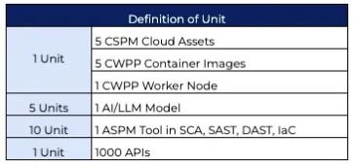
Tool Configuration and integration with necessary systems | AccuKnox supports integration with necessary systems and tools: Refer: Integration
Scanning and Reporting in the available environments | After scanning the environment, users can generate on-demand reports from the platform, which are available in PDF format.
Tool integration with SABIC SIEM Solution (If applicable) | AccuKnox supports SIEM integration and can extend its support for SABIC SIEM solution if needed Refer: Integration
Capacity Planning for the Scanner servers (If applicable) | All the scanners are deployed along in a micro-service based architecture over an on-premise deployment, We can have capacity planning for the same Refer: OnPrem Pre-requisite
Standard Operating Procedure documentation describing the details of the necessary day-to-day support tasks. | Refer: Technical Guide
Full training for administrators, users and awareness training material for Tool Administrators and all role-based users. | AccuKnox will deliver comprehensive virtual training to meet all requirements, facilitated by our expert solutions engineers. We will provide extensive training materials, including documentation, playbooks, and user guides. Training sessions will be tailored to different roles within your organization, including Security Architects, DevSecOps Engineers, Compliance Officers, and Platform Engineers.
Product support/maintenance for 2 years. | AccuKnox offers flexible, multi-year enterprise agreements. We can fully accommodate the required two-year product support term.
RACI matrix between the SABIC and the Vendor | The AccuKnox team will discuss the RACI matrix to reach a mutual agreement on it.
Documentation: All documentation that is provided by vendor shall comply with requirements below as minimum: Documentation shall, wherever possible, be submitted electronically in Microsoft Office format (Word, Excel, PowerPoint, Visio, or Project as necessary). SABIC may ask vendor to provide the documents in hardcopies. All documents will be in the English Language | AccuKnox offers comprehensive web-hosted documentation for product use cases, covering all required parameters from onboarding to issue reporting and remediation. The documents can be downloaded in PDF format. Refer: Help-Doc
Post-Implementation Support
Go-Live Support & Hypercare Report | AccuKnox provides comprehensive, professional post-deployment support as a standard part of our partnership. This includes ongoing support for platform enhancements, required customizations, version upgrades, and prompt resolution of any issues.
24/7 monitoring support during the initial Go-Live phase. | AccuKnox provides 24/7 global product support through our dedicated support channels, including email and phone, to ensure continuous assistance for your team. Attaching the professional services guide - PDF here
Resolution of deployment or configuration issues. | AccuKnox can provide a skilled, dedicated resident engineer as part of our premium enterprise support packages. This resource will offer hands-on support and act as a direct extension of your team to ensure you maximize the value of our platform.
System health check and performance review. | Refer: Health-check
Continuous Improvement Plan | AccuKnox continuously seeks to enhance its security capabilities and product features. We have a comprehensive roadmap planned for the year and prioritize feature requests from our customers.
Recommendations for periodic security assessments. | We conduct periodic security scans and review the reports to assess our compliance score. If we identify any areas that require improvement, we implement remedial measures to enhance compliance and create a more effective environment.
Guidance on updating Container Scanning tool policies as systems evolve. | AccuKnox continuously seeks to enhance its security capabilities and product features. We have a comprehensive roadmap planned for the year and prioritize feature requests from our customers.
Strategies for integrating new security intelligence feeds | AccuKnox utilizes databases from MITRE, NIST, NVD, and others for security intelligence feeds and continuously conducts R&D to identify newly discovered zero-day vulnerabilities and implements their protection.

Supplier must fully comply, at its own cost, with all applicable Cybersecurity requirements including, but not limited to, those set forth in the table below. Some requirements only apply to Suppliers that process, access, or store SABIC and/or its Affiliate information/data. Suppliers are responsible for determining what requirements apply to them and ensuring that they meet all applicable legal requirements.

GOVERN
Policies, Processes, and Procedures (GV.PO)
MSR-01 | Information security management Suppliers must have defined policies for information security, approved by their management, and communicated to the people with access to their information systems. |  | AccuKnox follow information security plan for information security management and the same is communicated to the management as well as the people with access to their information systems
IDENTIFY
Improvement (ID.IM)
MSR-02 | Self-assessments Suppliers will perform, at minimum, a self-assessment of their operational resilience and Cybersecurity practices in order to identify and appropriately manage potential risks. The self-assessment must include, at minimum, all the requirements included in this document. The self-assessment must be repeated at yearly intervals (or when requested by SABIC). |  | AccuKnox conducts regular security assessments, audits, and penetration tests with the help of a dedicated team to ensure the security of AccuKnox SaaS.
Asset Management (ID.AM)
MSR-03 | Asset Management SABIC Assets associated with information processing facilities managed by the Supplier must be identified and an inventory of these Assets must be drawn up and maintained by the Supplier. |  | AccuKnox Asset Management provides visibility and control over cloud and Kubernetes assets. It auto-discovers resources across AWS, Azure, GCP, and K8s, classifies them by type and risk, maps dependencies, and enforces Zero Trust policies. Key features include real-time monitoring, compliance reporting, and integration with DevSecOps tools. It supports eBPF-based deep observability and open-source tools like KubeArmor.
PROTECT
Identity Management, Authentication, and Access Control (PR. AA)
MSR-04 | Access control management Supplier must have a defined, documented and enforced Access Management Policy for physical and Logical access to networks, systems, and applications in Supplier Environment that processes, accesses, or stores SABIC ‘s data. At least the Access control management must include: The access rights granting, changing, and disabling based on documented and authorized approvals. A process implemented to ensure the disabling of account of personnel no longer on employment or contracted. The periodical review of access rights to ensure that access is fit for purpose. In addition, it is recommended to implement the following password security requirements. Password minimum length of 8 characters and complexity rules. Password expiry set not less than 90 days. Account lockout threshold set to 10 attempts (or less). No password sharing allowed. |  | To ensure strong access control, AccuKnox has a well-defined Access Control Policy in place. This policy outlines how access to systems, applications, and data is governed across the platform. It includes: Role-Based Access Control (RBAC): Ensures users only have access to the resources necessary for their roles. Principle of Least Privilege: Access is granted based on the minimum required permissions to perform tasks. User Authentication Controls: Enforces Multi-Factor Authentication (MFA) and supports Single Sign-On (SSO) to ensure secure login.. Policy Enforcement: Access policies are consistently applied across environments, including cloud, on-premises, and Kubernetes. You can view the full policy document here: 📄 AccuKnox Access Control Policy
Platform Security (PR.PS)
MSR-05 | Physical security perimeter Supplier must define and implement the security perimeters of their Environment to protect key systems/services and physical assets. |  | AccuKnox’s architecture is Cloud based Architecture so we don't manage the physical servers or data centers
MSR-06 | Media protection Supplier must protect both paper and electronic information or any other media storing SABIC’s data, by limiting access to information on those media to the authorized System Users and Sanitize or destroy information system media before disposal or release for reuse. |  | AccuKnox Media Protection Policy outlines the controls in place to safeguard digital and physical media containing sensitive or critical data. Key elements include: Controlled Access: Only authorized personnel can access media containing sensitive data. Encryption: Data at rest and in transit is encrypted using industry-standard protocols. Media Handling Procedures: Guidelines for labeling, storage, transport, and disposal of media to prevent unauthorized access or data leakage. Audit and Logging: Media access and handling activities are logged and subject to review. You can view the full policy document here: 📄 AccuKnox Media Protection Policy
MSR-07 | Personnel security Suppliers must apply preventive measures confirming the adequacy and integrity of their System Users involved in the provision of services to SABIC. These measures must, at minimum, include the verification of their references and identity and the employee’s agreement for proper use of information systems. The Supplier must report all changes related to System Users with access to SABIC’s information systems so that their access authorization can be updated by SABIC accordingly. The Supplier must have formal procedures for off-boarding employees and contractors. Off-boarding procedures must include the return of Assets, and removal of all associated access rights. |  | AccuKnox Personnel Security Policy ensures all employees and contractors follow security best practices. It includes background checks, confidentiality agreements, security training, and clearly defined responsibilities. Access is role-based, and personnel are required to follow company policies to protect sensitive data. 📄 View the full policy
Awareness and Training (PR.AT)
MSR-08 | System Users training Supplier must provide and require all System Users to take a yearly mandatory Cybersecurity awareness training that addresses acceptable use and good computing practices. Training must address at least the following topics: Cybersecurity Acceptable Use. Internet and social media security. Social Engineering and Phishing emails. Confidentiality and not sharing credentials (e.g., user/password). Information security policies. |  | AccuKnox provides training for employees and customers on security awareness and best practices for using the platform. AccuKnox also offers a dedicated course for platform training and security best practices. You can find the full policy document here: AccuKnox security awareness training
Technology Infrastructure Resilience (PR.IR)
MSR-09 | Email service protection The Supplier must protect its email service with at least the following: Analyzing and filtering email messages (specifically regarding Phishing and spam) using up-to-date email protection techniques Multi-Factor Authentication for remote and webmail access to email service. Email archiving and Backup. Secure management and protection against Advanced Persistent Threats. Validation of the Supplier email service domains (e.g., using Sender Policy Framework). |  | AccuKnox Secure Email Policy ensures safe email communication by using authorized, encrypted services, enforcing MFA, and monitoring for threats. Users must follow best practices and report suspicious activity. 📄 View the full policy
MSR-10 | Patching Supplier technology Assets and systems must be regularly updated with the operating system (OS), software and applications Patches provided by their manufacturer according with industry best practices. |  | We constantly upgrade our product for any updates and also improve on our Security best practices time to time to be more secure
MSR-11 | Anti-Malware Supplier technology Assets must be protected with Anti-Malware software. Updates must be applied daily, and full system scans must be performed at least every two weeks. In case of virus/malware detection, the virus/malware must be eradicated promptly, and the affected systems restored to a clean status. |  | AccuKnox protects assets with anti-malware software, ensuring every system is scanned twice weekly.
MSR-12 | Network controls Networks in the Supplier Environment shall be managed and controlled to protect information in systems and applications. Network controls shall be deployed by means of Firewalls and other network security technologies that includes Intrusion Detection Systems (IPS) or Intrusion Detection Systems (IDS) and acting as network policy enforcement points. |  | AccuKnox Network Security Policy ensures protection of network infrastructure through controlled access, segmentation, and monitoring. Key points include: Access Controls to restrict network entry. Network Segmentation to isolate sensitive systems. Regular Monitoring and logging of network traffic. Use of Firewalls and Intrusion Detection Systems to detect and block threats. Encryption for data in transit. 📄 View full policy
DETECT
Continuous Monitoring (DE.CM)
MSR-13 | Audit and accountability Supplier must create and maintain information system Audit Logs needed to allow the analysis, investigation, and reporting of unauthorized, or inappropriate information system activity in the Supplier Environment and ensure that the actions of individual information System Users can be attributed to those System Users. |  | AccuKnox ensures compliance by generating and maintaining detailed audit logs for all critical systems. These logs capture user activities, access events, and system changes, allowing full traceability to individual users. Logs are securely stored, protected from tampering, and monitored continuously to detect unauthorized or inappropriate activity. They are retained according to policy and are regularly reviewed for compliance and incident investigation.
RESPOND
Incident Management (RS.MA)
MSR-14 | Incident response Supplier must have an incident handling process for information systems in the Supplier Environment, which includes the preparation to detect, analyze, contain, recover and response to incidents. |  | AccuKnox Incident Response Plan defines how security incidents are detected, contained, resolved, and reviewed. It includes clear roles, continuous monitoring, rapid response steps, and post-incident analysis to prevent recurrence.
Incident Analysis (RS.AN)
MSR-15 | Incident categorization The supplier must define a clear process of how incidents are categorized based on the impact it could leave. |  | AccuKnox defines a clear incident categorization process based on the potential impact of each event. Incidents are classified by severity—ranging from low to critical—based on factors such as data exposure, system downtime, and operational disruption. This ensures appropriate prioritization and response for each incident type.
RECOVER
Incident Recovery Communication (RC.CO)
MSR-16 | Supplier incident reporting The Supplier must notify and report to SABIC any adverse situation or Cybersecurity incident that occurs in the Supplier Environment, affecting any networks, systems or applications that process, access, or store SABIC’s data. The notification must be made as soon as practicable, but no later than twenty-four (24) hours after the Supplier becomes aware of it or should have become aware of it. The Incident must be classified according to the below classification. INCIDENT SEVERITY CLASSIFICATION Severity Description High Has led to, or is likely to lead to: Adverse impacts on critical systems or services, departmental network segment, system or service. An effect on a large number of critical systems or services. Full Shut Down or Unavailability of Safety Systems. Continuing impact on normal operations. A threat to human safety. Possible legal liability to the company. Sensitive data leakage or loss. High adverse impact on people. Non-availability of system / services will result in very high consequences / serve loss. Medium Has led to, or is likely to lead to: Adverse impacts on a moderate number of non-critical systems or services, departmental network segment, system or service. Temporary disruption to business processes which are now running normally. Moderate adverse impact on people. Non-availability of system / services would have minimal / insignificant impact. Minimal loss of non-sensitive data. Low Has led to, or is likely to lead to: Adverse impacts a small number of non-critical systems or services. Minimal disruption to business processes which are now running normally. Low adverse impact on people. No loss of data. The Supplier must make the notification to SABIC using the following channel: Email: CyberSecurityCenter@SABIC.COM The supplier should escalate to a direct phone call to the SABIC 24/7 Cyber Security Center +966556900971 if it is believed that SABIC interests have been specifically t |  | AccuKnox will ensure timely notification to SABIC of any cybersecurity incident affecting systems, networks, or applications that process, access, or store SABIC’s data. AccuKnox commits to reporting such incidents as soon as practicable, and no later than 24 hours after becoming aware of the event. All incidents will be classified according to the defined severity levels to support appropriate response and communication.

8 SPECIFIC CYBERSECURITY REQUIREMENTS
Supplier shall comply with below requirements:

**Requirements CCS-27, CCS-28, CCS-39 and CC-58 to CCS-62 are mandated, if applicable, to be included in contracts by the KSA National Cybersecurity Authority (NCA)

(CT Mapping column indicates the related CyberTrust control).

GOVERN
Risk Management Strategy (GV.RM)
CCS-01 | The Supplier must maintain a Cybersecurity risk management and mitigation program, with clear roles & responsibilities, processes, risk appetite and tolerance, risk strategy, and Third Party Risk Management. |  | CT-17
Policies, Processes, and Procedures (GV.PO)
CCS-02 | The Supplier must have policies and processes to classify information in terms of its value, sensitivity, criticality, confidentiality and regulatory requirements. |  | CT-18
Roles, Responsibilities, and Authorities (GV. RR)
CCS-03 | The Supplier must have employee(s) whose primary responsibility is Cybersecurity. Responsibilities of those personnel must include maintaining the security of information systems and ensuring compliance with existing policies. |  | CT-19
CCS-04 | The Supplier must conduct background check (screening/vetting) on Employees viewing or/and processing SABIC’s confidential and strictly confidential |  | CT-20
IDENTIFY
Asset Management (ID.AM)
CCS-05 | The Supplier must follow an established Secure development Life Cycle (SDLC) for the Software and product development. The SDLC should comply with applicable best practice guidelines. SDLC should incorporate vendor-specific development best practices to ensure applications are built with the recommended security guidance from the vendor. |  | CT-21
Risk Assessment (ID.RA)
CCS-06 | The supplier must conduct risk assessment to identify potential threats and mitigation plans of the identified risks should be well documented. |  | CT-24
CCS-07 | The Supplier must perform a regular vulnerability scanning using trusted vulnerability management technologies. |  | CT-25
CCS-08 | The Supplier must conduct at least annual Penetration Testing on its IT infrastructure systems and internet facing applications by reputed external party. |  | CT-26
Improvement (ID.IM)
CCS-09 | The Supplier must have a process in place to guarantee that a non-disclosure agreement between contracted employees of the Supplier and the Supplier is signed before access to SABIC systems and/or premises is granted. |  | CT-28
PROTECT
Identity Management, Authentication, and Access Control (PR. AA)
CCS-10 | System Users must have unique user logins and passwords for applications and systems. Generic accounts must not be allowed, unless explicitly approved, restricted, and controlled. |  | CT-29
CCS-11 | All privileged accounts must be limited, justified, and reviewed on regular basis. |  | CT-30
CCS-12 | Multi-factor authentication must be enforced on all privileged accounts access including remote access to information systems and applications. |  | CT-31
CCS-13 | The Supplier must support identity federation services. |  | CT-32
Platform Security (PR.PS)
CCS-14 | Network connections to information systems and applications at the Supplier location must be authorized and monitored. |  | CT-37
CCS-15 | The cryptographic technologies used by the product must be aligned with the applicable national regulations. |  | CT-38
CCS-16 | The Supplier must implement sufficient mechanisms to protect data-in-transit. Data-in-transit should be encrypted with strong, approved algorithms. End-to-end encryption should be enforced where applicable using VPN and/or TLS capable connectivity solutions with secure key exchange and forward-secrecy capability. |  | CT-39
CCS-17 | Encryption keys and certificates must be managed in a secure manner. |  | CT-40
CCS-18 | The Supplier must implement data-at-rest encryption mechanisms, using at least AES-128 encryption algorithm, on all devices or storage media hosting sensitive data. |  | CT-41
CCS-19 | Creation of tunnels must be based on certificates with automation of tunnel creation and key rotation for each tunnel. |  | CT-43
CCS-20 | The Supplier must provide secure session management including session authenticity, lockout, and timeout termination. |  | CT-44
CCS-21 | The Supplier must have network controls deployed such as firewalls, network segmentation, network access control, Intrusion Detection Systems (IDS) or Intrusion Prevention Systems (IPS) and DoS filtering. |  | CT-45
CCS-22 | The Supplier must implement a device control mechanism (Endpoint Security) on Assets that are used to receive, store, process or transmit SABIC data. |  | CT-46
CCS-23 | The Supplier must have and apply a secure baseline configuration which should be established following applicable best practice guidelines (e.g., CIS) for all underlying assets used to provide the agreed service. |  | CT-47
CCS-24 | The Supplier must conduct periodic vulnerability scans to evaluate configuration, Patches, and services for known Vulnerabilities. |  | CT-48
CCS-25 | The Supplier must implement a sanitization process before any Assets are loaned, donated, destroyed, transferred, or surpluses. The process must be aligned to industry best practices such as NIST 800-88. |  | CT-49
CCS-26 | The Supplier must retain all audit logs from information systems and applications storing, processing, or transmitting SABIC data for one (1) year, as per local and international laws and regulations (whichever is greater) depending upon the type of data being collected. |  | CT-50
*CCS-27 | The Supplier must ensure the isolation of tenants. The SABIC's environments/data (specifically virtual server if applicable) must be separated from other customer environments/data hosted at the cloud services provider. |  | CT-51
*CCS-28 | The Supplier must have the capability to restrict the storage of the customer data to specific countries or geographical locations in compliance with applicable laws and regulations. |  | CT-52
CCS-29 | The supplier must ensure the implementation of a data loss prevention (DLP) technology. |  | CT-53
Technology Infrastructure Resilience (PR.IR)
CCS-30 | The Supplier must ensure that physical assets are adequately secured and that access to the physical assets as well as SABIC’s data is restricted to authorized personnel only. Access in such cases must be documented, and compliant with any applicable legal requirements. |  | CT-54
CCS-31 | The Supplier must implement data validation on all input fields for applications or Cloud Services used by SABIC to only accept input with valid data type, syntax, length range, sanitized, accurate, well-formed, and adheres to defined constraints |  | CT-55
CCS-32 | Access to the Internet must be restricted by Content-filtering technologies to block: • Malicious and suspicious websites. • Personal and non-company email services. • Personal and non-company approved public cloud services. |  | CT-56
CCS-33 | Physical security procedures defined and followed that address the control of physical access, environmental protection, equipment maintenance, equipment siting, visitor management etc. |  | CT-57
CCS-34 | Access to sensitive areas (server location, tape library, computer room, etc.) must be physically restricted to authorized personnel only; wherever applicable physical access control must be implemented. |  | CT-58
CCS-35 | The facilities must be protected against fire, water damage, vandalism, and other threats known or likely to occur at their geographical locations. |  | CT-59
CCS-36 | Facilities and server rooms must be monitored via a Closed-Circuit Television (CCTV) system on a 24/7 basis. All video surveillance data must be protected from unauthorized disclosure and modification and maintained for at least ninety (90) days or otherwise in accordance with the local/regional regulations. |  | CT-60
CCS-37 | Uninterruptible Power Supplies (UPS) and surge protector must be used to provide short-term and long-term power when the power fails and to protect information systems from voltage spikes and reductions. |  | CT-61
CCS-38 | The Cloud service provider must establish mechanisms to automatically identify equipment using connection authentication (cryptographic based mechanisms that get verified after establishing a connection between the communicating services). |  | CT-62
*CCS-39 | The Supplier must return the SABIC data in a usable format upon service completion |  | CT-63
CCS-40 | The Supplier must provide security documentation for any equipment or services under request by SABIC. |  | CT-64
CCS-41 | Supplier system development environments, including testing environment and integration platforms, must be protected. |  | CT-66
CCS-42 | All media must be inventoried and labelled as per the classification level. Inventory audit should be used to avoid unknown or unresolved discrepancies in tape inventories in order to find the information needed to get up and running in the event of a disaster. |  | CT-70
CCS-43 | Backup media must be secured to block/inhibit unauthorized physical access. |  | CT-71
CCS-44 | Supplier must establish and follow regular procedures for backup of critical systems and SABIC’s data, software, and websites. |  | CT-72
CCS-45 | Backup stored at an off-site location must be encrypted using at least AES encryption algorithm, and 128 bits key. |  | CT-73
CCS-46 | The Supplier must monitor Technology Assets, Systems, and applications to identify unauthorized access, or unauthorized activity. |  | CT-75
CCS-47 | All physical access control logs periodically reviewed and retained as per retention requirements. |  | CT-79
CCS-48 | Systems’ logs and critical files must be protected from unauthorized access, tampering, illegitimate modification and/or deletion. |  | CT-80
CCS-49 | Records kept of all suspected or actual faults and all maintenance activities performed on equipment's Is the maintenance must be carried out by authorized personnel only. |  | CT-81
DETECT
Continuous Monitoring (DE.CM)
CCS-50 | The remediation of newly discovered critical vulnerabilities presenting significant risks must be performed in a timely manner: Critical Risk: immediate correction up to fourteen (14) calendar days of critical vendor patch release, notification from SABIC, or discovered security breach whichever is earlier. High Risk: within one (1) month of vendor patch release or discovered security breach whichever is earlier. Medium and Low Risk: within three (3) months of discovery. |  | CT-82
CCS-51 | The supplier must be continuously monitoring cybersecurity events through a security incident and event management process. |  | CT-83
Adverse Event Analysis (DE.AE)
CCS-52 | Suppliers must periodically aggregate and correlate data from multiple systems and critical applications such as Firewalls, IDS/IPS, and anti-virus in a central repository for event monitoring and analysis purposes. |  | CT-84
CCS-53 | The Supplier must have a Disaster Recovery Plan (DR Plan) which is documented, maintained, tested, and communicated to appropriate parties. The DR Plan should address the recovery of Assets and communications following a major disruption to business operations. |  | CT-85
RESPOND
Incident Management (RS.MA)
CCS-54 | The Supplier must have security mechanisms in place to achieve resilience requirements in normal and adverse situations and ensure high availability of its services. This includes having sufficient capacity available. |  | CT-86
CCS-55 | Procedures for the backups of the provisioned solution and SABIC's data must be established, conducted, maintained, and tested on a regular basis. SABIC can define more specific requirements for backup in the Scope of Work. |  | CT-87
Incident Response Reporting and Communication (RS.CO)
CCS-56 | Supplier must have an Incident Response capability that includes preparation, detection and analysis, containment, eradication, recovery, documentation and preservation of evidence, communication protocols and lessons learned. |  | CT-88
CCS-57 | Documented Security Incident Response process covering physical security incidents. |  | CT-89

For cloud services provided to SABIC Saudi-Based departments or Affiliates the Supplier shall comply with the additional requirements included in the below table.

*CCS-58 | The Cloud Services provider must host and storage SABIC´s information originated or owned by Saudi-Based departments or affiliates inside the Kingdom of Saudi Arabia. |  | CT-90
*CCS-59 | The Cloud Services provider must fulfill NCA's requests to remove software or services, provided by third-party providers that may be considered a cybersecurity threat to national organizations, from the marketplace provided to SABIC |  | CT-91
*CCS-60 | If SABIC´s information originated or owned by Saudi-Based classified by SABIC as critical is involved in the cloud service: The Cloud services provider must be following NCA’s Cloud Cybersecurity Controls (CCC) |  | CT-92
*CCS-61 | If SABIC data or systems classified by SABIC as critical is involved in the service: Outsourcing services must rely on Saudi companies and organizations, in accordance with the relevant legislative and regulatory requirements. |  | CT-93
*CCS-62 | If a hosted telework system is provided to Saudi-Based SABIC systems, it must be inside the Kingdom of Saudi Arabia. |  | CT-95

(** Requirements OMS-04, OMS-08, OMS-47 and OMS-48 are mandated, if applicable, to be included in contracts by the KSA National Cybersecurity Authority (NCA))

Risk Management Strategy (GV.RM)
OMS-01 | The Supplier must maintain a Cybersecurity risk management and mitigation program, with clear roles & responsibilities, processes, risk appetite and tolerance, risk strategy, and Third Party Risk Management. |  | CT-17
Policies, Processes, and Procedures (GV.PO)
OMS-02 | The Supplier must have policies and processes to classify information in terms of its value, sensitivity, criticality, confidentiality and regulatory requirements. |  | CT-18
Roles, Responsibilities, and Authorities (GV. RR)
OMS-03 | The Supplier must have employee(s) whose primary responsibility is Cybersecurity. Responsibilities of those personnel must include maintaining the security of information systems and ensuring compliance with existing policies. |  | CT-19
**OMS-04 | The Supplier must conduct background check (screening/vetting) on Employees viewing or/and processing SABIC’s confidential and strictly confidential |  | CT-20
IDENTIFY
Risk Assessment (ID.RA)
OMS-05 | The supplier must conduct risk assessment to identify potential threats and mitigation plans of the identified risks should be well documented. |  | CT-24
OMS-06 | The Supplier must perform a regular vulnerability scanning using trusted vulnerability management technologies. |  | CT-25
OMS-07 | The Supplier must conduct at least annual Penetration Testing on its IT infrastructure systems and internet facing applications by reputed external party. |  | CT-26
Improvement (ID.IM)
**OMS-08 | The Supplier must have a process in place to guarantee that a non-disclosure agreement between contracted employees of the Supplier and the Supplier is signed before access to SABIC systems and/or premises is granted. |  | CT-28
PROTECT
Identity Management, Authentication, and Access Control (PR. AA)
OMS-09 | System Users must have unique user logins and passwords for applications and systems. Generic accounts must not be allowed, unless explicitly approved, restricted, and controlled. |  | CT-29
OMS-10 | All privileged accounts must be limited, justified, and reviewed on regular basis. |  | CT-30
OMS-11 | Multi-factor authentication must be enforced on all privileged accounts access including remote access to information systems and applications. |  | CT-31
Platform Security (PR.PS)
OMS-12 | Network connections to information systems and applications at the Supplier location must be authorized and monitored. |  | CT-37
OMS-13 | The cryptographic technologies used by the product must be aligned with the applicable national regulations. |  | CT-38
OMS-14 | The Supplier must implement sufficient mechanisms to protect data-in-transit. Data-in-transit should be encrypted with strong, approved algorithms. End-to-end encryption should be enforced where applicable using VPN and/or TLS capable connectivity solutions with secure key exchange and forward-secrecy capability. |  | CT-39
OMS-15 | The Supplier must implement data-at-rest encryption mechanisms, using at least AES-128 encryption algorithm, on all devices or storage media hosting sensitive data. |  | CT-41
OMS-16 | Wireless networks accessing information systems must use strong encryption for authentication and transmission, such as WPA2 or WPA2 Enterprise. |  | CT-42
OMS-17 | Creation of tunnels must be based on certificates with automation of tunnel creation and key rotation for each tunnel. |  | CT-43
OMS-18 | The Supplier must have network controls deployed such as firewalls, network segmentation, network access control, Intrusion Detection Systems (IDS) or Intrusion Prevention Systems (IPS) and DoS filtering. |  | CT-45
OMS-19 | The Supplier must implement a device control mechanism (Endpoint Security) on Assets that are used to receive, store, process or transmit SABIC data. |  | CT-46
OMS-20 | The Supplier must conduct periodic vulnerability scans to evaluate configuration, Patches, and services for known Vulnerabilities. |  | CT-48
OMS-21 | The Supplier must implement a sanitization process before any Assets are loaned, donated, destroyed, transferred, or surpluses. The process must be aligned to industry best practices such as NIST 800-88. |  | CT-49
OMS-22 | The Supplier must retain all audit logs from information systems and applications storing, processing, or transmitting SABIC data for one (1) year, as per local and international laws and regulations (whichever is greater) depending upon the type of data being collected. |  | CT-50
OMS-23 | The supplier must ensure the implementation of a data loss prevention (DLP) technology. |  | CT-53
Technology Infrastructure Resilience (PR.IR)
OMS-24 | The Supplier must ensure that physical assets are adequately secured and that access to the physical assets as well as SABIC’s data is restricted to authorized personnel only. Access in such cases must be documented, and compliant with any applicable legal requirements. |  | CT-54
OMS-25 | Access to the Internet must be restricted by Content-filtering technologies to block: Malicious and suspicious websites. Personal and non-company email services. Personal and non-company approved public cloud services. |  | CT-56
OMS-26 | Physical security procedures defined and followed that address the control of physical access, environmental protection, equipment maintenance, equipment siting, visitor management etc. |  | CT-57
OMS-27 | Access to sensitive areas (server location, tape library, computer room, etc.) must be physically restricted to authorized personnel only; wherever applicable physical access control must be implemented. |  | CT-58
OMS-28 | The facilities must be protected against fire, water damage, vandalism, and other threats known or likely to occur at their geographical locations. |  | CT-59
OMS-29 | Facilities and server rooms must be monitored via a Closed-Circuit Television (CCTV) system on a 24/7 basis. All video surveillance data must be protected from unauthorized disclosure and modification and maintained for at least ninety (90) days or otherwise in accordance with the local/regional regulations. |  | CT-60
OMS-30 | Uninterruptible Power Supplies (UPS) and surge protector must be used to provide short-term and long-term power when the power fails and to protect information systems from voltage spikes and reductions. |  | CT-61
OMS-31 | All media must be inventoried and labelled as per the classification level. Inventory audit should be used to avoid unknown or unresolved discrepancies in tape inventories in order to find the information needed to get up and running in the event of a disaster. |  | CT-70
OMS-32 | Backup media must be secured to block/inhibit unauthorized physical access. |  | CT-71
OMS-33 | Supplier must establish and follow regular procedures for backup of critical systems and SABIC’s data, software, and websites. |  | CT-72
OMS-34 | Backup stored at an off-site location must be encrypted using at least AES encryption algorithm, and 128 bits key. |  | CT-73
OMS-35 | Clear desk and clear screen policy must be enforced in the organization. |  | CT-74
OMS-36 | The Supplier must monitor Technology Assets, Systems, and applications to identify unauthorized access, or unauthorized activity. |  | CT-75
OMS-37 | All physical access control logs periodically reviewed and retained as per retention requirements. |  | CT-79
OMS-38 | Systems’ logs and critical files must be protected from unauthorized access, tampering, illegitimate modification and/or deletion. |  | CT-80
OMS-39 | Records kept of all suspected or actual faults and all maintenance activities performed on equipment's Is the maintenance must be carried out by authorized personnel only. |  | CT-81
DETECT
Continuous Monitoring (DE.CM)
OMS-40 | The remediation of newly discovered critical vulnerabilities presenting significant risks must be performed in a timely manner: Critical Risk: immediate correction up to fourteen (14) calendar days of critical vendor patch release, notification from SABIC, or discovered security breach whichever is earlier. High Risk: within one (1) month of vendor patch release or discovered security breach whichever is earlier. Medium and Low Risk: within three (3) months of discovery. |  | CT-82
OMS-41 | The supplier must be continuously monitoring cybersecurity events through a security incident and event management process. |  | CT-83
Adverse Event Analysis (DE.AE)
OMS-42 | Suppliers must periodically aggregate and correlate data from multiple systems and critical applications such as Firewalls, IDS/IPS, and anti-virus in a central repository for event monitoring and analysis purposes. |  | CT-84
OMS-43 | The Supplier must have a Disaster Recovery Plan (DR Plan) which is documented, maintained, tested, and communicated to appropriate parties. The DR Plan should address the recovery of Assets and communications following a major disruption to business operations. |  | CT-85
RESPOND
Incident Management (RS.MA)
OMS-44 | The Supplier must have security mechanisms in place to achieve resilience requirements in normal and adverse situations and ensure high availability of its services. This includes having sufficient capacity available. |  | CT-86
OMS-45 | Procedures for the backups of the provisioned solution and SABIC's data must be established, conducted, maintained, and tested on a regular basis. SABIC can define more specific requirements for backup in the Scope of Work. |  | CT-87
Incident Response Reporting and Communication (RS.CO)
OMS-46 | Supplier must have an Incident Response capability that includes preparation, detection and analysis, containment, eradication, recovery, documentation and preservation of evidence, communication protocols and lessons learned. |  | CT-88

For Outsourcing and Managed services provided to SABIC Saudi-Based departments or Affiliates the Supplier shall comply with the additional requirements included in the below table.

**OMS-47 | If SABIC data or systems classified by SABIC as critical is involved in the service: Outsourcing services must rely on Saudi companies and organizations, in accordance with the relevant legislative and regulatory requirements. |  | CT-93
**OMS-48 | Cybersecurity managed services centers for monitoring and operations must be completely present inside the Kingdom of Saudi Arabia. |  | CT-94
Policies, Processes, and Procedures (GV.PO)
CS-01 | The Supplier must have policies and processes to classify information in terms of its value, sensitivity, criticality, confidentiality and regulatory requirements. |  | CT-18
Roles, Responsibilities, and Authorities (GV. RR)
CS-02 | The Supplier must conduct background check (screening/vetting) on Employees viewing or/and processing SABIC’s confidential and strictly confidential |  | CT-20
IDENTIFY
Risk Assessment (ID.RA)
CS-03 | The supplier must conduct risk assessment to identify potential threats and mitigation plans of the identified risks should be well documented. |  | CT-24
CS-04 | The Supplier must perform a regular vulnerability scanning using trusted vulnerability management technologies. |  | CT-25
CS-05 | The Supplier must conduct at least annual Penetration Testing on its IT infrastructure systems and internet facing applications by reputed external party. |  | CT-26
Improvement (ID.IM)
CS-06 | The Supplier must have a process in place to guarantee that a non-disclosure agreement between contracted employees of the Supplier and the Supplier is signed before access to SABIC systems and/or premises is granted. |  | CT-28
PROTECT
Identity Management, Authentication, and Access Control (PR. AA)
CS-07 | System Users must have unique user logins and passwords for applications and systems. Generic accounts must not be allowed, unless explicitly approved, restricted, and controlled. |  | CT-29
Platform Security (PR.PS)
CS-08 | Network connections to information systems and applications at the Supplier location must be authorized and monitored. |  | CT-37
CS-09 | The Supplier must implement a device control mechanism (Endpoint Security) on Assets that are used to receive, store, process or transmit SABIC data. |  | CT-46
CS-10 | The supplier must ensure the implementation of a data loss prevention (DLP) technology. |  | CT-53
Technology Infrastructure Resilience (PR.IR)
CS-11 | Access to the Internet must be restricted by Content-filtering technologies to block: Malicious and suspicious websites. Personal and non-company email services. Personal and non-company approved public cloud services. |  | CT-56
CS-12 | Clear desk and clear screen policy must be enforced in the organization. |  | CT-74
DETECT
Continuous Monitoring (DE.CM)
CS-13 | The supplier must be continuously monitoring cybersecurity events through a security incident and event management process. |  | CT-83
RESPOND
Incident Management (RS.MA)
CS-14 | Procedures for the backups of the provisioned solution and SABIC's data must be established, conducted, maintained, and tested on a regular basis. SABIC can define more specific requirements for backup in the Scope of Work. |  | CT-87

GOVERN
Risk Management Strategy (GV.RM)
SM-01 | The Supplier must maintain a Cybersecurity risk management and mitigation program, with clear roles & responsibilities, processes, risk appetite and tolerance, risk strategy, and Third Party Risk Management. |  | CT-17
Policies, Processes, and Procedures (GV.PO)
SM-02 | The Supplier must have policies and processes to classify information in terms of its value, sensitivity, criticality, confidentiality and regulatory requirements. |  | CT-18
Roles, Responsibilities, and Authorities (GV. RR)
SM-03 | The Supplier must have employee(s) whose primary responsibility is Cybersecurity. Responsibilities of those personnel must include maintaining the security of information systems and ensuring compliance with existing policies. |  | CT-19
SM-04 | The Supplier must conduct background check (screening/vetting) on Employees viewing or/and processing SABIC’s confidential and strictly confidential |  | CT-20
IDENTIFY
Asset Management (ID.AM)
SM-05 | The Supplier must follow an established Secure development Life Cycle (SDLC) for the Software and product development. The SDLC should comply with applicable best practice guidelines. SDLC should incorporate vendor-specific development best practices to ensure applications are built with the recommended security guidance from the vendor. |  | CT-21
SM-06 | The Supplier must inventory all third-party software components (whether commercial, free, or open-source software) used in the Software development and provide such inventory to SABIC upon request. Supplier must assess whether any such components have any security defects or vulnerabilities that could lead to a Security Incident. |  | CT-23
Risk Assessment (ID.RA)
SM-07 | The supplier must conduct risk assessment to identify potential threats and mitigation plans of the identified risks should be well documented. |  | CT-24
SM-08 | The Supplier must perform a regular vulnerability scanning using trusted vulnerability management technologies. |  | CT-25
SM-09 | The Supplier must conduct at least annual Penetration Testing on its IT infrastructure systems and internet facing applications by reputed external party. |  | CT-26
Improvement (ID.IM)
SM-10 | The Supplier must have a process in place to guarantee that a non-disclosure agreement between contracted employees of the Supplier and the Supplier is signed before access to SABIC systems and/or premises is granted. |  | CT-28
PROTECT
Identity Management, Authentication, and Access Control (PR. AA)
SM-11 | System Users must have unique user logins and passwords for applications and systems. Generic accounts must not be allowed, unless explicitly approved, restricted, and controlled. |  | CT-29
SM-12 | All privileged accounts must be limited, justified, and reviewed on regular basis. |  | CT-30
SM-13 | Multi-factor authentication must be enforced on all privileged accounts access including remote access to information systems and applications. |  | CT-31
SM-14 | The Supplier must support identity federation services. |  | CT-32
Platform Security (PR.PS)
SM-14 | The Software must have the capability to segregate different data typology processed. |  | CT-33
SM-15 | The Software must have the capability to provide authorization based on roles. |  | CT-34
SM-16 | The Software must support multi-factor authentication for users. |  | CT-35
SM-17 | The Software must have the capability to segregate users’ accessible data. |  | CT-36
SM-18 | Network connections to information systems and applications at the Supplier location must be authorized and monitored. |  | CT-37
SM-19 | The cryptographic technologies used by the product must be aligned with the applicable national regulations. |  | CT-38
SM-20 | The Supplier must implement sufficient mechanisms to protect data-in-transit. Data-in-transit should be encrypted with strong, approved algorithms. End-to-end encryption should be enforced where applicable using VPN and/or TLS capable connectivity solutions with secure key exchange and forward-secrecy capability. |  | CT-39
SM-21 | Encryption keys and certificates must be managed in a secure manner. |  | CT-40
SM-22 | The Supplier must implement data-at-rest encryption mechanisms, using at least AES-128 encryption algorithm, on all devices or storage media hosting sensitive data. |  | CT-41
SM-23 | Creation of tunnels must be based on certificates with automation of tunnel creation and key rotation for each tunnel. |  | CT-43
SM-24 | The Supplier must have network controls deployed such as firewalls, network segmentation, network access control, Intrusion Detection Systems (IDS) or Intrusion Prevention Systems (IPS) and DoS filtering. |  | CT-45
SM-25 | The Supplier must implement a device control mechanism (Endpoint Security) on Assets that are used to receive, store, process or transmit SABIC data. |  | CT-46
SM-26 | The Supplier must conduct periodic vulnerability scans to evaluate configuration, Patches, and services for known Vulnerabilities. |  | CT-48
SM-27 | The Supplier must implement a sanitization process before any Assets are loaned, donated, destroyed, transferred, or surpluses. The process must be aligned to industry best practices such as NIST 800-88. |  | CT-49
SM-28 | The Supplier must retain all audit logs from information systems and applications storing, processing, or transmitting SABIC data for one (1) year, as per local and international laws and regulations (whichever is greater) depending upon the type of data being collected. |  | CT-50
SM-29 | The supplier must ensure the implementation of a data loss prevention (DLP) technology. |  | CT-53
Technology Infrastructure Resilience (PR.IR)
SM-30 | The Supplier must implement data validation on all input fields for applications or Cloud Services used by SABIC to only accept input with valid data type, syntax, length range, sanitized, accurate, well-formed, and adheres to defined constraints |  | CT-55
SM-31 | Access to the Internet must be restricted by Content-filtering technologies to block: • Malicious and suspicious websites. • Personal and non-company email services. • Personal and non-company approved public cloud services. |  | CT-56
SM-32 | Physical security procedures defined and followed that address the control of physical access, environmental protection, equipment maintenance, equipment siting, visitor management etc. |  | CT-57
SM-33 | Access to sensitive areas (server location, tape library, computer room, etc.) must be physically restricted to authorized personnel only; wherever applicable physical access control must be implemented. |  | CT-58
SM-34 | The facilities must be protected against fire, water damage, vandalism, and other threats known or likely to occur at their geographical locations. |  | CT-59
SM-35 | Facilities and server rooms must be monitored via a Closed-Circuit Television (CCTV) system on a 24/7 basis. All video surveillance data must be protected from unauthorized disclosure and modification and maintained for at least ninety (90) days or otherwise in accordance with the local/regional regulations. |  | CT-60
SM-36 | Uninterruptible Power Supplies (UPS) and surge protector must be used to provide short-term and long-term power when the power fails and to protect information systems from voltage spikes and reductions. |  | CT-61
SM-37 | The Supplier must return the SABIC data in a usable format upon service completion |  | CT-63
SM-38 | The Supplier must use a source code control system that authenticates and logs the team member associated with all changes to the software baseline and all related configuration and build files |  | CT-65
SM-39 | Supplier system development environments, including testing environment and integration platforms, must be protected. |  | CT-66
SM-40 | The Supplier must use a build process that reliably builds a complete distribution from source. This process must include a method for verifying the integrity of the software delivered to Client, such as signing with a certificate from an industry recognized Certificate Authority. |  | CT-67
SM-41 | The Supplier must apply, test, and validate the appropriate patches and updates and/or workarounds on a test version of the application before distribution. |  | CT-68
SM-42 | The Supplier must provide periodic security patches certified by it and upgrades and implementation guidance or recommendations with respect to cybersecurity. |  | CT-69
SM-43 | Backup media must be secured to block/inhibit unauthorized physical access. |  | CT-71
SM-44 | Backup stored at an off-site location must be encrypted using at least AES encryption algorithm, and 128 bits key. |  | CT-73
SM-45 | Clear desk and clear screen policy must be enforced in the organization. |  | CT-74
SM-46 | The Supplier must conduct an analysis of software errors, most common programming errors, vulnerabilities, risks a threat as early as possible during the software lifecycle. The Supplier must share with SABIC all security-relevant information regarding the vulnerabilities, risks, threats, and mitigated steps taken. |  | CT-76
SM-47 | The Supplier must ensure that errors and events within the application that may be the result of failures, crashes, unauthorized access attempts or other indicators of potential compromise, are appropriately recorded in a log file conforming to industry standards. |  | CT-77
SM-48 | The Supplier must perform security scans (with the most current signature files) to verify that the system has not been compromised during the testing phase or it has open vulnerabilities. The Supplier must provide to SABIC written documentation of the results of the scans and tests it has performed along with a mitigation plan. These vulnerabilities must be mitigated within a pre-negotiated period. |  | CT-78
SM-49 | All physical access control logs periodically reviewed and retained as per retention requirements. |  | CT-79
SM-50 | Systems’ logs and critical files must be protected from unauthorized access, tampering, illegitimate modification and/or deletion. |  | CT-80
DETECT
Continuous Monitoring (DE.CM)
SM-50 | The remediation of newly discovered critical vulnerabilities presenting significant risks must be performed in a timely manner: Critical Risk: immediate correction up to fourteen (14) calendar days of critical vendor patch release, notification from SABIC, or discovered security breach whichever is earlier. High Risk: within one (1) month of vendor patch release or discovered security breach whichever is earlier. Medium and Low Risk: within three (3) months of discovery. |  | CT-82
SM-50 | The supplier must be continuously monitoring cybersecurity events through a security incident and event management process. |  | CT-83
RESPOND
Incident Response Reporting and Communication (RS.CO)
SM-50 | Documented Security Incident Response process covering physical security incidents. |  | CT-89

SSR ID | Requirement
SISA-01 | The Supplier shall make background checks on employees part of the engagement. These checks include criminal history check, reputational media check, past two employers check, work permit check.
SISA-02 | Resources that deliver the service shall have reasonable skills and certifications to perform the contracted engagement.
SISA-03 | Any replacement of a person that is performing the engagement must be justified and SABIC shall be informed.
SISA-04 | The Supplier shall take disciplinary actions and communicate them to SABIC in case any of its employees have a misconduct or unethical behavior during the engagement.
SISA-05 | Any SABIC information shared to the Supplier as part of the engagement shall be treated with confidentiality.
SISA-06 | Non-Disclosure agreements between contracted employees of the Supplier and the Supplier shall be signed before granting access to SABIC systems or SABIC premises.
SISA-07 | All results generated during the contracted service shall become property of SABIC.
SISA-08 | The Supplier shall dispose SABIC data at the end of the engagement.
SISA-09 | Any data shared by SABIC to the Supplier shall be used within the scope of the contracted engagement.

In addition to above requirements, following requirements shall be added in case of System Integration Engagement – SISA-10 to SISA-12

SSR ID | Requirement
SISA-10 | The Supplier should have and follow, documented security hardening standards for systems.
SISA-11 | In case the solution that is being put in place require SABIC services downtime, this must be agreed and communicated to avoid services disruption.
SISA-12 | The Supplier shall produce architecture documentation also including security controls applied within the scope of the solution for the engagement.

9 ACCEPTANCE CRITERIA
ComplianceTable
ID |  | Requirements | Importance | Vendor Respond (Yes\No) | Remarks
GENERAL
1 | The solution must provide complete advanced protection for network to protect against known and unknown or targeted threats. |  | Must-to-have | Yes | Refer: Network-Segmentation
2 | Tool must provide detailed reporting structure. |  | Must-to-have | Yes
3 | Solution must be able to scan Container Image Assurance for Secure and compliant image |  | Must-to-have | Yes | 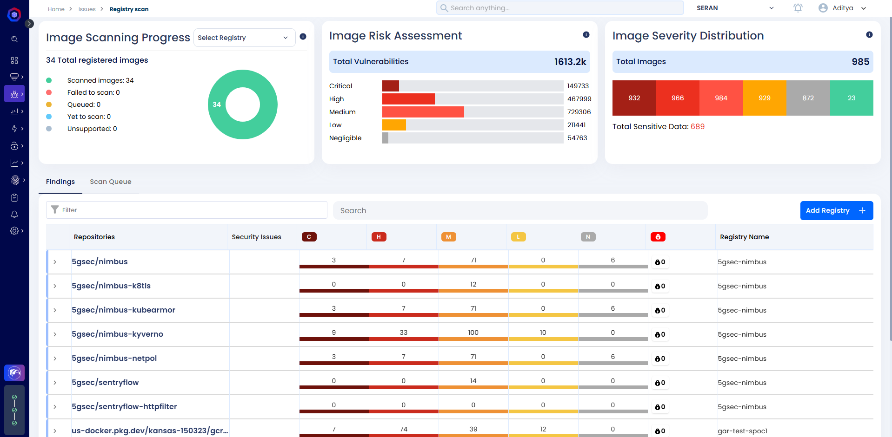
INFRASTRUCTURE & OPERATION
4 | The solution must offer flexible on-premises deployment methods, including appliances, virtual appliances, and VM images to better fit into customer environments. |  | Must-to-have | Yes | 
5 | Ensure, updated / latest database for latest vulnerability signatures. |  | Must-to-have | Yes
6 | Reports must show fix recommendation. |  | Must-to-have | Yes
7 | The Tool should be capable of Image Scanning, Vulnerability assessment and Compliance Checks. |  | Must-to-have | Yes
8 | Tool should be capable of Container Network Security |  | Must-to-have | Yes
12 | Support the integration with CI/CD Pipelines with Azure DevOps. |  | Must-to-have | Yes | Refer: CI/CD-Support-matrix
13 | The solution must provide full packet captures of identified attacker behaviors for analysis. |  | Must-to-have | Yes | 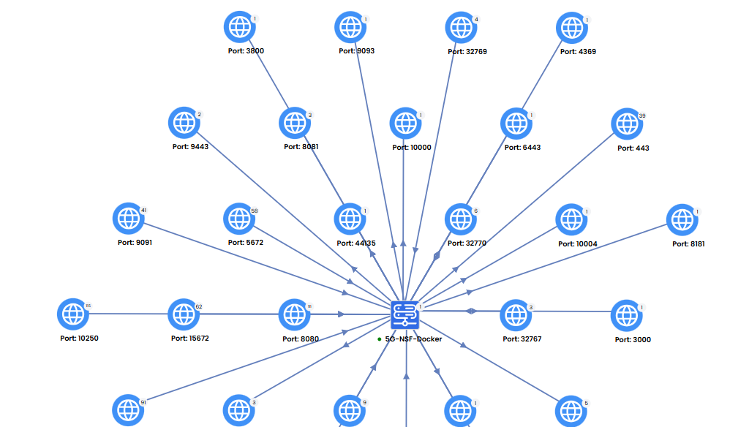
14 | Support case resolution and patching for tool related vulnerabilities. |  | Must-to-have | Yes

