Introduction
This document contains mappings of the CIS Critical Security Controls (CIS Controls) and CIS Safeguards to ISO (the International Organization for Standardization) and IEC (the International Electrotechnical Commission) 27002:2022 - Information Security, cybersecurity and privacy protection - Information security controls
Last updated January 2023

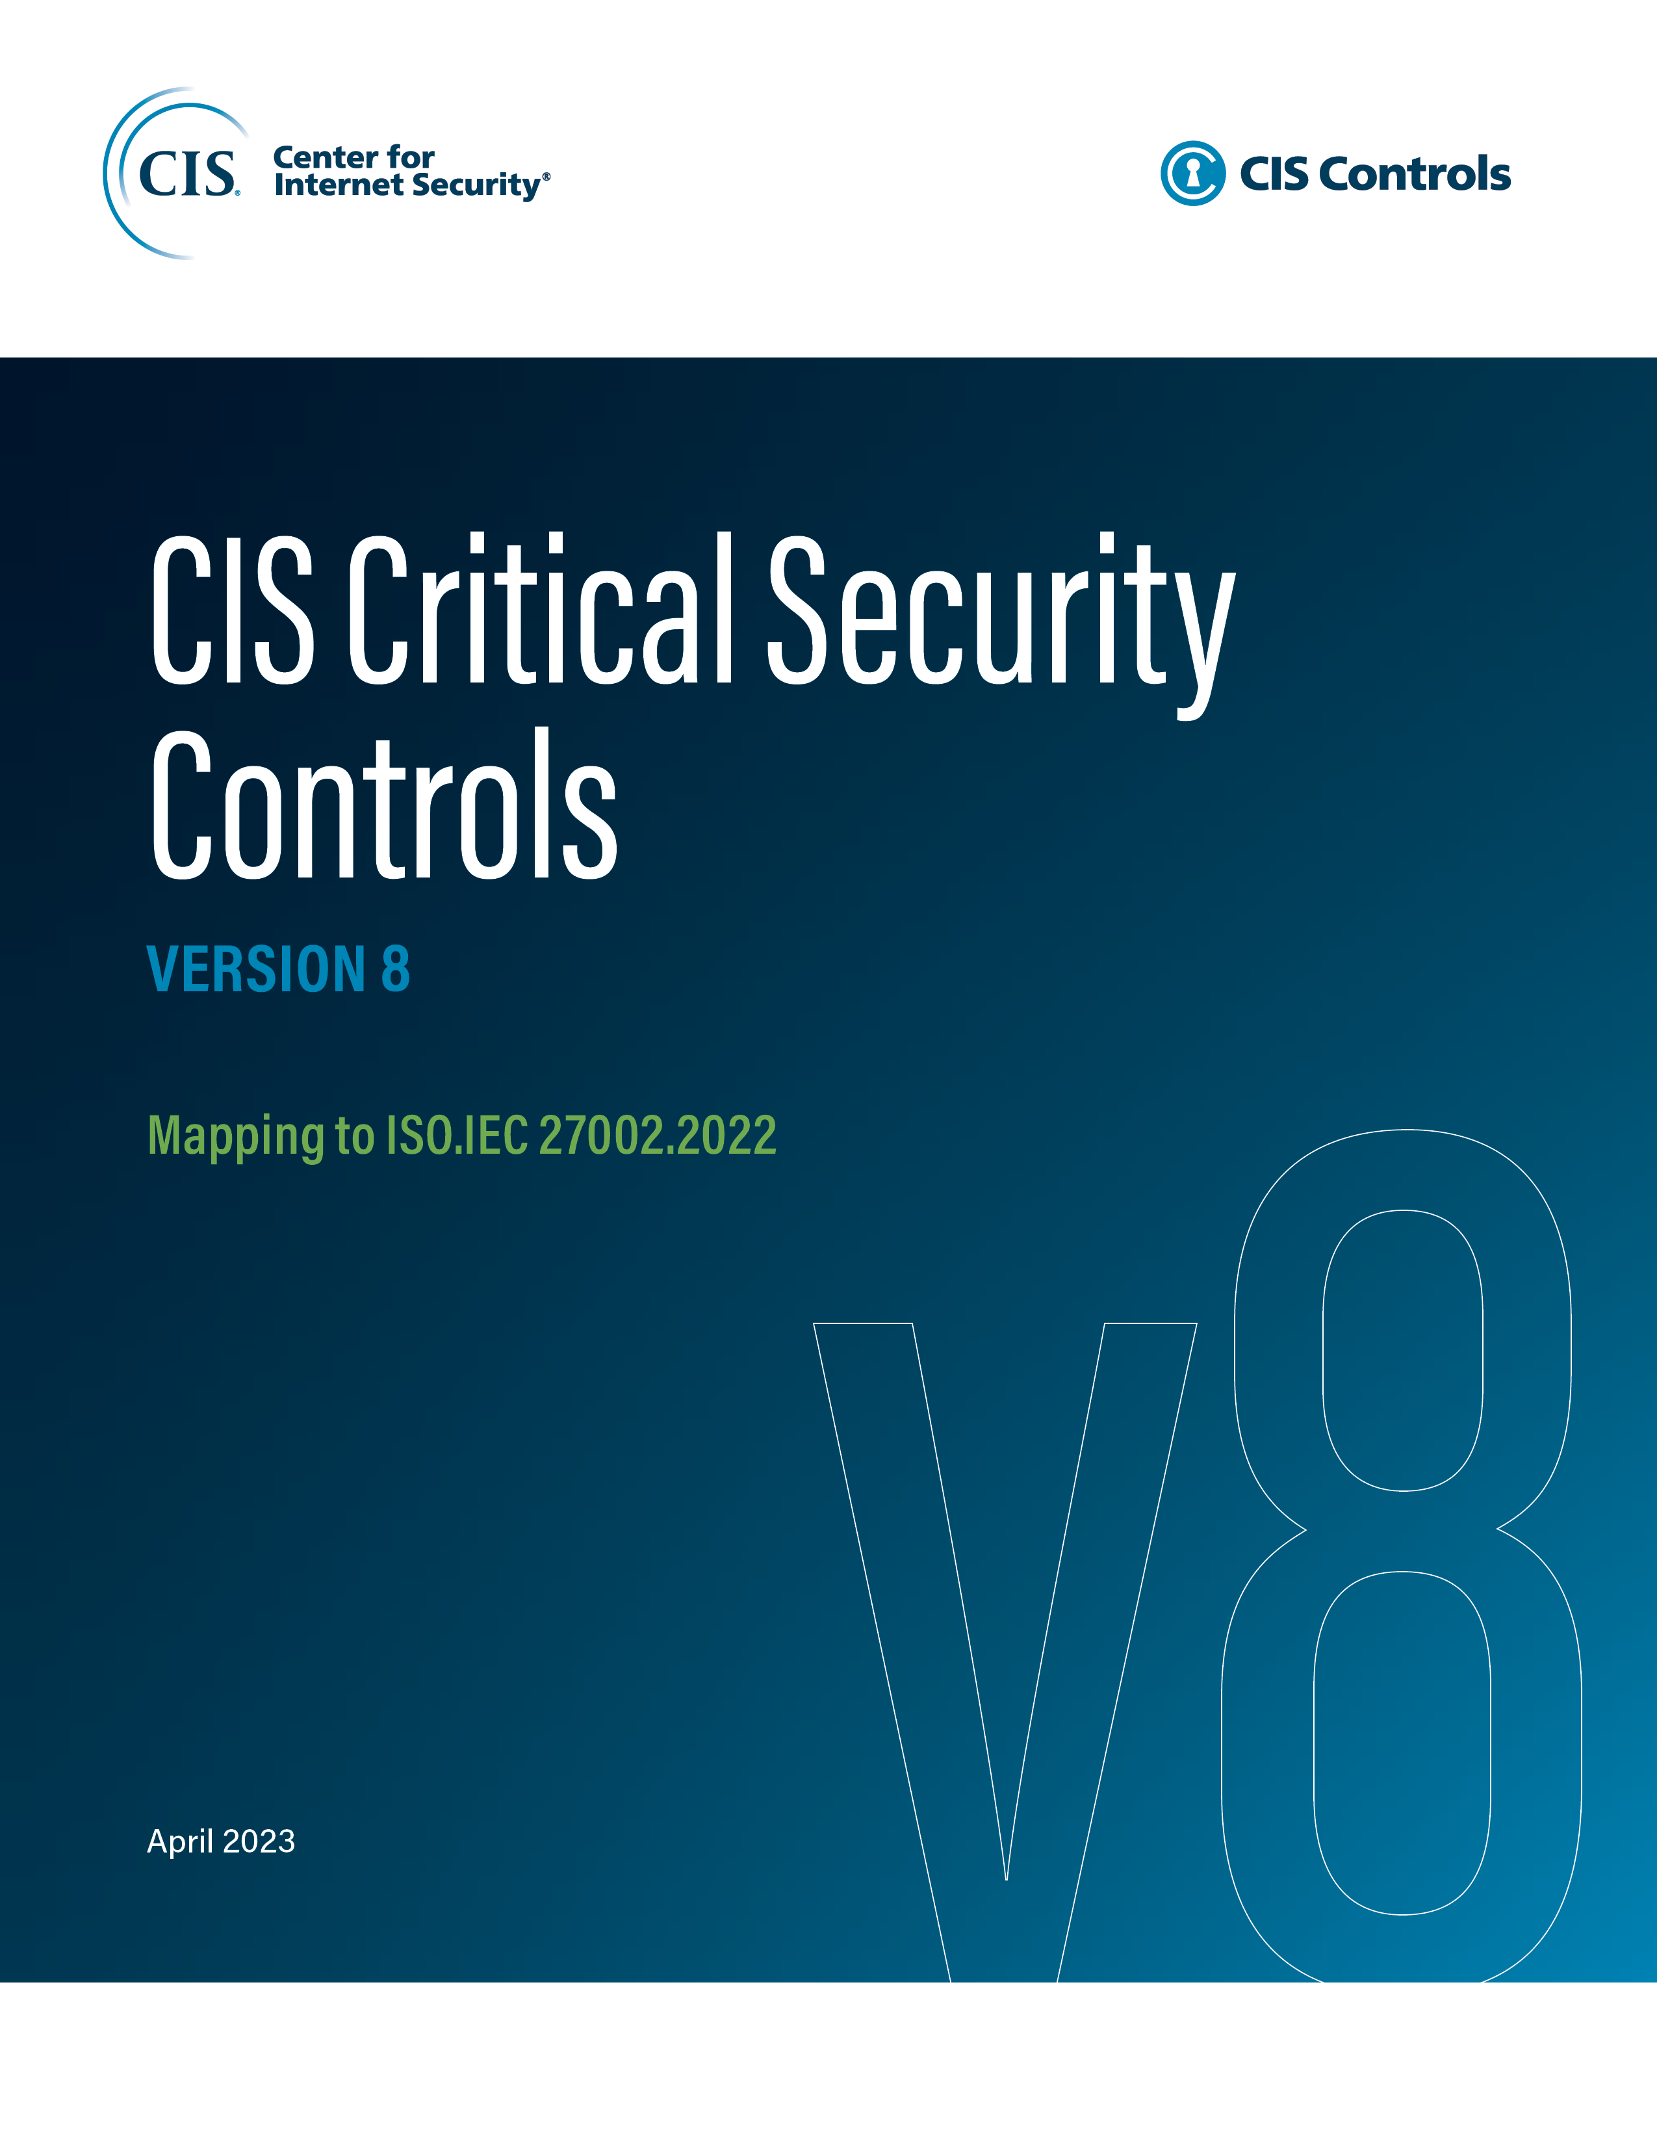

Contact Information
CIS
31 Tech Valley Drive
East Greenbush, NY 12061
518.266.3460
controlsinfo@cisecurity.org

Editors
Thomas Sager

Contributors
Tony Krzyzewski

