Introduction
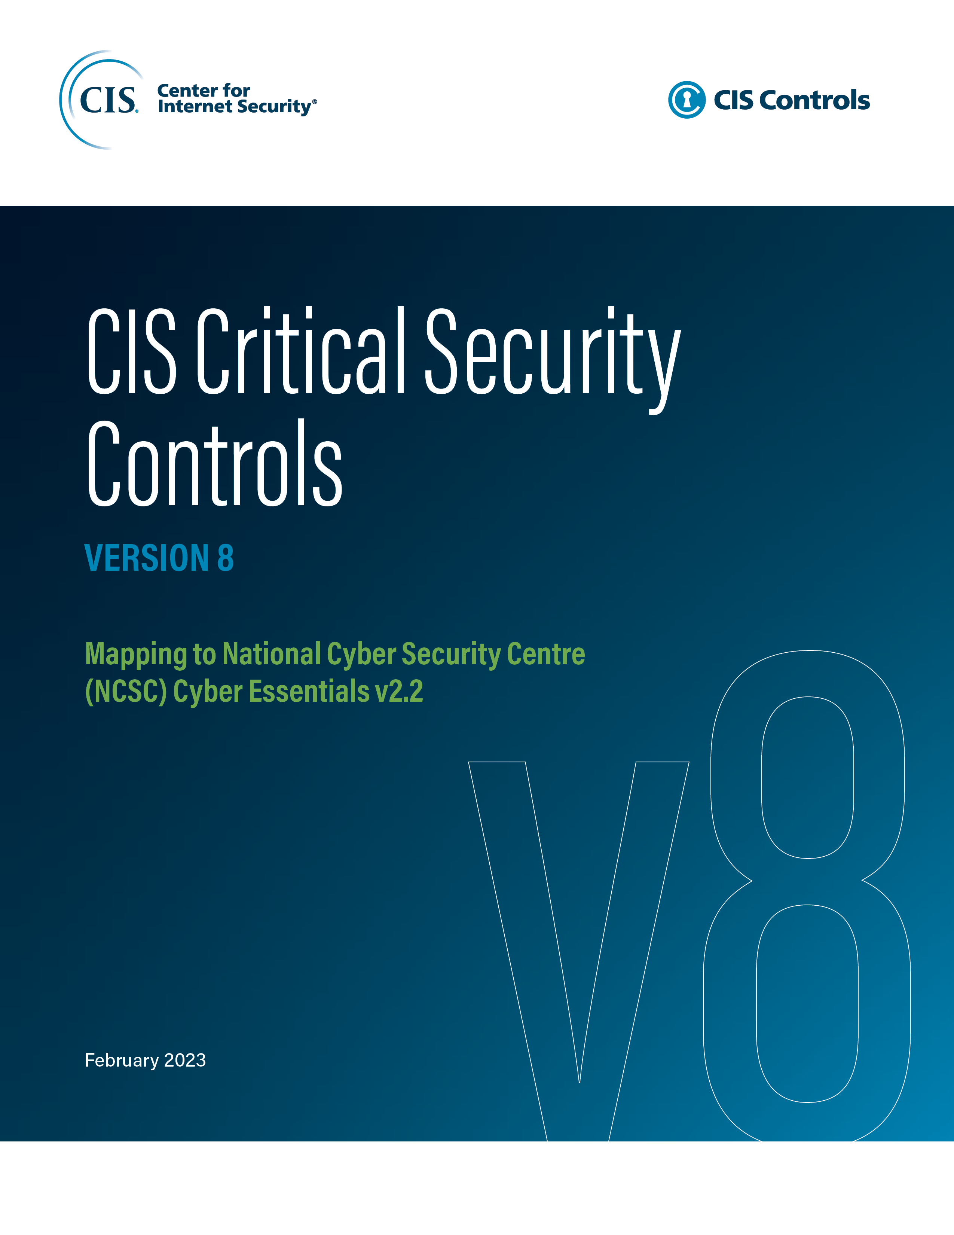
This document contains mappings of the CIS Critical Security Controls (CIS Controls) and CIS Safeguards to National Cyber Security Centre (NCSC) Cyber Essentials v2.2
Last updated January 2023

Contact Information
CIS
31 Tech Valley Drive
East Greenbush, NY 12061
518.266.3460
controlsinfo@cisecurity.org

Editors
Arabela Silva

Contributors
Thomas Sager

