Introduction
This document contains mappings of the CIS Critical Securit Controls (CIS Controls) and CIS Safeguards to TSA Security Directive Pipeline-2021-02: Pipeline Cybersecurity Mitigation Actions, Contingency Planning, and Testing
Last updated January 2023

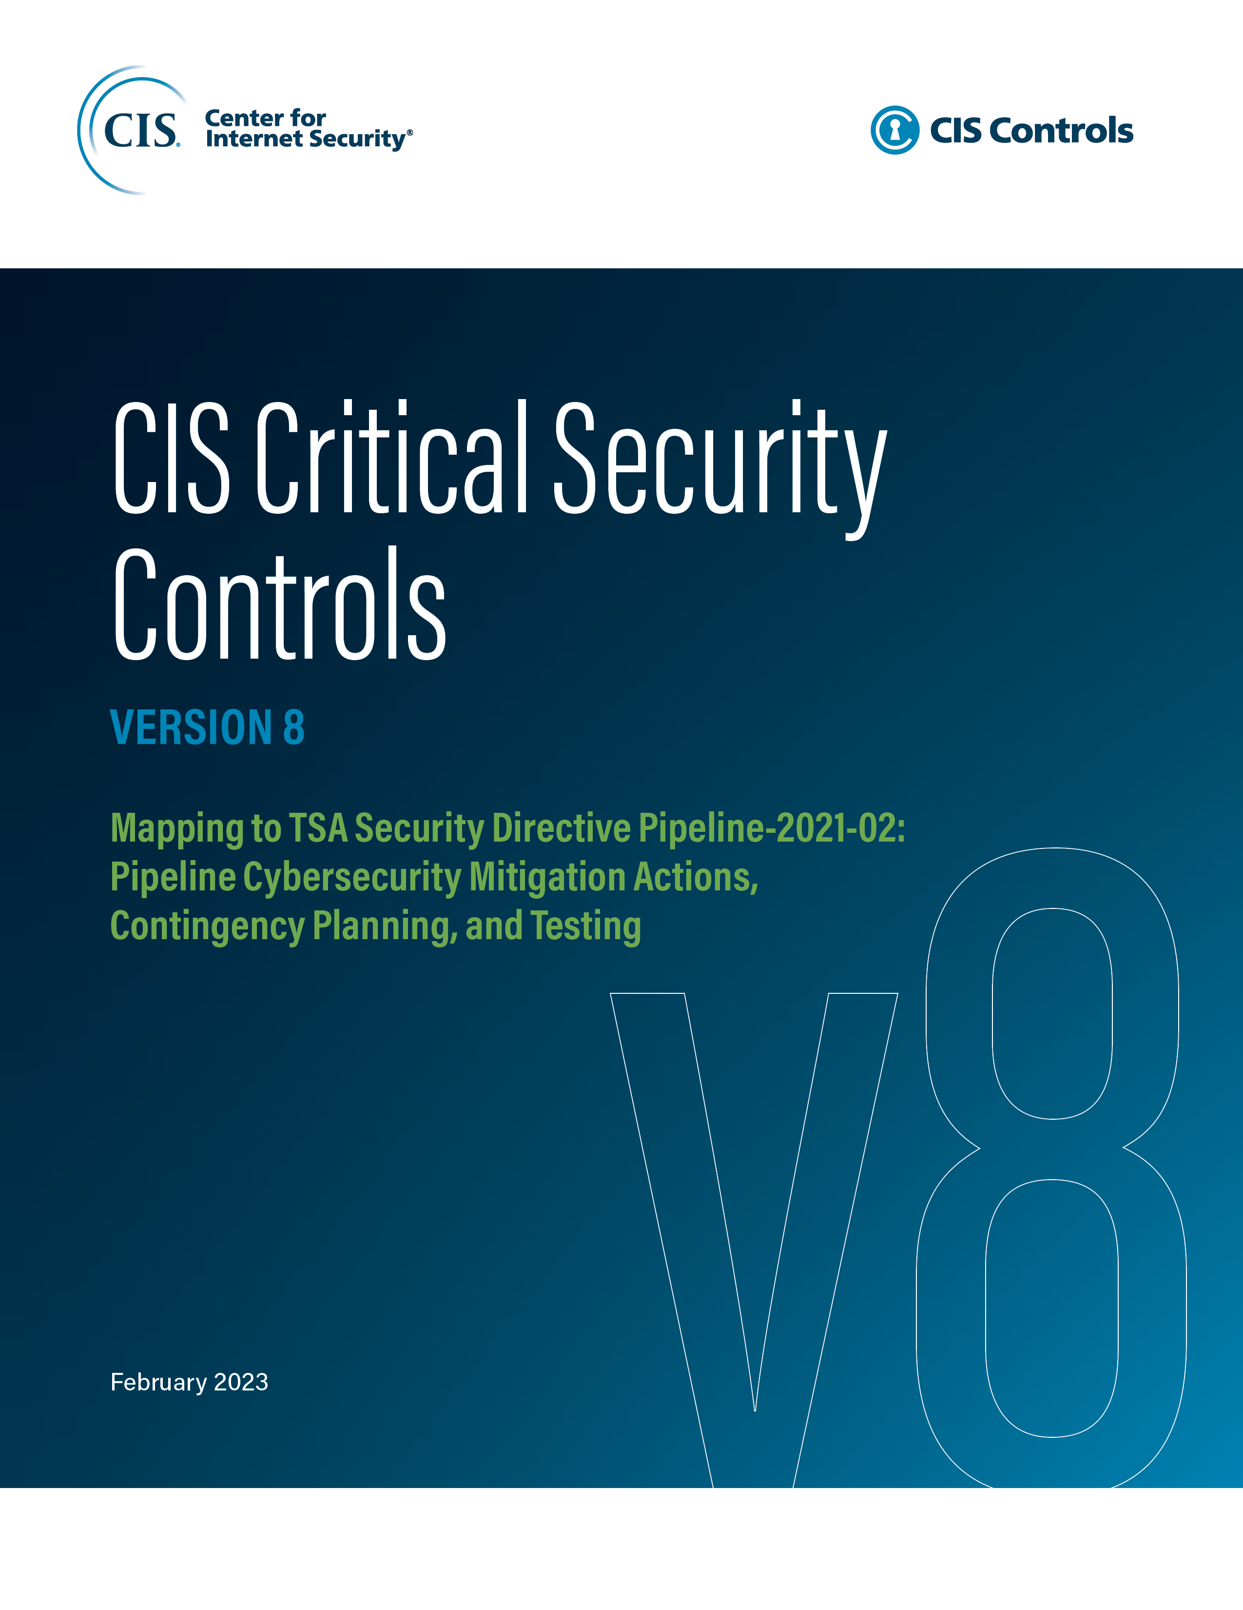

Contact Information
CIS
31 Tech Valley Drive
East Greenbush, NY 12061
518.266.3460
controlsinfo@cisecurity.org

Editors
Thomas Sager

