Introduction
This document contains mappings of the CIS Critical Security Controls® (CIS Controls®) to the NIST CSF.

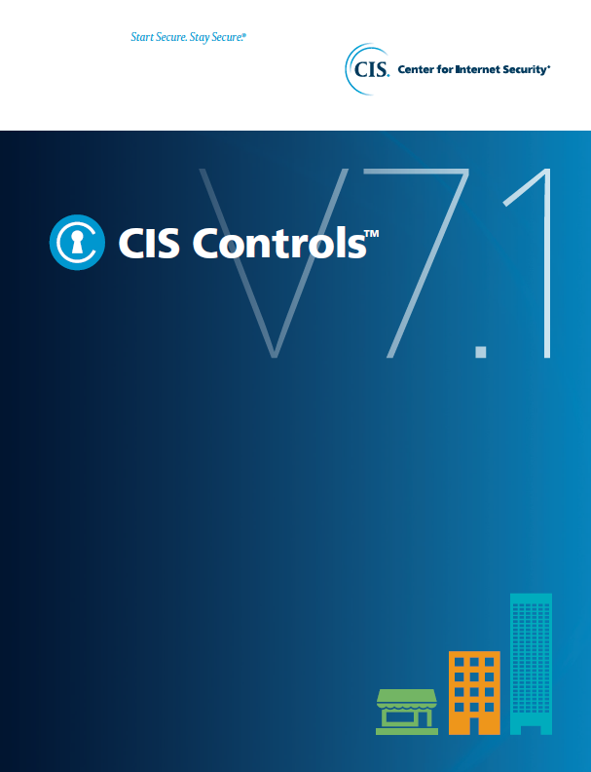

Contact Information
CIS
31 Tech Valley Drive
East Greenbush, NY 12061
518.266.3460
controlsinfo@cisecurity.org

