Introduction
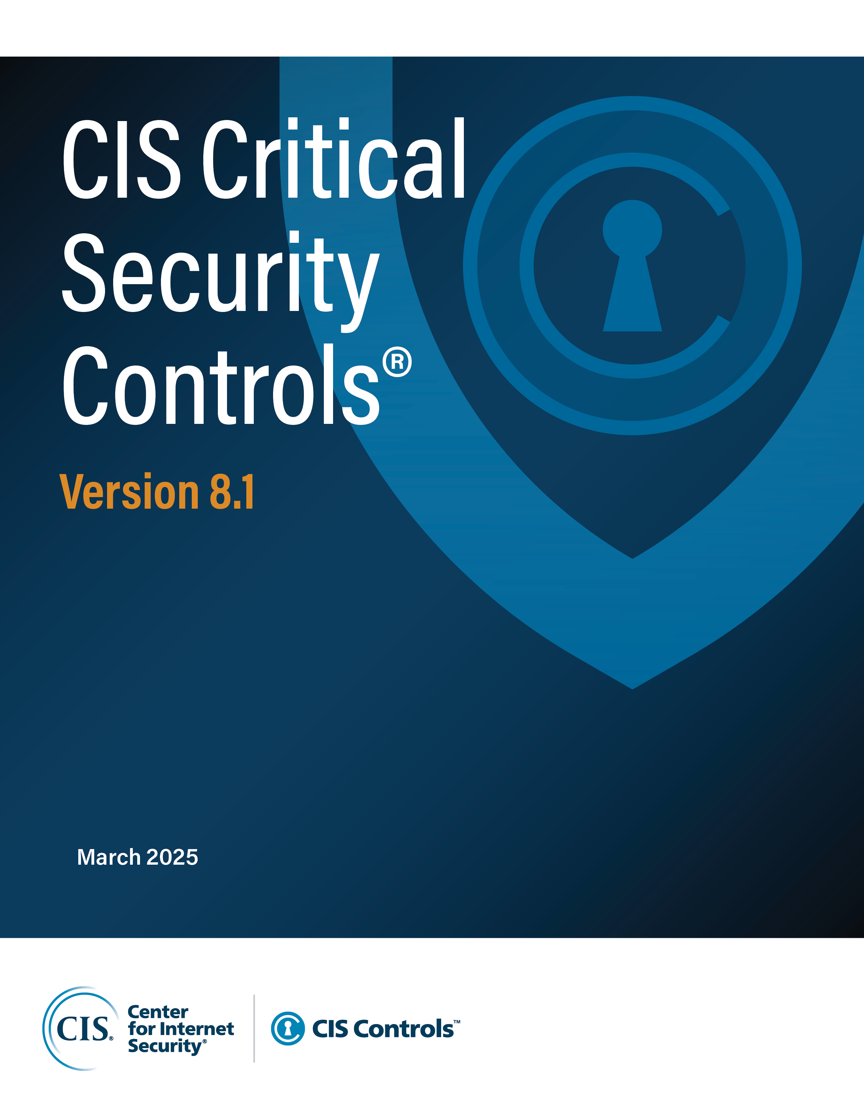

Contact Information
CIS
31 Tech Valley Drive
East Greenbush, NY 12061
518.266.3460
controlsinfo@cisecurity.org

Editors
Sarah Day
Josh Franklin
Valecia Stocchetti

Contributors
Charity Otwell
Robin Regnier
Thomas Sager

Asset Class Methodology
High-Level Decision Methodology for Asset Classes
1. Keep decisions consistent with other Safeguards
2. First ask, “What are we trying to protect?”
3. If there are two classes up for debate; generally, choose the higher level or more abstract one.
4. Things that can be configured via software on the device, are to be considered as the device asset class, with the exception of Network configurations being labeled as Network.
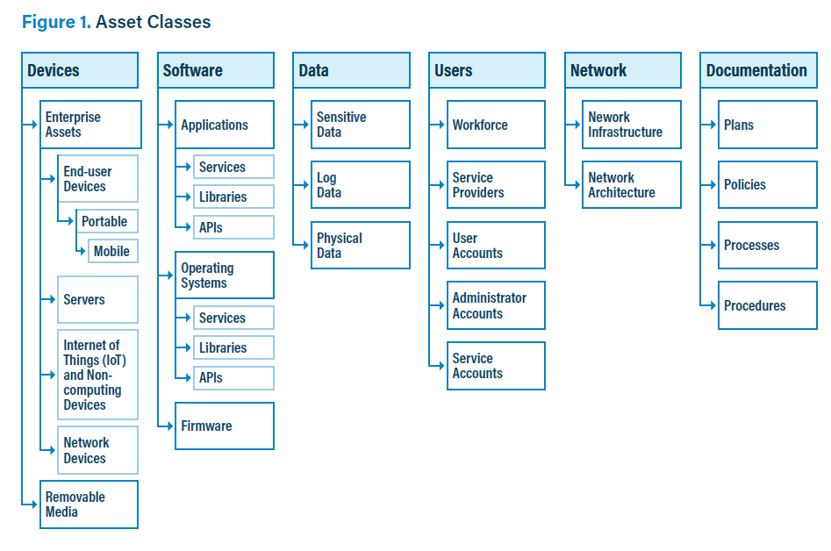

Asset Class | Asset Class Definition | Subclasses (+ Definition)
Devices | Devices are enterprise assets (data processing and storage assets), end-user devices, portable devices, mobile devices, servers, Internet of Things and non-computing devices, network devices, and removable media. Devices may exist in physical spaces, virtual infrastructure, or cloud-based environments. Devices can remotely connect to these systems. | Enterprise Assets - Assets with the potential to store or process data. For the purpose of this document, enterprise assets include end-user devices, network devices, non-computing/Internet of Things (IoT) devices, and servers, in virtual, cloud-based, and physical environments.
 |  | - End-User Devices - Information technology (IT) assets used among members of an enterprise during work or off-hours. End-user devices include desktops and workstations, as well as portable and mobile devices such as laptops, smartphones, and tablets. For the purpose of this document, end-user devices are a subset of enterprise assets.
 |  | - Portable Devices - Transportable, end-user devices that have the capability to wirelessly connect to a network. Portable devices can include laptops which may require external hardware for connectivity and mobile devices, such as smartphones and tablets. For the purpose of this document, portable devices are a subset of end-user devices.
 |  | - Mobile Devices - Small, enterprise-issued end-user devices with intrinsic wireless capability, such as smartphones and tablets. For the purpose of this document, mobile devices are a subset of portable devices.
 |  | - Servers - A device or system that provides resources, data, services, or programs to other devices on either a local area network or wide area network. Servers can provide resources and use them from another system at the same time. Servers can exist in datacenters, public/private/hybrid cloud environments, including temporal containers or serverless workloads. Examples of servers include web servers, application servers, mail servers, and file servers. For the purpose of this document, servers are a subset of enterprise assets.
 |  | - Internet of Things (IoT) and Non-computing Devices - Devices embedded with sensors, software, and other technologies. These devices may connect, store, and exchange data with other devices and systems. The device’s connection to the internet can be intermittent, non-existent, or persistent. Examples of these devices include smart watches and other wearables, printers, smart screens, smart home devices, speakers, industrial control systems, and physical security sensors. For the purpose of this document, IoT and non-computing devices are a subset of enterprise assets.
 |  | - Network Devices - Electronic devices required for communication and interaction between devices on a computer network. Network devices include wireless access points, firewalls, physical/virtual gateways, routers, and switches. These devices consist of physical hardware, as well as virtual and cloud-based devices. For the purpose of this document, network devices are a subset of enterprise assets. Note that network devices are listed under Enterprise Assets because they are managed much like other devices, however, they also play a dual role in the Network Asset Class when related to the communication over a network.
 |  | Removable Media - Any type of storage device that can be removed from a computer while the system is running and allows data to be moved from one system to another. Examples of removable media include CDs, DVDs, Blu‑ray Discs, external hard drives, SD cards, tape backups, diskettes, and USB drives.
Software | Sets of data and instructions used to direct a computer to complete a specific task. Software assets include operating systems and applications. Both may contain services, libraries, or Application Programming Interfaces (APIs). | Applications - A program, or a group of programs, running on top of an operating system hosted on an enterprise asset. Example application types include web, database, cloud-based, and mobile. Applications are considered a software asset in this document.
 |  | Operating Systems - Software on enterprise assets that manages computer hardware and software resources and provides common services for programs. Example operating systems include Windows, Ubuntu, MacOS, Android, and z/OS. Operating systems are considered a software asset.
 |  | - Services - Specialized programs that perform well-defined critical tasks for the operating system. Services often start with the operating system, run-in in the background, and can be stopped and started by users. Example services include managing network communications, users, file permissions, system security, and device interaction.
 |  | - Library - A shareable pre-compiled codebase to include classes, procedures, scripts, configuration data, and more, used to develop software programs and applications. Libraries are designed to assist both the programmer and the programming language compiler in building and executing software more efficiently.
 |  | - Application Programming Interface (API) - A set of rules and interfaces for software components to interact with each other in a standardized way. APIs allow applications to access and communicate with both internal and external resources.
 |  | Firmware - Software stored within a device’s non-volatile memory, such as ROM or flash memory, used to allow different types of hardware to communicate with the operating system. Firmware is often updated outside of the enterprise’s operating system and application software update process.
Data | A collection of facts that can be examined, considered, and used for decision-making. Although data may be physical, the CIS Controls primarily provide protection for digital data that may be stored, transferred, and processed by enterprise assets. | Sensitive Data - Physical or digital data stored, processed, or managed by the enterprise that must be kept private, accurate, reliable, and available. If released or destroyed in an unauthorized manner, it would cause harm to the enterprise or its customers. These impacts may be due to a data breach or a violation of a policy, contract, or regulation.
 |  | Log Data - A computer-generated data file that records the events occurring within the enterprise. Examples of logs include: operating system, anti-malware detection, database, application, network, firewall, web server, or access control logs (e.g., electronic locks, alarm system).
 |  | Physical Data - Data that is stored in physical documents or stored on physical types of removable devices (e.g., USB drives, tape backups). Physical data may be sensitive or not.
Users | Employees, third-party vendors, contractors, service providers, consultants, or any other person who is authorized to access an enterprise asset. This also includes user, administrator, and service accounts. | Workforce - All individuals who are employed or engaged by an organization and have access to its information systems, assets, or resources. It includes all employees both on-site and remote, excluding service providers and consultants.
 |  | Service Providers - Entity that offers platforms, software, and services to other enterprises. Examples include IT consultants, managed service provider (MSPs), Software as a Service (SaaS) platforms, and cloud service providers. Third-party providers and vendors are also considered Service Providers. These services may be paid or free. Some relationships may or may not require a contract or SLA in place. Examples include data analysis, traffic blocking, and similar services.
 |  | User Accounts - An identity comprised of a set of credentials (e.g., username, password) that defines a user on a computer or computing system. A user account keeps track of a user’s information and settings, controls the files, folders, and resources a user is allowed to access, as well as the tasks a user is allowed to perform. For the purpose of this document, user accounts refer to “standard” user accounts with limited privileges and are used for general tasks.
 |  | Administrator Accounts - Accounts for users requiring escalated privileges. The accounts are used for managing aspects of a computer, domain, or the whole enterprise information technology infrastructure. Each administrator account should be assigned to a single user. Common administrator account subtypes include root accounts, local administrator, domain administrator accounts, and network or security appliance administrator accounts.
 |  | Service Accounts - A service account is created specifically to run applications, services, and automated tasks on an operating system. Service accounts may also be created just to own data and configuration files. Each service account should be used for a specific service or function, and it should have an assigned owner who is responsible for how the account is used. Service accounts should not be used for general purpose computing.
Network | A network is a group of interconnected devices that exchange data. Network is a superset of network infrastructure and network architecture. | Network Infrastructure - The collection of network resources that provide connectivity, management, business operations, and communication. It consists of hardware and software, systems and devices, and it enables computing and communication between users, services, applications, and processes. Network infrastructure can be in the cloud, physical, or virtual.
 |  | Network Architecture - Refers to how a network is designed, both physically and logically. It defines how a network is organized, including the connections between devices and software as well as the data that is transmitted between them. This should include network architecture diagrams and security architecture diagrams.
Documentation | Policies, processes, procedures, plans, diagrams, and other written material (e.g., compliance reports) either physical or digital. Examples include methods of governance for an enterprise, processes that users follow, or describe network architecture. | Plan - A plan implements policies and may include groups of policies, processes, and procedures.
 |  | Policy - A policy is an official governance statement that outlines specific objectives of an information security program.
 |  | Process - A set of general tasks and activities to achieve a series of security-related goals.
 |  | Procedure - A procedure is an ordered set of steps that must be followed to accomplish a specific task. It provides the approved way of performing an action in a specific technological and organizational environment.

