Introduction
This document contains mappings of the CIS Critical Securit Controls (CIS Controls) and CIS Safeguards to North American Electric Reliability Corporation-Critical Infrastructure Protection Standards (NERC-CIP Standards)
Last updated January 2025

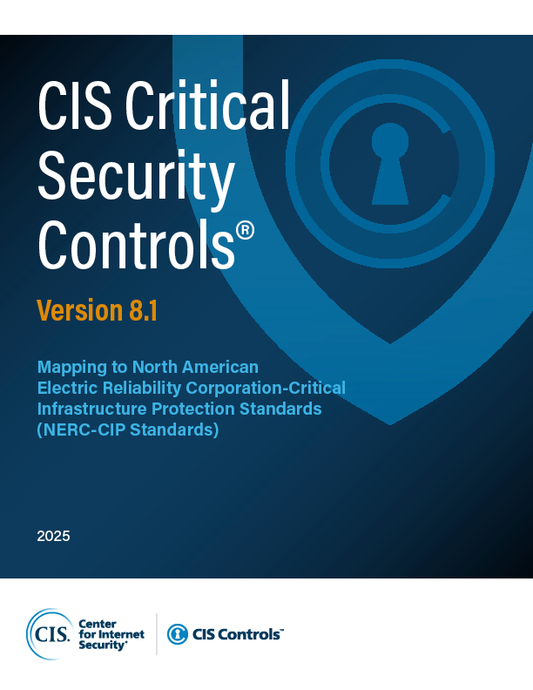

Contact Information
CIS
31 Tech Valley Drive
East Greenbush, NY 12061
518.266.3460
controlsinfo@cisecurity.org

Editors
Thomas Sager

